SLC25A19 _multivariate
Reported by Tex Li-Hsing Chi. tex@gate.sinica.edu.tw 2019-08-16

Table 2. The clinicopathological features of HNSCC cohort and SLC25A19 expression. (Chi square test)
Cutoff at -0.162 (49.8%)
 |  | SLC25A19 expression |  | SLC25A19 expression |  | (Optimised)
 | Features | Low | (%) | High | (%) | Case no | P-value | Remark | Matthews
Gender | Female | 147 | 35.4 | 159 | 38.3 | 415 | 0.2523 | 0 | 0
2 | Male | 60 | 14.5 | 49 | 11.8
Age at diagnosis | <=65y | 134 | 32.3 | 140 | 33.7 | 415 | 0.6529 | 0 | 0
4 | >65y | 73 | 17.6 | 68 | 16.4
Clinical T Status | T1+T2 | 78 | 18.8 | 71 | 17.1 | 415 | 0.5152 | 0 | 0
6 | T3+T4 | 129 | 31.1 | 137 | 33
Clinical N Status | N0 | 120 | 28.9 | 96 | 23.1 | 415 | 0.0208 | 1 | 0
8 | N1-3 | 87 | 21 | 112 | 27
Clinical M Status | M0 | 206 | 49.6 | 206 | 49.6 | 415 | 1 | 0 | 0
10 | M1 | 1 | 0.2 | 2 | 0.5
Clinical Stage | Stage I+II | 62 | 14.9 | 40 | 9.6 | 415 | 0.0154 | 1 | 0
12 | Stage III+IV | 145 | 34.9 | 168 | 40.5
Surgical Margin status | Negative | 159 | 38.3 | 159 | 38.3 | 415 | 1 | 0 | 0
14 | Positive | 48 | 11.6 | 49 | 11.8
Tobacco Exposure | Low | 93 | 22.4 | 68 | 16.4 | 415 | 0.0118 | 1 | 0
16 | High | 114 | 27.5 | 140 | 33.7

Table 3. Univariate/Multivariate Cox's proportional hazards regression analyses on OS time of SLC25A19 gene expression in HNSCC

 |  | Univariate |  |  |  | Multivariate
 | Features | HR | CI95%(L) | CI95%(H) | P-value | HR | CI95%(L) | CI95%(H) | P-value
1 | Female | 1 |  |  |  | 1
Gender | Male | 1.157 | 0.843 | 1.587 | 0.367 | 1.198 | 0.858 | 1.673 | 0.289
11 | <=65y | 1 |  |  |  | 1
Age at diagnosis | >65y | 1.329 | 0.99 | 1.784 | 0.058 | 1.404 | 1.031 | 1.911 | 0.031
12 | T1+T2 | 1 |  |  |  | 1
Clinical T Status | T3+T4 | 1.409 | 1.028 | 1.931 | 0.033 | 2.175 | 1.149 | 4.119 | 0.017
13 | N0 | 1 |  |  |  | 1
Clinical N Status | N1-3 | 1.185 | 0.89 | 1.577 | 0.246 | 1.252 | 0.877 | 1.788 | 0.217
14 | M0 | 1 |  |  |  | 1
Clinical M Status | M1 | 4.097 | 1.009 | 16.644 | 0.049 | 9.332 | 2.035 | 42.79 | 0.004
15 | Stage I+II | 1 |  |  |  | 1
Clinical Stage | Stage III+IV | 1.245 | 0.882 | 1.759 | 0.213 | 0.515 | 0.239 | 1.108 | 0.09
16 | Negative | 1 |  |  |  | 1
Surgical Margin status | Positive | 1.591 | 1.155 | 2.191 | 0.004 | 1.679 | 1.214 | 2.32 | 0.002
17 | Low | 1 |  |  |  | 1
Tobacco Exposure | High | 1.364 | 1.008 | 1.844 | 0.044 | 1.472 | 1.066 | 2.034 | 0.019
18 | Low | 1 |  |  |  | 1
RNAseq(z-score) | High | 0.964 | 0.724 | 1.284 | 0.804 | 0.906 | 0.675 | 1.216 | 0.511

Table 4. Univariate/Multivariate Cox's proportional hazards regression analyses on RFS time of SLC25A19 gene expression in HNSCC

 |  | Univariate |  |  |  | Multivariate
 | Features | HR | CI95%(L) | CI95%(H) | P-value | HR | CI95%(L) | CI95%(H) | P-value
1 | Female | 1 |  |  |  | 1
Gender | Male | 1.157 | 0.843 | 1.587 | 0.367 | 1.198 | 0.858 | 1.673 | 0.289
11 | <=65y | 1 |  |  |  | 1
Age at diagnosis | >65y | 1.329 | 0.99 | 1.784 | 0.058 | 1.404 | 1.031 | 1.911 | 0.031
12 | T1+T2 | 1 |  |  |  | 1
Clinical T Status | T3+T4 | 1.409 | 1.028 | 1.931 | 0.033 | 2.175 | 1.149 | 4.119 | 0.017
13 | N0 | 1 |  |  |  | 1
Clinical N Status | N1-3 | 1.185 | 0.89 | 1.577 | 0.246 | 1.252 | 0.877 | 1.788 | 0.217
14 | M0 | 1 |  |  |  | 1
Clinical M Status | M1 | 4.097 | 1.009 | 16.644 | 0.049 | 9.332 | 2.035 | 42.79 | 0.004
15 | Stage I+II | 1 |  |  |  | 1
Clinical Stage | Stage III+IV | 1.245 | 0.882 | 1.759 | 0.213 | 0.515 | 0.239 | 1.108 | 0.09
16 | Negative | 1 |  |  |  | 1
Surgical Margin status | Positive | 1.591 | 1.155 | 2.191 | 0.004 | 1.679 | 1.214 | 2.32 | 0.002
17 | Low | 1 |  |  |  | 1
Tobacco Exposure | High | 1.364 | 1.008 | 1.844 | 0.044 | 1.472 | 1.066 | 2.034 | 0.019
18 | Low | 1 |  |  |  | 1
RNAseq(z-score) | High | 0.964 | 0.724 | 1.284 | 0.804 | 0.906 | 0.675 | 1.216 | 0.511

Kaplan-Meier survival estimate: Cutoff at -0.162 (49.8%)



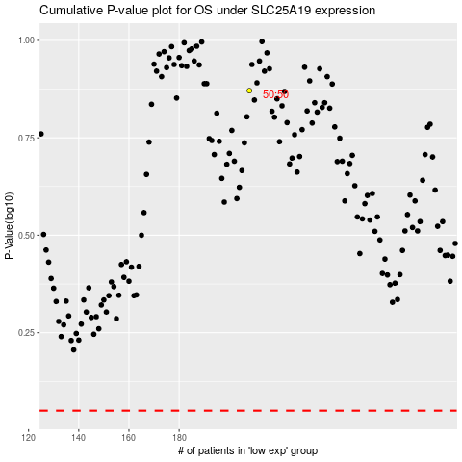

 |  |  |  |  |  | cases_OS | p_OS | rank | exp
 |  |  |  |  |  |  | cases_RFS | p_RFS | rank | exp

