SLC25A20 _multivariate
Reported by Tex Li-Hsing Chi. tex@gate.sinica.edu.tw 2019-08-16

Table 2. The clinicopathological features of HNSCC cohort and SLC25A20 expression. (Chi square test)
Cutoff at -0.389 (43.0%)
 |  | SLC25A20 expression |  | SLC25A20 expression |  | (Optimised)
 | Features | Low | (%) | High | (%) | Case no | P-value | Remark | Matthews
Gender | Female | 140 | 33.7 | 166 | 40 | 415 | 0.0629 | 0 | 0
2 | Male | 38 | 9.2 | 71 | 17.1
Age at diagnosis | <=65y | 122 | 29.4 | 152 | 36.6 | 415 | 0.4049 | 0 | 0
4 | >65y | 56 | 13.5 | 85 | 20.5
Clinical T Status | T1+T2 | 50 | 12 | 99 | 23.9 | 415 | 0.0056 | 1 | 0
6 | T3+T4 | 128 | 30.8 | 138 | 33.3
Clinical N Status | N0 | 91 | 21.9 | 125 | 30.1 | 415 | 0.8201 | 0 | 0
8 | N1-3 | 87 | 21 | 112 | 27
Clinical M Status | M0 | 175 | 42.2 | 237 | 57.1 | 415 | 0.0781 | 0 | 0
10 | M1 | 3 | 0.7 | 0 | 0
Clinical Stage | Stage I+II | 33 | 8 | 69 | 16.6 | 415 | 0.0182 | 1 | 0
12 | Stage III+IV | 145 | 34.9 | 168 | 40.5
Surgical Margin status | Negative | 148 | 35.7 | 170 | 41 | 415 | 0.007 | 1 | 0
14 | Positive | 30 | 7.2 | 67 | 16.1
Tobacco Exposure | Low | 56 | 13.5 | 105 | 25.3 | 415 | 0.0083 | 1 | 0
16 | High | 122 | 29.4 | 132 | 31.8

Table 3. Univariate/Multivariate Cox's proportional hazards regression analyses on OS time of SLC25A20 gene expression in HNSCC

 |  | Univariate |  |  |  | Multivariate
 | Features | HR | CI95%(L) | CI95%(H) | P-value | HR | CI95%(L) | CI95%(H) | P-value
1 | Female | 1 |  |  |  | 1
Gender | Male | 1.157 | 0.843 | 1.587 | 0.367 | 1.22 | 0.872 | 1.707 | 0.246
11 | <=65y | 1 |  |  |  | 1
Age at diagnosis | >65y | 1.329 | 0.99 | 1.784 | 0.058 | 1.394 | 1.024 | 1.896 | 0.035
12 | T1+T2 | 1 |  |  |  | 1
Clinical T Status | T3+T4 | 1.409 | 1.028 | 1.931 | 0.033 | 2.169 | 1.147 | 4.101 | 0.017
13 | N0 | 1 |  |  |  | 1
Clinical N Status | N1-3 | 1.185 | 0.89 | 1.577 | 0.246 | 1.279 | 0.895 | 1.827 | 0.177
14 | M0 | 1 |  |  |  | 1
Clinical M Status | M1 | 4.097 | 1.009 | 16.644 | 0.049 | 8.026 | 1.737 | 37.078 | 0.008
15 | Stage I+II | 1 |  |  |  | 1
Clinical Stage | Stage III+IV | 1.245 | 0.882 | 1.759 | 0.213 | 0.477 | 0.222 | 1.026 | 0.058
16 | Negative | 1 |  |  |  | 1
Surgical Margin status | Positive | 1.591 | 1.155 | 2.191 | 0.004 | 1.735 | 1.253 | 2.402 | 0.001
17 | Low | 1 |  |  |  | 1
Tobacco Exposure | High | 1.364 | 1.008 | 1.844 | 0.044 | 1.424 | 1.031 | 1.967 | 0.032
18 | Low | 1 |  |  |  | 1
RNAseq(z-score) | High | 0.743 | 0.558 | 0.991 | 0.043 | 0.751 | 0.557 | 1.012 | 0.06

Table 4. Univariate/Multivariate Cox's proportional hazards regression analyses on RFS time of SLC25A20 gene expression in HNSCC

 |  | Univariate |  |  |  | Multivariate
 | Features | HR | CI95%(L) | CI95%(H) | P-value | HR | CI95%(L) | CI95%(H) | P-value
1 | Female | 1 |  |  |  | 1
Gender | Male | 1.157 | 0.843 | 1.587 | 0.367 | 1.22 | 0.872 | 1.707 | 0.246
11 | <=65y | 1 |  |  |  | 1
Age at diagnosis | >65y | 1.329 | 0.99 | 1.784 | 0.058 | 1.394 | 1.024 | 1.896 | 0.035
12 | T1+T2 | 1 |  |  |  | 1
Clinical T Status | T3+T4 | 1.409 | 1.028 | 1.931 | 0.033 | 2.169 | 1.147 | 4.101 | 0.017
13 | N0 | 1 |  |  |  | 1
Clinical N Status | N1-3 | 1.185 | 0.89 | 1.577 | 0.246 | 1.279 | 0.895 | 1.827 | 0.177
14 | M0 | 1 |  |  |  | 1
Clinical M Status | M1 | 4.097 | 1.009 | 16.644 | 0.049 | 8.026 | 1.737 | 37.078 | 0.008
15 | Stage I+II | 1 |  |  |  | 1
Clinical Stage | Stage III+IV | 1.245 | 0.882 | 1.759 | 0.213 | 0.477 | 0.222 | 1.026 | 0.058
16 | Negative | 1 |  |  |  | 1
Surgical Margin status | Positive | 1.591 | 1.155 | 2.191 | 0.004 | 1.735 | 1.253 | 2.402 | 0.001
17 | Low | 1 |  |  |  | 1
Tobacco Exposure | High | 1.364 | 1.008 | 1.844 | 0.044 | 1.424 | 1.031 | 1.967 | 0.032
18 | Low | 1 |  |  |  | 1
RNAseq(z-score) | High | 0.743 | 0.558 | 0.991 | 0.043 | 0.751 | 0.557 | 1.012 | 0.06

Kaplan-Meier survival estimate: Cutoff at -0.389 (43.0%)



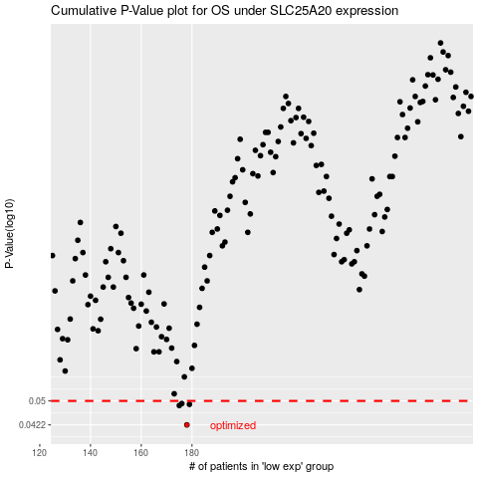

 |  |  |  |  |  | cases_OS | p_OS | rank | exp
 |  |  |  |  |  | 178 | 0.0422 | 330 | -0.38895540062
 |  |  |  |  |  | 175 | 0.0484 | 291 | -0.39897634469
 |  |  |  |  |  | 179 | 0.0488 | 282 | -0.37825786785
 |  |  |  |  |  | 176 | 0.0491 | 160 | -0.39774673329
 |  |  |  |  |  |  | cases_RFS | p_RFS | rank | exp
 |  |  |  |  |  |  | 177 | 0.0422 | 198 | -0.39265892449
 |  |  |  |  |  |  | 174 | 0.0484 | 287 | -0.40730711315
 |  |  |  |  |  |  | 178 | 0.0488 | 330 | -0.38895540062
 |  |  |  |  |  |  | 175 | 0.0491 | 291 | -0.39897634469

