SLC25A22 _multivariate
Reported by Tex Li-Hsing Chi. tex@gate.sinica.edu.tw 2019-08-16

Table 2. The clinicopathological features of HNSCC cohort and SLC25A22 expression. (Chi square test)
Cutoff at -0.165 (49.8%)
 |  | SLC25A22 expression |  | SLC25A22 expression |  | (Optimised)
 | Features | Low | (%) | High | (%) | Case no | P-value | Remark | Matthews
Gender | Female | 157 | 37.8 | 149 | 35.9 | 415 | 0.3881 | 0 | 0
2 | Male | 50 | 12 | 59 | 14.2
Age at diagnosis | <=65y | 136 | 32.8 | 138 | 33.3 | 415 | 0.9719 | 0 | 0
4 | >65y | 71 | 17.1 | 70 | 16.9
Clinical T Status | T1+T2 | 77 | 18.6 | 72 | 17.3 | 415 | 0.6556 | 0 | 0
6 | T3+T4 | 130 | 31.3 | 136 | 32.8
Clinical N Status | N0 | 117 | 28.2 | 99 | 23.9 | 415 | 0.0852 | 1 | 0
8 | N1-3 | 90 | 21.7 | 109 | 26.3
Clinical M Status | M0 | 207 | 49.9 | 205 | 49.4 | 415 | 0.2482 | 0 | 0
10 | M1 | 0 | 0 | 3 | 0.7
Clinical Stage | Stage I+II | 56 | 13.5 | 46 | 11.1 | 415 | 0.2918 | 0 | 0
12 | Stage III+IV | 151 | 36.4 | 162 | 39
Surgical Margin status | Negative | 158 | 38.1 | 160 | 38.6 | 415 | 0.9081 | 0 | 0
14 | Positive | 49 | 11.8 | 48 | 11.6
Tobacco Exposure | Low | 73 | 17.6 | 88 | 21.2 | 415 | 0.1587 | 0 | 0
16 | High | 134 | 32.3 | 120 | 28.9

Table 3. Univariate/Multivariate Cox's proportional hazards regression analyses on OS time of SLC25A22 gene expression in HNSCC

 |  | Univariate |  |  |  | Multivariate
 | Features | HR | CI95%(L) | CI95%(H) | P-value | HR | CI95%(L) | CI95%(H) | P-value
1 | Female | 1 |  |  |  | 1
Gender | Male | 1.157 | 0.843 | 1.587 | 0.367 | 1.193 | 0.853 | 1.669 | 0.302
11 | <=65y | 1 |  |  |  | 1
Age at diagnosis | >65y | 1.329 | 0.99 | 1.784 | 0.058 | 1.392 | 1.024 | 1.892 | 0.035
12 | T1+T2 | 1 |  |  |  | 1
Clinical T Status | T3+T4 | 1.409 | 1.028 | 1.931 | 0.033 | 2.197 | 1.162 | 4.154 | 0.015
13 | N0 | 1 |  |  |  | 1
Clinical N Status | N1-3 | 1.185 | 0.89 | 1.577 | 0.246 | 1.228 | 0.859 | 1.755 | 0.26
14 | M0 | 1 |  |  |  | 1
Clinical M Status | M1 | 4.097 | 1.009 | 16.644 | 0.049 | 9.03 | 1.958 | 41.652 | 0.005
15 | Stage I+II | 1 |  |  |  | 1
Clinical Stage | Stage III+IV | 1.245 | 0.882 | 1.759 | 0.213 | 0.506 | 0.236 | 1.087 | 0.081
16 | Negative | 1 |  |  |  | 1
Surgical Margin status | Positive | 1.591 | 1.155 | 2.191 | 0.004 | 1.663 | 1.203 | 2.298 | 0.002
17 | Low | 1 |  |  |  | 1
Tobacco Exposure | High | 1.364 | 1.008 | 1.844 | 0.044 | 1.466 | 1.062 | 2.024 | 0.02
18 | Low | 1 |  |  |  | 1
RNAseq(z-score) | High | 1.139 | 0.854 | 1.518 | 0.375 | 1.089 | 0.811 | 1.461 | 0.571

Table 4. Univariate/Multivariate Cox's proportional hazards regression analyses on RFS time of SLC25A22 gene expression in HNSCC

 |  | Univariate |  |  |  | Multivariate
 | Features | HR | CI95%(L) | CI95%(H) | P-value | HR | CI95%(L) | CI95%(H) | P-value
1 | Female | 1 |  |  |  | 1
Gender | Male | 1.157 | 0.843 | 1.587 | 0.367 | 1.193 | 0.853 | 1.669 | 0.302
11 | <=65y | 1 |  |  |  | 1
Age at diagnosis | >65y | 1.329 | 0.99 | 1.784 | 0.058 | 1.392 | 1.024 | 1.892 | 0.035
12 | T1+T2 | 1 |  |  |  | 1
Clinical T Status | T3+T4 | 1.409 | 1.028 | 1.931 | 0.033 | 2.197 | 1.162 | 4.154 | 0.015
13 | N0 | 1 |  |  |  | 1
Clinical N Status | N1-3 | 1.185 | 0.89 | 1.577 | 0.246 | 1.228 | 0.859 | 1.755 | 0.26
14 | M0 | 1 |  |  |  | 1
Clinical M Status | M1 | 4.097 | 1.009 | 16.644 | 0.049 | 9.03 | 1.958 | 41.652 | 0.005
15 | Stage I+II | 1 |  |  |  | 1
Clinical Stage | Stage III+IV | 1.245 | 0.882 | 1.759 | 0.213 | 0.506 | 0.236 | 1.087 | 0.081
16 | Negative | 1 |  |  |  | 1
Surgical Margin status | Positive | 1.591 | 1.155 | 2.191 | 0.004 | 1.663 | 1.203 | 2.298 | 0.002
17 | Low | 1 |  |  |  | 1
Tobacco Exposure | High | 1.364 | 1.008 | 1.844 | 0.044 | 1.466 | 1.062 | 2.024 | 0.02
18 | Low | 1 |  |  |  | 1
RNAseq(z-score) | High | 1.139 | 0.854 | 1.518 | 0.375 | 1.089 | 0.811 | 1.461 | 0.571

Kaplan-Meier survival estimate: Cutoff at -0.165 (49.8%)

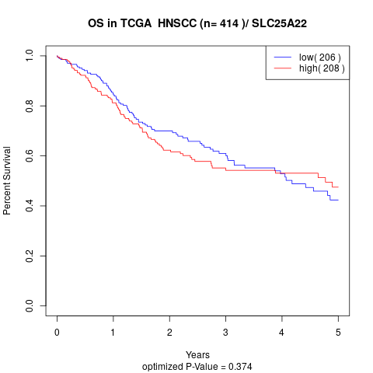

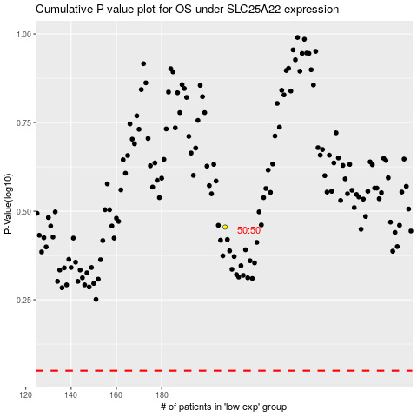

 |  |  |  |  |  | cases_OS | p_OS | rank | exp
 |  |  |  |  |  |  | cases_RFS | p_RFS | rank | exp

