SLC25A23 _multivariate
Reported by Tex Li-Hsing Chi. tex@gate.sinica.edu.tw 2019-08-16

Table 2. The clinicopathological features of HNSCC cohort and SLC25A23 expression. (Chi square test)
Cutoff at -0.078 (68.4%)
 |  | SLC25A23 expression |  | SLC25A23 expression |  | (Optimised)
 | Features | Low | (%) | High | (%) | Case no | P-value | Remark | Matthews
Gender | Female | 198 | 47.7 | 108 | 26 | 415 | 0.0089 | 1 | 0
2 | Male | 86 | 20.7 | 23 | 5.5
Age at diagnosis | <=65y | 179 | 43.1 | 95 | 22.9 | 415 | 0.0741 | 0 | 0
4 | >65y | 105 | 25.3 | 36 | 8.7
Clinical T Status | T1+T2 | 103 | 24.8 | 46 | 11.1 | 415 | 0.9065 | 0 | 0
6 | T3+T4 | 181 | 43.6 | 85 | 20.5
Clinical N Status | N0 | 152 | 36.6 | 64 | 15.4 | 415 | 0.4362 | 0 | 0
8 | N1-3 | 132 | 31.8 | 67 | 16.1
Clinical M Status | M0 | 282 | 68 | 130 | 31.3 | 415 | 1 | 0 | 0
10 | M1 | 2 | 0.5 | 1 | 0.2
Clinical Stage | Stage I+II | 79 | 19 | 23 | 5.5 | 415 | 0.0329 | 1 | 0
12 | Stage III+IV | 205 | 49.4 | 108 | 26
Surgical Margin status | Negative | 218 | 52.5 | 100 | 24.1 | 415 | 1 | 0 | 0
14 | Positive | 66 | 15.9 | 31 | 7.5
Tobacco Exposure | Low | 120 | 28.9 | 41 | 9.9 | 415 | 0.0394 | 1 | 0
16 | High | 164 | 39.5 | 90 | 21.7

Table 3. Univariate/Multivariate Cox's proportional hazards regression analyses on OS time of SLC25A23 gene expression in HNSCC

 |  | Univariate |  |  |  | Multivariate
 | Features | HR | CI95%(L) | CI95%(H) | P-value | HR | CI95%(L) | CI95%(H) | P-value
1 | Female | 1 |  |  |  | 1
Gender | Male | 1.157 | 0.843 | 1.587 | 0.367 | 1.129 | 0.806 | 1.58 | 0.481
11 | <=65y | 1 |  |  |  | 1
Age at diagnosis | >65y | 1.329 | 0.99 | 1.784 | 0.058 | 1.372 | 1.009 | 1.867 | 0.044
12 | T1+T2 | 1 |  |  |  | 1
Clinical T Status | T3+T4 | 1.409 | 1.028 | 1.931 | 0.033 | 2.041 | 1.076 | 3.873 | 0.029
13 | N0 | 1 |  |  |  | 1
Clinical N Status | N1-3 | 1.185 | 0.89 | 1.577 | 0.246 | 1.238 | 0.868 | 1.767 | 0.239
14 | M0 | 1 |  |  |  | 1
Clinical M Status | M1 | 4.097 | 1.009 | 16.644 | 0.049 | 8.831 | 1.925 | 40.52 | 0.005
15 | Stage I+II | 1 |  |  |  | 1
Clinical Stage | Stage III+IV | 1.245 | 0.882 | 1.759 | 0.213 | 0.58 | 0.268 | 1.252 | 0.165
16 | Negative | 1 |  |  |  | 1
Surgical Margin status | Positive | 1.591 | 1.155 | 2.191 | 0.004 | 1.657 | 1.199 | 2.29 | 0.002
17 | Low | 1 |  |  |  | 1
Tobacco Exposure | High | 1.364 | 1.008 | 1.844 | 0.044 | 1.473 | 1.069 | 2.029 | 0.018
18 | Low | 1 |  |  |  | 1
RNAseq(z-score) | High | 0.621 | 0.449 | 0.859 | 0.004 | 0.62 | 0.445 | 0.864 | 0.005

Table 4. Univariate/Multivariate Cox's proportional hazards regression analyses on RFS time of SLC25A23 gene expression in HNSCC

 |  | Univariate |  |  |  | Multivariate
 | Features | HR | CI95%(L) | CI95%(H) | P-value | HR | CI95%(L) | CI95%(H) | P-value
1 | Female | 1 |  |  |  | 1
Gender | Male | 1.157 | 0.843 | 1.587 | 0.367 | 1.129 | 0.806 | 1.58 | 0.481
11 | <=65y | 1 |  |  |  | 1
Age at diagnosis | >65y | 1.329 | 0.99 | 1.784 | 0.058 | 1.372 | 1.009 | 1.867 | 0.044
12 | T1+T2 | 1 |  |  |  | 1
Clinical T Status | T3+T4 | 1.409 | 1.028 | 1.931 | 0.033 | 2.041 | 1.076 | 3.873 | 0.029
13 | N0 | 1 |  |  |  | 1
Clinical N Status | N1-3 | 1.185 | 0.89 | 1.577 | 0.246 | 1.238 | 0.868 | 1.767 | 0.239
14 | M0 | 1 |  |  |  | 1
Clinical M Status | M1 | 4.097 | 1.009 | 16.644 | 0.049 | 8.831 | 1.925 | 40.52 | 0.005
15 | Stage I+II | 1 |  |  |  | 1
Clinical Stage | Stage III+IV | 1.245 | 0.882 | 1.759 | 0.213 | 0.58 | 0.268 | 1.252 | 0.165
16 | Negative | 1 |  |  |  | 1
Surgical Margin status | Positive | 1.591 | 1.155 | 2.191 | 0.004 | 1.657 | 1.199 | 2.29 | 0.002
17 | Low | 1 |  |  |  | 1
Tobacco Exposure | High | 1.364 | 1.008 | 1.844 | 0.044 | 1.473 | 1.069 | 2.029 | 0.018
18 | Low | 1 |  |  |  | 1
RNAseq(z-score) | High | 0.621 | 0.449 | 0.859 | 0.004 | 0.62 | 0.445 | 0.864 | 0.005

Kaplan-Meier survival estimate: Cutoff at -0.078 (68.4%)

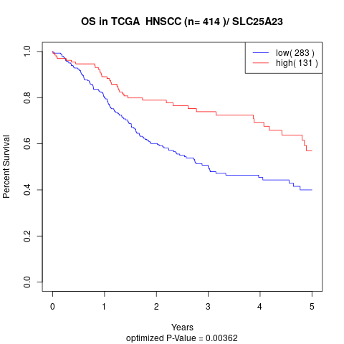

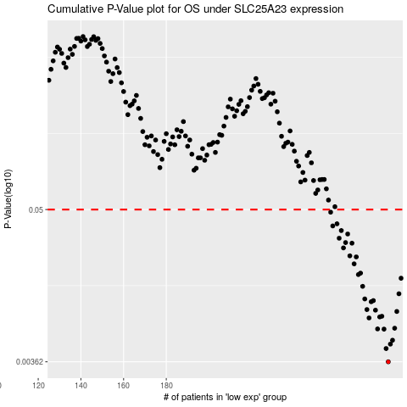

 |  |  |  |  |  | cases_OS | p_OS | rank | exp
 |  |  |  |  |  | 284 | 0.00362 | 73 | -0.078297800835
 |  |  |  |  |  | 283 | 0.00455 | 244 | -0.078657618256
 |  |  |  |  |  | 285 | 0.00491 | 197 | -0.077682471043
 |  |  |  |  |  | 286 | 0.00525 | 314 | -0.07247150625
 |  |  |  |  |  | 282 | 0.00636 | 263 | -0.081227792693
 |  |  |  |  |  | 279 | 0.00638 | 17 | -0.088222618853
 |  |  |  |  |  | 287 | 0.00646 | 166 | -0.070714246171
 |  |  |  |  |  | 275 | 0.00771 | 301 | -0.11016491871
 |  |  |  |  |  | 280 | 0.00785 | 306 | -0.086139930518
 |  |  |  |  |  | 281 | 0.00794 | 251 | -0.08268675083
 |  |  |  |  |  | 288 | 0.00862 | 45 | -0.067937736744
 |  |  |  |  |  | 278 | 0.00882 | 65 | -0.10495010373
 |  |  |  |  |  | 274 | 0.00891 | 211 | -0.11090686713
 |  |  |  |  |  | 276 | 0.0102 | 345 | -0.10954827635
 |  |  |  |  |  | 277 | 0.0104 | 240 | -0.10753524139
 |  |  |  |  |  | 273 | 0.0107 | 142 | -0.1147129514
 |  |  |  |  |  | 289 | 0.0117 | 40 | -0.065760543833
 |  |  |  |  |  | 272 | 0.0133 | 87 | -0.11854064923
 |  |  |  |  |  | 290 | 0.0153 | 348 | -0.065660701499
 |  |  |  |  |  | 270 | 0.0163 | 28 | -0.13086737103
 |  |  |  |  |  | 271 | 0.0167 | 76 | -0.12419403544
 |  |  |  |  |  | 268 | 0.0196 | 312 | -0.13664177561
 |  |  |  |  |  | 269 | 0.0221 | 326 | -0.13165377161
 |  |  |  |  |  | 266 | 0.0225 | 126 | -0.1523843128
 |  |  |  |  |  | 263 | 0.0258 | 22 | -0.15783845186
 |  |  |  |  |  | 267 | 0.028 | 287 | -0.13762961093
 |  |  |  |  |  | 264 | 0.0283 | 320 | -0.1567218103
 |  |  |  |  |  | 261 | 0.0305 | 354 | -0.16888341161
 |  |  |  |  |  | 265 | 0.0328 | 297 | -0.15626031295
 |  |  |  |  |  | 262 | 0.0348 | 221 | -0.16352508968
 |  |  |  |  |  | 258 | 0.0377 | 403 | -0.20615942886
 |  |  |  |  |  | 260 | 0.0391 | 181 | -0.1917723323
 |  |  |  |  |  | 257 | 0.0478 | 325 | -0.21272872192
 |  |  |  |  |  |  | cases_RFS | p_RFS | rank | exp
 |  |  |  |  |  |  | 283 | 0.00362 | 244 | -0.078657618256
 |  |  |  |  |  |  | 282 | 0.00455 | 263 | -0.081227792693
 |  |  |  |  |  |  | 284 | 0.00491 | 73 | -0.078297800835
 |  |  |  |  |  |  | 285 | 0.00525 | 197 | -0.077682471043
 |  |  |  |  |  |  | 281 | 0.00636 | 251 | -0.08268675083
 |  |  |  |  |  |  | 278 | 0.00638 | 65 | -0.10495010373
 |  |  |  |  |  |  | 286 | 0.00646 | 314 | -0.07247150625
 |  |  |  |  |  |  | 274 | 0.00771 | 211 | -0.11090686713
 |  |  |  |  |  |  | 279 | 0.00785 | 17 | -0.088222618853
 |  |  |  |  |  |  | 280 | 0.00794 | 306 | -0.086139930518
 |  |  |  |  |  |  | 287 | 0.00862 | 166 | -0.070714246171
 |  |  |  |  |  |  | 277 | 0.00882 | 240 | -0.10753524139
 |  |  |  |  |  |  | 273 | 0.00891 | 142 | -0.1147129514
 |  |  |  |  |  |  | 275 | 0.0102 | 301 | -0.11016491871
 |  |  |  |  |  |  | 276 | 0.0104 | 345 | -0.10954827635
 |  |  |  |  |  |  | 272 | 0.0107 | 87 | -0.11854064923
 |  |  |  |  |  |  | 288 | 0.0117 | 45 | -0.067937736744
 |  |  |  |  |  |  | 271 | 0.0133 | 76 | -0.12419403544
 |  |  |  |  |  |  | 289 | 0.0153 | 40 | -0.065760543833
 |  |  |  |  |  |  | 269 | 0.0163 | 326 | -0.13165377161
 |  |  |  |  |  |  | 270 | 0.0167 | 28 | -0.13086737103
 |  |  |  |  |  |  | 267 | 0.0196 | 287 | -0.13762961093
 |  |  |  |  |  |  | 268 | 0.0221 | 312 | -0.13664177561
 |  |  |  |  |  |  | 265 | 0.0225 | 297 | -0.15626031295
 |  |  |  |  |  |  | 262 | 0.0258 | 221 | -0.16352508968
 |  |  |  |  |  |  | 266 | 0.028 | 126 | -0.1523843128
 |  |  |  |  |  |  | 263 | 0.0283 | 22 | -0.15783845186
 |  |  |  |  |  |  | 260 | 0.0305 | 181 | -0.1917723323
 |  |  |  |  |  |  | 264 | 0.0328 | 320 | -0.1567218103
 |  |  |  |  |  |  | 261 | 0.0348 | 354 | -0.16888341161
 |  |  |  |  |  |  | 257 | 0.0377 | 325 | -0.21272872192
 |  |  |  |  |  |  | 259 | 0.0391 | 204 | -0.19894619213
 |  |  |  |  |  |  | 256 | 0.0478 | 202 | -0.21761504599

