SLC25A25 _multivariate
Reported by Tex Li-Hsing Chi. tex@gate.sinica.edu.tw 2019-08-16

Table 2. The clinicopathological features of HNSCC cohort and SLC25A25 expression. (Chi square test)
Cutoff at -0.336 (50.0%)
 |  | SLC25A25 expression |  | SLC25A25 expression |  | (Optimised)
 | Features | Low | (%) | High | (%) | Case no | P-value | Remark | Matthews
Gender | Female | 143 | 34.5 | 163 | 39.3 | 415 | 0.0416 | 1 | 0
2 | Male | 64 | 15.4 | 45 | 10.8
Age at diagnosis | <=65y | 134 | 32.3 | 140 | 33.7 | 415 | 0.6529 | 0 | 0
4 | >65y | 73 | 17.6 | 68 | 16.4
Clinical T Status | T1+T2 | 77 | 18.6 | 72 | 17.3 | 415 | 0.6556 | 0 | 0
6 | T3+T4 | 130 | 31.3 | 136 | 32.8
Clinical N Status | N0 | 107 | 25.8 | 109 | 26.3 | 415 | 0.9624 | 0 | 0
8 | N1-3 | 100 | 24.1 | 99 | 23.9
Clinical M Status | M0 | 205 | 49.4 | 207 | 49.9 | 415 | 0.6232 | 0 | 0
10 | M1 | 2 | 0.5 | 1 | 0.2
Clinical Stage | Stage I+II | 59 | 14.2 | 43 | 10.4 | 415 | 0.0822 | 0 | 0
12 | Stage III+IV | 148 | 35.7 | 165 | 39.8
Surgical Margin status | Negative | 164 | 39.5 | 154 | 37.1 | 415 | 0.2462 | 0 | 0
14 | Positive | 43 | 10.4 | 54 | 13
Tobacco Exposure | Low | 99 | 23.9 | 62 | 14.9 | 415 | 2e-04 | 1 | 0
16 | High | 108 | 26 | 146 | 35.2

Table 3. Univariate/Multivariate Cox's proportional hazards regression analyses on OS time of SLC25A25 gene expression in HNSCC

 |  | Univariate |  |  |  | Multivariate
 | Features | HR | CI95%(L) | CI95%(H) | P-value | HR | CI95%(L) | CI95%(H) | P-value
1 | Female | 1 |  |  |  | 1
Gender | Male | 1.157 | 0.843 | 1.587 | 0.367 | 1.196 | 0.857 | 1.671 | 0.293
11 | <=65y | 1 |  |  |  | 1
Age at diagnosis | >65y | 1.329 | 0.99 | 1.784 | 0.058 | 1.403 | 1.031 | 1.91 | 0.031
12 | T1+T2 | 1 |  |  |  | 1
Clinical T Status | T3+T4 | 1.409 | 1.028 | 1.931 | 0.033 | 2.166 | 1.143 | 4.105 | 0.018
13 | N0 | 1 |  |  |  | 1
Clinical N Status | N1-3 | 1.185 | 0.89 | 1.577 | 0.246 | 1.226 | 0.858 | 1.753 | 0.263
14 | M0 | 1 |  |  |  | 1
Clinical M Status | M1 | 4.097 | 1.009 | 16.644 | 0.049 | 9.055 | 1.966 | 41.712 | 0.005
15 | Stage I+II | 1 |  |  |  | 1
Clinical Stage | Stage III+IV | 1.245 | 0.882 | 1.759 | 0.213 | 0.521 | 0.241 | 1.125 | 0.097
16 | Negative | 1 |  |  |  | 1
Surgical Margin status | Positive | 1.591 | 1.155 | 2.191 | 0.004 | 1.686 | 1.219 | 2.332 | 0.002
17 | Low | 1 |  |  |  | 1
Tobacco Exposure | High | 1.364 | 1.008 | 1.844 | 0.044 | 1.477 | 1.067 | 2.042 | 0.019
18 | Low | 1 |  |  |  | 1
RNAseq(z-score) | High | 0.971 | 0.729 | 1.292 | 0.838 | 0.911 | 0.677 | 1.226 | 0.539

Table 4. Univariate/Multivariate Cox's proportional hazards regression analyses on RFS time of SLC25A25 gene expression in HNSCC

 |  | Univariate |  |  |  | Multivariate
 | Features | HR | CI95%(L) | CI95%(H) | P-value | HR | CI95%(L) | CI95%(H) | P-value
1 | Female | 1 |  |  |  | 1
Gender | Male | 1.157 | 0.843 | 1.587 | 0.367 | 1.196 | 0.857 | 1.671 | 0.293
11 | <=65y | 1 |  |  |  | 1
Age at diagnosis | >65y | 1.329 | 0.99 | 1.784 | 0.058 | 1.403 | 1.031 | 1.91 | 0.031
12 | T1+T2 | 1 |  |  |  | 1
Clinical T Status | T3+T4 | 1.409 | 1.028 | 1.931 | 0.033 | 2.166 | 1.143 | 4.105 | 0.018
13 | N0 | 1 |  |  |  | 1
Clinical N Status | N1-3 | 1.185 | 0.89 | 1.577 | 0.246 | 1.226 | 0.858 | 1.753 | 0.263
14 | M0 | 1 |  |  |  | 1
Clinical M Status | M1 | 4.097 | 1.009 | 16.644 | 0.049 | 9.055 | 1.966 | 41.712 | 0.005
15 | Stage I+II | 1 |  |  |  | 1
Clinical Stage | Stage III+IV | 1.245 | 0.882 | 1.759 | 0.213 | 0.521 | 0.241 | 1.125 | 0.097
16 | Negative | 1 |  |  |  | 1
Surgical Margin status | Positive | 1.591 | 1.155 | 2.191 | 0.004 | 1.686 | 1.219 | 2.332 | 0.002
17 | Low | 1 |  |  |  | 1
Tobacco Exposure | High | 1.364 | 1.008 | 1.844 | 0.044 | 1.477 | 1.067 | 2.042 | 0.019
18 | Low | 1 |  |  |  | 1
RNAseq(z-score) | High | 0.971 | 0.729 | 1.292 | 0.838 | 0.911 | 0.677 | 1.226 | 0.539

Kaplan-Meier survival estimate: Cutoff at -0.336 (50.0%)



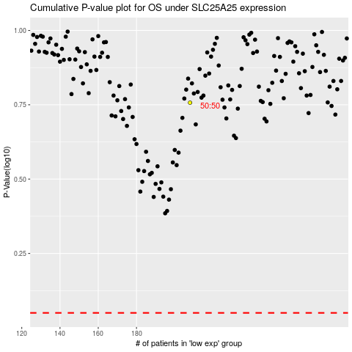

 |  |  |  |  |  | cases_OS | p_OS | rank | exp
 |  |  |  |  |  |  | cases_RFS | p_RFS | rank | exp

