SLC25A27 _multivariate
Reported by Tex Li-Hsing Chi. tex@gate.sinica.edu.tw 2019-08-16

Table 2. The clinicopathological features of HNSCC cohort and SLC25A27 expression. (Chi square test)
Cutoff at -0.37 (49.8%)
 |  | SLC25A27 expression |  | SLC25A27 expression |  | (Optimised)
 | Features | Low | (%) | High | (%) | Case no | P-value | Remark | Matthews
Gender | Female | 150 | 36.1 | 156 | 37.6 | 415 | 0.6344 | 0 | 0
2 | Male | 57 | 13.7 | 52 | 12.5
Age at diagnosis | <=65y | 137 | 33 | 137 | 33 | 415 | 1 | 0 | 0
4 | >65y | 70 | 16.9 | 71 | 17.1
Clinical T Status | T1+T2 | 62 | 14.9 | 87 | 21 | 415 | 0.0156 | 1 | 0
6 | T3+T4 | 145 | 34.9 | 121 | 29.2
Clinical N Status | N0 | 97 | 23.4 | 119 | 28.7 | 415 | 0.0442 | 1 | 0
8 | N1-3 | 110 | 26.5 | 89 | 21.4
Clinical M Status | M0 | 206 | 49.6 | 206 | 49.6 | 415 | 1 | 0 | 0
10 | M1 | 1 | 0.2 | 2 | 0.5
Clinical Stage | Stage I+II | 39 | 9.4 | 63 | 15.2 | 415 | 0.0095 | 1 | 0
12 | Stage III+IV | 168 | 40.5 | 145 | 34.9
Surgical Margin status | Negative | 162 | 39 | 156 | 37.6 | 415 | 0.4867 | 0 | 0
14 | Positive | 45 | 10.8 | 52 | 12.5
Tobacco Exposure | Low | 75 | 18.1 | 86 | 20.7 | 415 | 0.3141 | 0 | 0
16 | High | 132 | 31.8 | 122 | 29.4

Table 3. Univariate/Multivariate Cox's proportional hazards regression analyses on OS time of SLC25A27 gene expression in HNSCC

 |  | Univariate |  |  |  | Multivariate
 | Features | HR | CI95%(L) | CI95%(H) | P-value | HR | CI95%(L) | CI95%(H) | P-value
1 | Female | 1 |  |  |  | 1
Gender | Male | 1.157 | 0.843 | 1.587 | 0.367 | 1.185 | 0.848 | 1.655 | 0.321
11 | <=65y | 1 |  |  |  | 1
Age at diagnosis | >65y | 1.329 | 0.99 | 1.784 | 0.058 | 1.406 | 1.034 | 1.911 | 0.03
12 | T1+T2 | 1 |  |  |  | 1
Clinical T Status | T3+T4 | 1.409 | 1.028 | 1.931 | 0.033 | 2.186 | 1.157 | 4.131 | 0.016
13 | N0 | 1 |  |  |  | 1
Clinical N Status | N1-3 | 1.185 | 0.89 | 1.577 | 0.246 | 1.234 | 0.865 | 1.761 | 0.246
14 | M0 | 1 |  |  |  | 1
Clinical M Status | M1 | 4.097 | 1.009 | 16.644 | 0.049 | 9.625 | 2.098 | 44.151 | 0.004
15 | Stage I+II | 1 |  |  |  | 1
Clinical Stage | Stage III+IV | 1.245 | 0.882 | 1.759 | 0.213 | 0.489 | 0.227 | 1.05 | 0.066
16 | Negative | 1 |  |  |  | 1
Surgical Margin status | Positive | 1.591 | 1.155 | 2.191 | 0.004 | 1.715 | 1.238 | 2.374 | 0.001
17 | Low | 1 |  |  |  | 1
Tobacco Exposure | High | 1.364 | 1.008 | 1.844 | 0.044 | 1.475 | 1.069 | 2.035 | 0.018
18 | Low | 1 |  |  |  | 1
RNAseq(z-score) | High | 0.823 | 0.617 | 1.098 | 0.185 | 0.811 | 0.604 | 1.088 | 0.162

Table 4. Univariate/Multivariate Cox's proportional hazards regression analyses on RFS time of SLC25A27 gene expression in HNSCC

 |  | Univariate |  |  |  | Multivariate
 | Features | HR | CI95%(L) | CI95%(H) | P-value | HR | CI95%(L) | CI95%(H) | P-value
1 | Female | 1 |  |  |  | 1
Gender | Male | 1.157 | 0.843 | 1.587 | 0.367 | 1.185 | 0.848 | 1.655 | 0.321
11 | <=65y | 1 |  |  |  | 1
Age at diagnosis | >65y | 1.329 | 0.99 | 1.784 | 0.058 | 1.406 | 1.034 | 1.911 | 0.03
12 | T1+T2 | 1 |  |  |  | 1
Clinical T Status | T3+T4 | 1.409 | 1.028 | 1.931 | 0.033 | 2.186 | 1.157 | 4.131 | 0.016
13 | N0 | 1 |  |  |  | 1
Clinical N Status | N1-3 | 1.185 | 0.89 | 1.577 | 0.246 | 1.234 | 0.865 | 1.761 | 0.246
14 | M0 | 1 |  |  |  | 1
Clinical M Status | M1 | 4.097 | 1.009 | 16.644 | 0.049 | 9.625 | 2.098 | 44.151 | 0.004
15 | Stage I+II | 1 |  |  |  | 1
Clinical Stage | Stage III+IV | 1.245 | 0.882 | 1.759 | 0.213 | 0.489 | 0.227 | 1.05 | 0.066
16 | Negative | 1 |  |  |  | 1
Surgical Margin status | Positive | 1.591 | 1.155 | 2.191 | 0.004 | 1.715 | 1.238 | 2.374 | 0.001
17 | Low | 1 |  |  |  | 1
Tobacco Exposure | High | 1.364 | 1.008 | 1.844 | 0.044 | 1.475 | 1.069 | 2.035 | 0.018
18 | Low | 1 |  |  |  | 1
RNAseq(z-score) | High | 0.823 | 0.617 | 1.098 | 0.185 | 0.811 | 0.604 | 1.088 | 0.162

Kaplan-Meier survival estimate: Cutoff at -0.37 (49.8%)



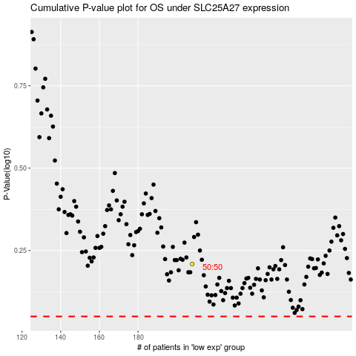

 |  |  |  |  |  | cases_OS | p_OS | rank | exp
 |  |  |  |  |  |  | cases_RFS | p_RFS | rank | exp

