SLC25A28 _multivariate
Reported by Tex Li-Hsing Chi. tex@gate.sinica.edu.tw 2019-08-16

Table 2. The clinicopathological features of HNSCC cohort and SLC25A28 expression. (Chi square test)
Cutoff at -0.207 (50.0%)
 |  | SLC25A28 expression |  | SLC25A28 expression |  | (Optimised)
 | Features | Low | (%) | High | (%) | Case no | P-value | Remark | Matthews
Gender | Female | 158 | 38.1 | 148 | 35.7 | 415 | 0.2774 | 0 | 0
2 | Male | 49 | 11.8 | 60 | 14.5
Age at diagnosis | <=65y | 135 | 32.5 | 139 | 33.5 | 415 | 0.8084 | 0 | 0
4 | >65y | 72 | 17.3 | 69 | 16.6
Clinical T Status | T1+T2 | 70 | 16.9 | 79 | 19 | 415 | 0.4343 | 0 | 0
6 | T3+T4 | 137 | 33 | 129 | 31.1
Clinical N Status | N0 | 106 | 25.5 | 110 | 26.5 | 415 | 0.8075 | 0 | 0
8 | N1-3 | 101 | 24.3 | 98 | 23.6
Clinical M Status | M0 | 207 | 49.9 | 205 | 49.4 | 415 | 0.2482 | 0 | 0
10 | M1 | 0 | 0 | 3 | 0.7
Clinical Stage | Stage I+II | 48 | 11.6 | 54 | 13 | 415 | 0.5878 | 0 | 0
12 | Stage III+IV | 159 | 38.3 | 154 | 37.1
Surgical Margin status | Negative | 163 | 39.3 | 155 | 37.3 | 415 | 0.3537 | 0 | 0
14 | Positive | 44 | 10.6 | 53 | 12.8
Tobacco Exposure | Low | 71 | 17.1 | 90 | 21.7 | 415 | 0.0698 | 0 | 0
16 | High | 136 | 32.8 | 118 | 28.4

Table 3. Univariate/Multivariate Cox's proportional hazards regression analyses on OS time of SLC25A28 gene expression in HNSCC

 |  | Univariate |  |  |  | Multivariate
 | Features | HR | CI95%(L) | CI95%(H) | P-value | HR | CI95%(L) | CI95%(H) | P-value
1 | Female | 1 |  |  |  | 1
Gender | Male | 1.157 | 0.843 | 1.587 | 0.367 | 1.221 | 0.873 | 1.706 | 0.243
11 | <=65y | 1 |  |  |  | 1
Age at diagnosis | >65y | 1.329 | 0.99 | 1.784 | 0.058 | 1.378 | 1.014 | 1.873 | 0.04
12 | T1+T2 | 1 |  |  |  | 1
Clinical T Status | T3+T4 | 1.409 | 1.028 | 1.931 | 0.033 | 2.205 | 1.167 | 4.166 | 0.015
13 | N0 | 1 |  |  |  | 1
Clinical N Status | N1-3 | 1.185 | 0.89 | 1.577 | 0.246 | 1.242 | 0.87 | 1.772 | 0.232
14 | M0 | 1 |  |  |  | 1
Clinical M Status | M1 | 4.097 | 1.009 | 16.644 | 0.049 | 10.22 | 2.209 | 47.279 | 0.003
15 | Stage I+II | 1 |  |  |  | 1
Clinical Stage | Stage III+IV | 1.245 | 0.882 | 1.759 | 0.213 | 0.501 | 0.233 | 1.075 | 0.076
16 | Negative | 1 |  |  |  | 1
Surgical Margin status | Positive | 1.591 | 1.155 | 2.191 | 0.004 | 1.694 | 1.225 | 2.342 | 0.001
17 | Low | 1 |  |  |  | 1
Tobacco Exposure | High | 1.364 | 1.008 | 1.844 | 0.044 | 1.44 | 1.046 | 1.983 | 0.026
18 | Low | 1 |  |  |  | 1
RNAseq(z-score) | High | 0.901 | 0.676 | 1.201 | 0.478 | 0.862 | 0.643 | 1.157 | 0.323

Table 4. Univariate/Multivariate Cox's proportional hazards regression analyses on RFS time of SLC25A28 gene expression in HNSCC

 |  | Univariate |  |  |  | Multivariate
 | Features | HR | CI95%(L) | CI95%(H) | P-value | HR | CI95%(L) | CI95%(H) | P-value
1 | Female | 1 |  |  |  | 1
Gender | Male | 1.157 | 0.843 | 1.587 | 0.367 | 1.221 | 0.873 | 1.706 | 0.243
11 | <=65y | 1 |  |  |  | 1
Age at diagnosis | >65y | 1.329 | 0.99 | 1.784 | 0.058 | 1.378 | 1.014 | 1.873 | 0.04
12 | T1+T2 | 1 |  |  |  | 1
Clinical T Status | T3+T4 | 1.409 | 1.028 | 1.931 | 0.033 | 2.205 | 1.167 | 4.166 | 0.015
13 | N0 | 1 |  |  |  | 1
Clinical N Status | N1-3 | 1.185 | 0.89 | 1.577 | 0.246 | 1.242 | 0.87 | 1.772 | 0.232
14 | M0 | 1 |  |  |  | 1
Clinical M Status | M1 | 4.097 | 1.009 | 16.644 | 0.049 | 10.22 | 2.209 | 47.279 | 0.003
15 | Stage I+II | 1 |  |  |  | 1
Clinical Stage | Stage III+IV | 1.245 | 0.882 | 1.759 | 0.213 | 0.501 | 0.233 | 1.075 | 0.076
16 | Negative | 1 |  |  |  | 1
Surgical Margin status | Positive | 1.591 | 1.155 | 2.191 | 0.004 | 1.694 | 1.225 | 2.342 | 0.001
17 | Low | 1 |  |  |  | 1
Tobacco Exposure | High | 1.364 | 1.008 | 1.844 | 0.044 | 1.44 | 1.046 | 1.983 | 0.026
18 | Low | 1 |  |  |  | 1
RNAseq(z-score) | High | 0.901 | 0.676 | 1.201 | 0.478 | 0.862 | 0.643 | 1.157 | 0.323

Kaplan-Meier survival estimate: Cutoff at -0.207 (50.0%)



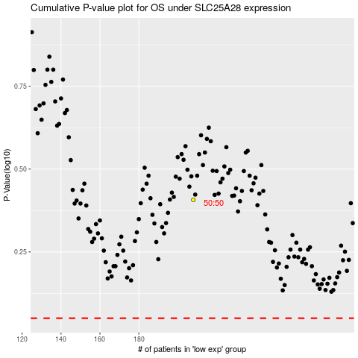

 |  |  |  |  |  | cases_OS | p_OS | rank | exp
 |  |  |  |  |  |  | cases_RFS | p_RFS | rank | exp

