SLC25A3 _multivariate
Reported by Tex Li-Hsing Chi. tex@gate.sinica.edu.tw 2019-08-16

Table 2. The clinicopathological features of HNSCC cohort and SLC25A3 expression. (Chi square test)
Cutoff at -0.32 (50.0%)
 |  | SLC25A3 expression |  | SLC25A3 expression |  | (Optimised)
 | Features | Low | (%) | High | (%) | Case no | P-value | Remark | Matthews
Gender | Female | 151 | 36.4 | 155 | 37.3 | 415 | 0.8007 | 0 | 0
2 | Male | 56 | 13.5 | 53 | 12.8
Age at diagnosis | <=65y | 135 | 32.5 | 139 | 33.5 | 415 | 0.8084 | 0 | 0
4 | >65y | 72 | 17.3 | 69 | 16.6
Clinical T Status | T1+T2 | 71 | 17.1 | 78 | 18.8 | 415 | 0.5638 | 0 | 0
6 | T3+T4 | 136 | 32.8 | 130 | 31.3
Clinical N Status | N0 | 107 | 25.8 | 109 | 26.3 | 415 | 0.9624 | 0 | 0
8 | N1-3 | 100 | 24.1 | 99 | 23.9
Clinical M Status | M0 | 207 | 49.9 | 205 | 49.4 | 415 | 0.2482 | 0 | 0
10 | M1 | 0 | 0 | 3 | 0.7
Clinical Stage | Stage I+II | 49 | 11.8 | 53 | 12.8 | 415 | 0.7535 | 0 | 0
12 | Stage III+IV | 158 | 38.1 | 155 | 37.3
Surgical Margin status | Negative | 167 | 40.2 | 151 | 36.4 | 415 | 0.0632 | 0 | 0
14 | Positive | 40 | 9.6 | 57 | 13.7
Tobacco Exposure | Low | 87 | 21 | 74 | 17.8 | 415 | 0.1911 | 0 | 0
16 | High | 120 | 28.9 | 134 | 32.3

Table 3. Univariate/Multivariate Cox's proportional hazards regression analyses on OS time of SLC25A3 gene expression in HNSCC

 |  | Univariate |  |  |  | Multivariate
 | Features | HR | CI95%(L) | CI95%(H) | P-value | HR | CI95%(L) | CI95%(H) | P-value
1 | Female | 1 |  |  |  | 1
Gender | Male | 1.157 | 0.843 | 1.587 | 0.367 | 1.2 | 0.86 | 1.677 | 0.284
11 | <=65y | 1 |  |  |  | 1
Age at diagnosis | >65y | 1.329 | 0.99 | 1.784 | 0.058 | 1.398 | 1.027 | 1.902 | 0.033
12 | T1+T2 | 1 |  |  |  | 1
Clinical T Status | T3+T4 | 1.409 | 1.028 | 1.931 | 0.033 | 2.208 | 1.167 | 4.177 | 0.015
13 | N0 | 1 |  |  |  | 1
Clinical N Status | N1-3 | 1.185 | 0.89 | 1.577 | 0.246 | 1.244 | 0.872 | 1.776 | 0.229
14 | M0 | 1 |  |  |  | 1
Clinical M Status | M1 | 4.097 | 1.009 | 16.644 | 0.049 | 9.701 | 2.099 | 44.848 | 0.004
15 | Stage I+II | 1 |  |  |  | 1
Clinical Stage | Stage III+IV | 1.245 | 0.882 | 1.759 | 0.213 | 0.503 | 0.234 | 1.08 | 0.078
16 | Negative | 1 |  |  |  | 1
Surgical Margin status | Positive | 1.591 | 1.155 | 2.191 | 0.004 | 1.682 | 1.215 | 2.327 | 0.002
17 | Low | 1 |  |  |  | 1
Tobacco Exposure | High | 1.364 | 1.008 | 1.844 | 0.044 | 1.455 | 1.056 | 2.004 | 0.022
18 | Low | 1 |  |  |  | 1
RNAseq(z-score) | High | 1.034 | 0.775 | 1.379 | 0.821 | 0.944 | 0.705 | 1.266 | 0.702

Table 4. Univariate/Multivariate Cox's proportional hazards regression analyses on RFS time of SLC25A3 gene expression in HNSCC

 |  | Univariate |  |  |  | Multivariate
 | Features | HR | CI95%(L) | CI95%(H) | P-value | HR | CI95%(L) | CI95%(H) | P-value
1 | Female | 1 |  |  |  | 1
Gender | Male | 1.157 | 0.843 | 1.587 | 0.367 | 1.2 | 0.86 | 1.677 | 0.284
11 | <=65y | 1 |  |  |  | 1
Age at diagnosis | >65y | 1.329 | 0.99 | 1.784 | 0.058 | 1.398 | 1.027 | 1.902 | 0.033
12 | T1+T2 | 1 |  |  |  | 1
Clinical T Status | T3+T4 | 1.409 | 1.028 | 1.931 | 0.033 | 2.208 | 1.167 | 4.177 | 0.015
13 | N0 | 1 |  |  |  | 1
Clinical N Status | N1-3 | 1.185 | 0.89 | 1.577 | 0.246 | 1.244 | 0.872 | 1.776 | 0.229
14 | M0 | 1 |  |  |  | 1
Clinical M Status | M1 | 4.097 | 1.009 | 16.644 | 0.049 | 9.701 | 2.099 | 44.848 | 0.004
15 | Stage I+II | 1 |  |  |  | 1
Clinical Stage | Stage III+IV | 1.245 | 0.882 | 1.759 | 0.213 | 0.503 | 0.234 | 1.08 | 0.078
16 | Negative | 1 |  |  |  | 1
Surgical Margin status | Positive | 1.591 | 1.155 | 2.191 | 0.004 | 1.682 | 1.215 | 2.327 | 0.002
17 | Low | 1 |  |  |  | 1
Tobacco Exposure | High | 1.364 | 1.008 | 1.844 | 0.044 | 1.455 | 1.056 | 2.004 | 0.022
18 | Low | 1 |  |  |  | 1
RNAseq(z-score) | High | 1.034 | 0.775 | 1.379 | 0.821 | 0.944 | 0.705 | 1.266 | 0.702

Kaplan-Meier survival estimate: Cutoff at -0.32 (50.0%)



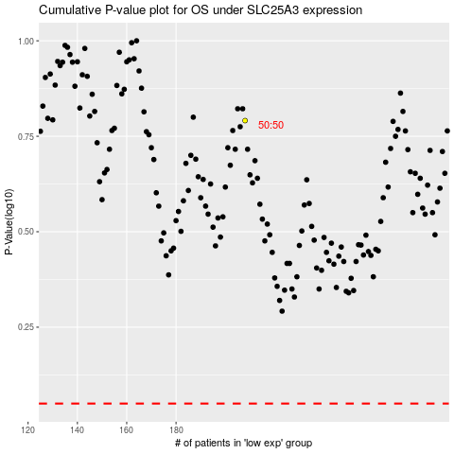

 |  |  |  |  |  | cases_OS | p_OS | rank | exp
 |  |  |  |  |  |  | cases_RFS | p_RFS | rank | exp

