SLC25A30 _multivariate
Reported by Tex Li-Hsing Chi. tex@gate.sinica.edu.tw 2019-08-16

Table 2. The clinicopathological features of HNSCC cohort and SLC25A30 expression. (Chi square test)
Cutoff at -0.149 (50.0%)
 |  | SLC25A30 expression |  | SLC25A30 expression |  | (Optimised)
 | Features | Low | (%) | High | (%) | Case no | P-value | Remark | Matthews
Gender | Female | 165 | 39.8 | 141 | 34 | 415 | 0.0081 | 1 | 0
2 | Male | 42 | 10.1 | 67 | 16.1
Age at diagnosis | <=65y | 139 | 33.5 | 135 | 32.5 | 415 | 0.7044 | 0 | 0
4 | >65y | 68 | 16.4 | 73 | 17.6
Clinical T Status | T1+T2 | 75 | 18.1 | 74 | 17.8 | 415 | 0.9707 | 0 | 0
6 | T3+T4 | 132 | 31.8 | 134 | 32.3
Clinical N Status | N0 | 107 | 25.8 | 109 | 26.3 | 415 | 0.9624 | 0 | 0
8 | N1-3 | 100 | 24.1 | 99 | 23.9
Clinical M Status | M0 | 204 | 49.2 | 208 | 50.1 | 415 | 0.1232 | 0 | 0
10 | M1 | 3 | 0.7 | 0 | 0
Clinical Stage | Stage I+II | 46 | 11.1 | 56 | 13.5 | 415 | 0.3182 | 0 | 0
12 | Stage III+IV | 161 | 38.8 | 152 | 36.6
Surgical Margin status | Negative | 157 | 37.8 | 161 | 38.8 | 415 | 0.729 | 0 | 0
14 | Positive | 50 | 12 | 47 | 11.3
Tobacco Exposure | Low | 74 | 17.8 | 87 | 21 | 415 | 0.227 | 0 | 0
16 | High | 133 | 32 | 121 | 29.2

Table 3. Univariate/Multivariate Cox's proportional hazards regression analyses on OS time of SLC25A30 gene expression in HNSCC

 |  | Univariate |  |  |  | Multivariate
 | Features | HR | CI95%(L) | CI95%(H) | P-value | HR | CI95%(L) | CI95%(H) | P-value
1 | Female | 1 |  |  |  | 1
Gender | Male | 1.157 | 0.843 | 1.587 | 0.367 | 1.176 | 0.839 | 1.648 | 0.347
11 | <=65y | 1 |  |  |  | 1
Age at diagnosis | >65y | 1.329 | 0.99 | 1.784 | 0.058 | 1.399 | 1.029 | 1.902 | 0.032
12 | T1+T2 | 1 |  |  |  | 1
Clinical T Status | T3+T4 | 1.409 | 1.028 | 1.931 | 0.033 | 2.181 | 1.154 | 4.124 | 0.016
13 | N0 | 1 |  |  |  | 1
Clinical N Status | N1-3 | 1.185 | 0.89 | 1.577 | 0.246 | 1.241 | 0.87 | 1.77 | 0.233
14 | M0 | 1 |  |  |  | 1
Clinical M Status | M1 | 4.097 | 1.009 | 16.644 | 0.049 | 9.928 | 2.156 | 45.712 | 0.003
15 | Stage I+II | 1 |  |  |  | 1
Clinical Stage | Stage III+IV | 1.245 | 0.882 | 1.759 | 0.213 | 0.52 | 0.242 | 1.12 | 0.095
16 | Negative | 1 |  |  |  | 1
Surgical Margin status | Positive | 1.591 | 1.155 | 2.191 | 0.004 | 1.678 | 1.215 | 2.319 | 0.002
17 | Low | 1 |  |  |  | 1
Tobacco Exposure | High | 1.364 | 1.008 | 1.844 | 0.044 | 1.47 | 1.066 | 2.028 | 0.019
18 | Low | 1 |  |  |  | 1
RNAseq(z-score) | High | 1.073 | 0.806 | 1.429 | 0.629 | 1.149 | 0.854 | 1.546 | 0.36

Table 4. Univariate/Multivariate Cox's proportional hazards regression analyses on RFS time of SLC25A30 gene expression in HNSCC

 |  | Univariate |  |  |  | Multivariate
 | Features | HR | CI95%(L) | CI95%(H) | P-value | HR | CI95%(L) | CI95%(H) | P-value
1 | Female | 1 |  |  |  | 1
Gender | Male | 1.157 | 0.843 | 1.587 | 0.367 | 1.176 | 0.839 | 1.648 | 0.347
11 | <=65y | 1 |  |  |  | 1
Age at diagnosis | >65y | 1.329 | 0.99 | 1.784 | 0.058 | 1.399 | 1.029 | 1.902 | 0.032
12 | T1+T2 | 1 |  |  |  | 1
Clinical T Status | T3+T4 | 1.409 | 1.028 | 1.931 | 0.033 | 2.181 | 1.154 | 4.124 | 0.016
13 | N0 | 1 |  |  |  | 1
Clinical N Status | N1-3 | 1.185 | 0.89 | 1.577 | 0.246 | 1.241 | 0.87 | 1.77 | 0.233
14 | M0 | 1 |  |  |  | 1
Clinical M Status | M1 | 4.097 | 1.009 | 16.644 | 0.049 | 9.928 | 2.156 | 45.712 | 0.003
15 | Stage I+II | 1 |  |  |  | 1
Clinical Stage | Stage III+IV | 1.245 | 0.882 | 1.759 | 0.213 | 0.52 | 0.242 | 1.12 | 0.095
16 | Negative | 1 |  |  |  | 1
Surgical Margin status | Positive | 1.591 | 1.155 | 2.191 | 0.004 | 1.678 | 1.215 | 2.319 | 0.002
17 | Low | 1 |  |  |  | 1
Tobacco Exposure | High | 1.364 | 1.008 | 1.844 | 0.044 | 1.47 | 1.066 | 2.028 | 0.019
18 | Low | 1 |  |  |  | 1
RNAseq(z-score) | High | 1.073 | 0.806 | 1.429 | 0.629 | 1.149 | 0.854 | 1.546 | 0.36

Kaplan-Meier survival estimate: Cutoff at -0.149 (50.0%)



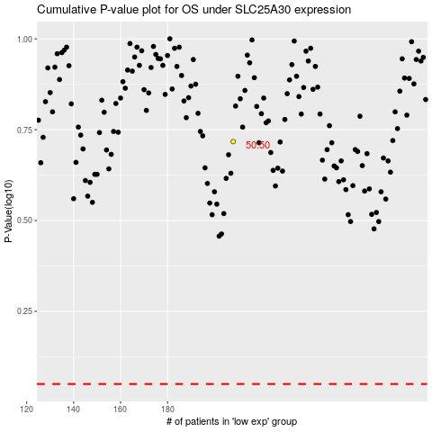

 |  |  |  |  |  | cases_OS | p_OS | rank | exp
 |  |  |  |  |  |  | cases_RFS | p_RFS | rank | exp

