SLC25A33 _multivariate
Reported by Tex Li-Hsing Chi. tex@gate.sinica.edu.tw 2019-08-16

Table 2. The clinicopathological features of HNSCC cohort and SLC25A33 expression. (Chi square test)
Cutoff at -0.32 (49.8%)
 |  | SLC25A33 expression |  | SLC25A33 expression |  | (Optimised)
 | Features | Low | (%) | High | (%) | Case no | P-value | Remark | Matthews
Gender | Female | 142 | 34.2 | 164 | 39.5 | 415 | 0.0238 | 1 | 0
2 | Male | 65 | 15.7 | 44 | 10.6
Age at diagnosis | <=65y | 136 | 32.8 | 138 | 33.3 | 415 | 0.9719 | 0 | 0
4 | >65y | 71 | 17.1 | 70 | 16.9
Clinical T Status | T1+T2 | 88 | 21.2 | 61 | 14.7 | 415 | 0.007 | 1 | 0
6 | T3+T4 | 119 | 28.7 | 147 | 35.4
Clinical N Status | N0 | 112 | 27 | 104 | 25.1 | 415 | 0.4599 | 0 | 0
8 | N1-3 | 95 | 22.9 | 104 | 25.1
Clinical M Status | M0 | 205 | 49.4 | 207 | 49.9 | 415 | 0.6232 | 0 | 0
10 | M1 | 2 | 0.5 | 1 | 0.2
Clinical Stage | Stage I+II | 66 | 15.9 | 36 | 8.7 | 415 | 9e-04 | 1 | 0
12 | Stage III+IV | 141 | 34 | 172 | 41.4
Surgical Margin status | Negative | 159 | 38.3 | 159 | 38.3 | 415 | 1 | 0 | 0
14 | Positive | 48 | 11.6 | 49 | 11.8
Tobacco Exposure | Low | 99 | 23.9 | 62 | 14.9 | 415 | 2e-04 | 1 | 0
16 | High | 108 | 26 | 146 | 35.2

Table 3. Univariate/Multivariate Cox's proportional hazards regression analyses on OS time of SLC25A33 gene expression in HNSCC

 |  | Univariate |  |  |  | Multivariate
 | Features | HR | CI95%(L) | CI95%(H) | P-value | HR | CI95%(L) | CI95%(H) | P-value
1 | Female | 1 |  |  |  | 1
Gender | Male | 1.157 | 0.843 | 1.587 | 0.367 | 1.185 | 0.847 | 1.658 | 0.321
11 | <=65y | 1 |  |  |  | 1
Age at diagnosis | >65y | 1.329 | 0.99 | 1.784 | 0.058 | 1.418 | 1.041 | 1.932 | 0.027
12 | T1+T2 | 1 |  |  |  | 1
Clinical T Status | T3+T4 | 1.409 | 1.028 | 1.931 | 0.033 | 2.218 | 1.172 | 4.194 | 0.014
13 | N0 | 1 |  |  |  | 1
Clinical N Status | N1-3 | 1.185 | 0.89 | 1.577 | 0.246 | 1.246 | 0.873 | 1.777 | 0.226
14 | M0 | 1 |  |  |  | 1
Clinical M Status | M1 | 4.097 | 1.009 | 16.644 | 0.049 | 9.213 | 2.009 | 42.258 | 0.004
15 | Stage I+II | 1 |  |  |  | 1
Clinical Stage | Stage III+IV | 1.245 | 0.882 | 1.759 | 0.213 | 0.52 | 0.242 | 1.12 | 0.095
16 | Negative | 1 |  |  |  | 1
Surgical Margin status | Positive | 1.591 | 1.155 | 2.191 | 0.004 | 1.669 | 1.208 | 2.306 | 0.002
17 | Low | 1 |  |  |  | 1
Tobacco Exposure | High | 1.364 | 1.008 | 1.844 | 0.044 | 1.49 | 1.077 | 2.062 | 0.016
18 | Low | 1 |  |  |  | 1
RNAseq(z-score) | High | 0.954 | 0.716 | 1.272 | 0.75 | 0.849 | 0.629 | 1.147 | 0.286

Table 4. Univariate/Multivariate Cox's proportional hazards regression analyses on RFS time of SLC25A33 gene expression in HNSCC

 |  | Univariate |  |  |  | Multivariate
 | Features | HR | CI95%(L) | CI95%(H) | P-value | HR | CI95%(L) | CI95%(H) | P-value
1 | Female | 1 |  |  |  | 1
Gender | Male | 1.157 | 0.843 | 1.587 | 0.367 | 1.185 | 0.847 | 1.658 | 0.321
11 | <=65y | 1 |  |  |  | 1
Age at diagnosis | >65y | 1.329 | 0.99 | 1.784 | 0.058 | 1.418 | 1.041 | 1.932 | 0.027
12 | T1+T2 | 1 |  |  |  | 1
Clinical T Status | T3+T4 | 1.409 | 1.028 | 1.931 | 0.033 | 2.218 | 1.172 | 4.194 | 0.014
13 | N0 | 1 |  |  |  | 1
Clinical N Status | N1-3 | 1.185 | 0.89 | 1.577 | 0.246 | 1.246 | 0.873 | 1.777 | 0.226
14 | M0 | 1 |  |  |  | 1
Clinical M Status | M1 | 4.097 | 1.009 | 16.644 | 0.049 | 9.213 | 2.009 | 42.258 | 0.004
15 | Stage I+II | 1 |  |  |  | 1
Clinical Stage | Stage III+IV | 1.245 | 0.882 | 1.759 | 0.213 | 0.52 | 0.242 | 1.12 | 0.095
16 | Negative | 1 |  |  |  | 1
Surgical Margin status | Positive | 1.591 | 1.155 | 2.191 | 0.004 | 1.669 | 1.208 | 2.306 | 0.002
17 | Low | 1 |  |  |  | 1
Tobacco Exposure | High | 1.364 | 1.008 | 1.844 | 0.044 | 1.49 | 1.077 | 2.062 | 0.016
18 | Low | 1 |  |  |  | 1
RNAseq(z-score) | High | 0.954 | 0.716 | 1.272 | 0.75 | 0.849 | 0.629 | 1.147 | 0.286

Kaplan-Meier survival estimate: Cutoff at -0.32 (49.8%)



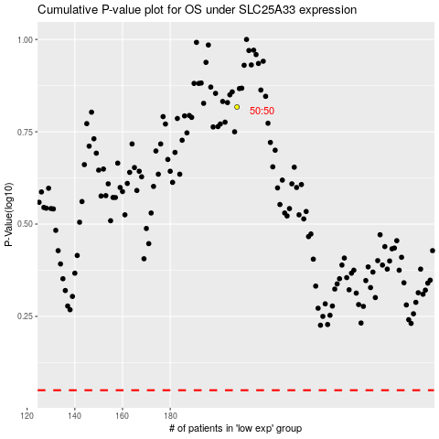

 |  |  |  |  |  | cases_OS | p_OS | rank | exp
 |  |  |  |  |  |  | cases_RFS | p_RFS | rank | exp

