SLC25A35 _multivariate
Reported by Tex Li-Hsing Chi. tex@gate.sinica.edu.tw 2019-08-16

Table 2. The clinicopathological features of HNSCC cohort and SLC25A35 expression. (Chi square test)
Cutoff at -0.26 (49.8%)
 |  | SLC25A35 expression |  | SLC25A35 expression |  | (Optimised)
 | Features | Low | (%) | High | (%) | Case no | P-value | Remark | Matthews
Gender | Female | 151 | 36.4 | 155 | 37.3 | 415 | 0.8007 | 0 | 0
2 | Male | 56 | 13.5 | 53 | 12.8
Age at diagnosis | <=65y | 143 | 34.5 | 131 | 31.6 | 415 | 0.2269 | 0 | 0
4 | >65y | 64 | 15.4 | 77 | 18.6
Clinical T Status | T1+T2 | 64 | 15.4 | 85 | 20.5 | 415 | 0.0445 | 1 | 0
6 | T3+T4 | 143 | 34.5 | 123 | 29.6
Clinical N Status | N0 | 101 | 24.3 | 115 | 27.7 | 415 | 0.2201 | 0 | 0
8 | N1-3 | 106 | 25.5 | 93 | 22.4
Clinical M Status | M0 | 206 | 49.6 | 206 | 49.6 | 415 | 1 | 0 | 0
10 | M1 | 1 | 0.2 | 2 | 0.5
Clinical Stage | Stage I+II | 47 | 11.3 | 55 | 13.3 | 415 | 0.4413 | 0 | 0
12 | Stage III+IV | 160 | 38.6 | 153 | 36.9
Surgical Margin status | Negative | 163 | 39.3 | 155 | 37.3 | 415 | 0.3537 | 0 | 0
14 | Positive | 44 | 10.6 | 53 | 12.8
Tobacco Exposure | Low | 66 | 15.9 | 95 | 22.9 | 415 | 0.0048 | 1 | 0
16 | High | 141 | 34 | 113 | 27.2

Table 3. Univariate/Multivariate Cox's proportional hazards regression analyses on OS time of SLC25A35 gene expression in HNSCC

 |  | Univariate |  |  |  | Multivariate
 | Features | HR | CI95%(L) | CI95%(H) | P-value | HR | CI95%(L) | CI95%(H) | P-value
1 | Female | 1 |  |  |  | 1
Gender | Male | 1.157 | 0.843 | 1.587 | 0.367 | 1.19 | 0.851 | 1.666 | 0.31
11 | <=65y | 1 |  |  |  | 1
Age at diagnosis | >65y | 1.329 | 0.99 | 1.784 | 0.058 | 1.393 | 1.025 | 1.893 | 0.034
12 | T1+T2 | 1 |  |  |  | 1
Clinical T Status | T3+T4 | 1.409 | 1.028 | 1.931 | 0.033 | 2.16 | 1.139 | 4.097 | 0.018
13 | N0 | 1 |  |  |  | 1
Clinical N Status | N1-3 | 1.185 | 0.89 | 1.577 | 0.246 | 1.222 | 0.854 | 1.749 | 0.273
14 | M0 | 1 |  |  |  | 1
Clinical M Status | M1 | 4.097 | 1.009 | 16.644 | 0.049 | 9.556 | 2.083 | 43.839 | 0.004
15 | Stage I+II | 1 |  |  |  | 1
Clinical Stage | Stage III+IV | 1.245 | 0.882 | 1.759 | 0.213 | 0.515 | 0.239 | 1.109 | 0.09
16 | Negative | 1 |  |  |  | 1
Surgical Margin status | Positive | 1.591 | 1.155 | 2.191 | 0.004 | 1.688 | 1.22 | 2.337 | 0.002
17 | Low | 1 |  |  |  | 1
Tobacco Exposure | High | 1.364 | 1.008 | 1.844 | 0.044 | 1.443 | 1.046 | 1.99 | 0.025
18 | Low | 1 |  |  |  | 1
RNAseq(z-score) | High | 0.874 | 0.656 | 1.164 | 0.357 | 0.913 | 0.68 | 1.227 | 0.548

Table 4. Univariate/Multivariate Cox's proportional hazards regression analyses on RFS time of SLC25A35 gene expression in HNSCC

 |  | Univariate |  |  |  | Multivariate
 | Features | HR | CI95%(L) | CI95%(H) | P-value | HR | CI95%(L) | CI95%(H) | P-value
1 | Female | 1 |  |  |  | 1
Gender | Male | 1.157 | 0.843 | 1.587 | 0.367 | 1.19 | 0.851 | 1.666 | 0.31
11 | <=65y | 1 |  |  |  | 1
Age at diagnosis | >65y | 1.329 | 0.99 | 1.784 | 0.058 | 1.393 | 1.025 | 1.893 | 0.034
12 | T1+T2 | 1 |  |  |  | 1
Clinical T Status | T3+T4 | 1.409 | 1.028 | 1.931 | 0.033 | 2.16 | 1.139 | 4.097 | 0.018
13 | N0 | 1 |  |  |  | 1
Clinical N Status | N1-3 | 1.185 | 0.89 | 1.577 | 0.246 | 1.222 | 0.854 | 1.749 | 0.273
14 | M0 | 1 |  |  |  | 1
Clinical M Status | M1 | 4.097 | 1.009 | 16.644 | 0.049 | 9.556 | 2.083 | 43.839 | 0.004
15 | Stage I+II | 1 |  |  |  | 1
Clinical Stage | Stage III+IV | 1.245 | 0.882 | 1.759 | 0.213 | 0.515 | 0.239 | 1.109 | 0.09
16 | Negative | 1 |  |  |  | 1
Surgical Margin status | Positive | 1.591 | 1.155 | 2.191 | 0.004 | 1.688 | 1.22 | 2.337 | 0.002
17 | Low | 1 |  |  |  | 1
Tobacco Exposure | High | 1.364 | 1.008 | 1.844 | 0.044 | 1.443 | 1.046 | 1.99 | 0.025
18 | Low | 1 |  |  |  | 1
RNAseq(z-score) | High | 0.874 | 0.656 | 1.164 | 0.357 | 0.913 | 0.68 | 1.227 | 0.548

Kaplan-Meier survival estimate: Cutoff at -0.26 (49.8%)

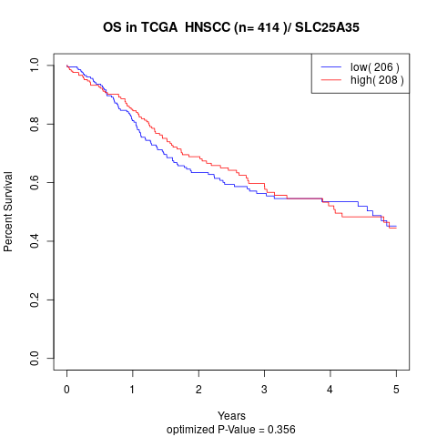

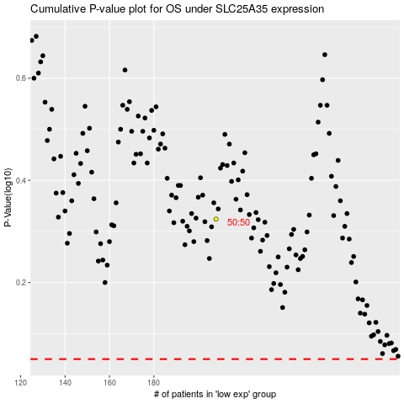

 |  |  |  |  |  | cases_OS | p_OS | rank | exp
 |  |  |  |  |  |  | cases_RFS | p_RFS | rank | exp

