SLC25A36 _multivariate
Reported by Tex Li-Hsing Chi. tex@gate.sinica.edu.tw 2019-08-16

Table 2. The clinicopathological features of HNSCC cohort and SLC25A36 expression. (Chi square test)
Cutoff at -0.23 (49.8%)
 |  | SLC25A36 expression |  | SLC25A36 expression |  | (Optimised)
 | Features | Low | (%) | High | (%) | Case no | P-value | Remark | Matthews
Gender | Female | 138 | 33.3 | 168 | 40.5 | 415 | 0.0016 | 1 | 0
2 | Male | 69 | 16.6 | 40 | 9.6
Age at diagnosis | <=65y | 129 | 31.1 | 145 | 34.9 | 415 | 0.1372 | 0 | 0
4 | >65y | 78 | 18.8 | 63 | 15.2
Clinical T Status | T1+T2 | 87 | 21 | 62 | 14.9 | 415 | 0.0127 | 1 | 0
6 | T3+T4 | 120 | 28.9 | 146 | 35.2
Clinical N Status | N0 | 117 | 28.2 | 99 | 23.9 | 415 | 0.0852 | 1 | 0
8 | N1-3 | 90 | 21.7 | 109 | 26.3
Clinical M Status | M0 | 205 | 49.4 | 207 | 49.9 | 415 | 0.6232 | 0 | 0
10 | M1 | 2 | 0.5 | 1 | 0.2
Clinical Stage | Stage I+II | 63 | 15.2 | 39 | 9.4 | 415 | 0.008 | 1 | 0
12 | Stage III+IV | 144 | 34.7 | 169 | 40.7
Surgical Margin status | Negative | 168 | 40.5 | 150 | 36.1 | 415 | 0.0366 | 1 | 0
14 | Positive | 39 | 9.4 | 58 | 14
Tobacco Exposure | Low | 105 | 25.3 | 56 | 13.5 | 415 | 0 | 1 | 0
16 | High | 102 | 24.6 | 152 | 36.6

Table 3. Univariate/Multivariate Cox's proportional hazards regression analyses on OS time of SLC25A36 gene expression in HNSCC

 |  | Univariate |  |  |  | Multivariate
 | Features | HR | CI95%(L) | CI95%(H) | P-value | HR | CI95%(L) | CI95%(H) | P-value
1 | Female | 1 |  |  |  | 1
Gender | Male | 1.157 | 0.843 | 1.587 | 0.367 | 1.194 | 0.85 | 1.677 | 0.306
11 | <=65y | 1 |  |  |  | 1
Age at diagnosis | >65y | 1.329 | 0.99 | 1.784 | 0.058 | 1.395 | 1.025 | 1.899 | 0.034
12 | T1+T2 | 1 |  |  |  | 1
Clinical T Status | T3+T4 | 1.409 | 1.028 | 1.931 | 0.033 | 2.198 | 1.163 | 4.157 | 0.015
13 | N0 | 1 |  |  |  | 1
Clinical N Status | N1-3 | 1.185 | 0.89 | 1.577 | 0.246 | 1.242 | 0.87 | 1.772 | 0.232
14 | M0 | 1 |  |  |  | 1
Clinical M Status | M1 | 4.097 | 1.009 | 16.644 | 0.049 | 9.273 | 2.012 | 42.745 | 0.004
15 | Stage I+II | 1 |  |  |  | 1
Clinical Stage | Stage III+IV | 1.245 | 0.882 | 1.759 | 0.213 | 0.507 | 0.236 | 1.09 | 0.082
16 | Negative | 1 |  |  |  | 1
Surgical Margin status | Positive | 1.591 | 1.155 | 2.191 | 0.004 | 1.675 | 1.212 | 2.316 | 0.002
17 | Low | 1 |  |  |  | 1
Tobacco Exposure | High | 1.364 | 1.008 | 1.844 | 0.044 | 1.462 | 1.056 | 2.024 | 0.022
18 | Low | 1 |  |  |  | 1
RNAseq(z-score) | High | 1.033 | 0.775 | 1.376 | 0.826 | 0.968 | 0.714 | 1.312 | 0.832

Table 4. Univariate/Multivariate Cox's proportional hazards regression analyses on RFS time of SLC25A36 gene expression in HNSCC

 |  | Univariate |  |  |  | Multivariate
 | Features | HR | CI95%(L) | CI95%(H) | P-value | HR | CI95%(L) | CI95%(H) | P-value
1 | Female | 1 |  |  |  | 1
Gender | Male | 1.157 | 0.843 | 1.587 | 0.367 | 1.194 | 0.85 | 1.677 | 0.306
11 | <=65y | 1 |  |  |  | 1
Age at diagnosis | >65y | 1.329 | 0.99 | 1.784 | 0.058 | 1.395 | 1.025 | 1.899 | 0.034
12 | T1+T2 | 1 |  |  |  | 1
Clinical T Status | T3+T4 | 1.409 | 1.028 | 1.931 | 0.033 | 2.198 | 1.163 | 4.157 | 0.015
13 | N0 | 1 |  |  |  | 1
Clinical N Status | N1-3 | 1.185 | 0.89 | 1.577 | 0.246 | 1.242 | 0.87 | 1.772 | 0.232
14 | M0 | 1 |  |  |  | 1
Clinical M Status | M1 | 4.097 | 1.009 | 16.644 | 0.049 | 9.273 | 2.012 | 42.745 | 0.004
15 | Stage I+II | 1 |  |  |  | 1
Clinical Stage | Stage III+IV | 1.245 | 0.882 | 1.759 | 0.213 | 0.507 | 0.236 | 1.09 | 0.082
16 | Negative | 1 |  |  |  | 1
Surgical Margin status | Positive | 1.591 | 1.155 | 2.191 | 0.004 | 1.675 | 1.212 | 2.316 | 0.002
17 | Low | 1 |  |  |  | 1
Tobacco Exposure | High | 1.364 | 1.008 | 1.844 | 0.044 | 1.462 | 1.056 | 2.024 | 0.022
18 | Low | 1 |  |  |  | 1
RNAseq(z-score) | High | 1.033 | 0.775 | 1.376 | 0.826 | 0.968 | 0.714 | 1.312 | 0.832

Kaplan-Meier survival estimate: Cutoff at -0.23 (49.8%)



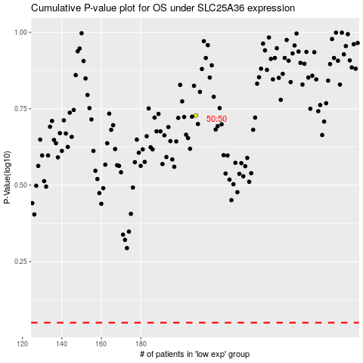

 |  |  |  |  |  | cases_OS | p_OS | rank | exp
 |  |  |  |  |  |  | cases_RFS | p_RFS | rank | exp

