SLC25A38 _multivariate
Reported by Tex Li-Hsing Chi. tex@gate.sinica.edu.tw 2019-08-16

Table 2. The clinicopathological features of HNSCC cohort and SLC25A38 expression. (Chi square test)
Cutoff at -0.281 (49.8%)
 |  | SLC25A38 expression |  | SLC25A38 expression |  | (Optimised)
 | Features | Low | (%) | High | (%) | Case no | P-value | Remark | Matthews
Gender | Female | 148 | 35.7 | 158 | 38.1 | 415 | 0.3567 | 0 | 0
2 | Male | 59 | 14.2 | 50 | 12
Age at diagnosis | <=65y | 138 | 33.3 | 136 | 32.8 | 415 | 0.8634 | 0 | 0
4 | >65y | 69 | 16.6 | 72 | 17.3
Clinical T Status | T1+T2 | 76 | 18.3 | 73 | 17.6 | 415 | 0.8092 | 0 | 0
6 | T3+T4 | 131 | 31.6 | 135 | 32.5
Clinical N Status | N0 | 115 | 27.7 | 101 | 24.3 | 415 | 0.184 | 1 | 0
8 | N1-3 | 92 | 22.2 | 107 | 25.8
Clinical M Status | M0 | 205 | 49.4 | 207 | 49.9 | 415 | 0.6232 | 0 | 0
10 | M1 | 2 | 0.5 | 1 | 0.2
Clinical Stage | Stage I+II | 56 | 13.5 | 46 | 11.1 | 415 | 0.2918 | 0 | 0
12 | Stage III+IV | 151 | 36.4 | 162 | 39
Surgical Margin status | Negative | 165 | 39.8 | 153 | 36.9 | 415 | 0.1639 | 0 | 0
14 | Positive | 42 | 10.1 | 55 | 13.3
Tobacco Exposure | Low | 82 | 19.8 | 79 | 19 | 415 | 0.763 | 0 | 0
16 | High | 125 | 30.1 | 129 | 31.1

Table 3. Univariate/Multivariate Cox's proportional hazards regression analyses on OS time of SLC25A38 gene expression in HNSCC

 |  | Univariate |  |  |  | Multivariate
 | Features | HR | CI95%(L) | CI95%(H) | P-value | HR | CI95%(L) | CI95%(H) | P-value
1 | Female | 1 |  |  |  | 1
Gender | Male | 1.157 | 0.843 | 1.587 | 0.367 | 1.207 | 0.864 | 1.687 | 0.271
11 | <=65y | 1 |  |  |  | 1
Age at diagnosis | >65y | 1.329 | 0.99 | 1.784 | 0.058 | 1.385 | 1.018 | 1.883 | 0.038
12 | T1+T2 | 1 |  |  |  | 1
Clinical T Status | T3+T4 | 1.409 | 1.028 | 1.931 | 0.033 | 2.2 | 1.163 | 4.16 | 0.015
13 | N0 | 1 |  |  |  | 1
Clinical N Status | N1-3 | 1.185 | 0.89 | 1.577 | 0.246 | 1.233 | 0.863 | 1.76 | 0.249
14 | M0 | 1 |  |  |  | 1
Clinical M Status | M1 | 4.097 | 1.009 | 16.644 | 0.049 | 9.696 | 2.11 | 44.563 | 0.004
15 | Stage I+II | 1 |  |  |  | 1
Clinical Stage | Stage III+IV | 1.245 | 0.882 | 1.759 | 0.213 | 0.507 | 0.236 | 1.09 | 0.082
16 | Negative | 1 |  |  |  | 1
Surgical Margin status | Positive | 1.591 | 1.155 | 2.191 | 0.004 | 1.662 | 1.203 | 2.298 | 0.002
17 | Low | 1 |  |  |  | 1
Tobacco Exposure | High | 1.364 | 1.008 | 1.844 | 0.044 | 1.447 | 1.05 | 1.993 | 0.024
18 | Low | 1 |  |  |  | 1
RNAseq(z-score) | High | 1.115 | 0.837 | 1.486 | 0.455 | 1.1 | 0.824 | 1.469 | 0.519

Table 4. Univariate/Multivariate Cox's proportional hazards regression analyses on RFS time of SLC25A38 gene expression in HNSCC

 |  | Univariate |  |  |  | Multivariate
 | Features | HR | CI95%(L) | CI95%(H) | P-value | HR | CI95%(L) | CI95%(H) | P-value
1 | Female | 1 |  |  |  | 1
Gender | Male | 1.157 | 0.843 | 1.587 | 0.367 | 1.207 | 0.864 | 1.687 | 0.271
11 | <=65y | 1 |  |  |  | 1
Age at diagnosis | >65y | 1.329 | 0.99 | 1.784 | 0.058 | 1.385 | 1.018 | 1.883 | 0.038
12 | T1+T2 | 1 |  |  |  | 1
Clinical T Status | T3+T4 | 1.409 | 1.028 | 1.931 | 0.033 | 2.2 | 1.163 | 4.16 | 0.015
13 | N0 | 1 |  |  |  | 1
Clinical N Status | N1-3 | 1.185 | 0.89 | 1.577 | 0.246 | 1.233 | 0.863 | 1.76 | 0.249
14 | M0 | 1 |  |  |  | 1
Clinical M Status | M1 | 4.097 | 1.009 | 16.644 | 0.049 | 9.696 | 2.11 | 44.563 | 0.004
15 | Stage I+II | 1 |  |  |  | 1
Clinical Stage | Stage III+IV | 1.245 | 0.882 | 1.759 | 0.213 | 0.507 | 0.236 | 1.09 | 0.082
16 | Negative | 1 |  |  |  | 1
Surgical Margin status | Positive | 1.591 | 1.155 | 2.191 | 0.004 | 1.662 | 1.203 | 2.298 | 0.002
17 | Low | 1 |  |  |  | 1
Tobacco Exposure | High | 1.364 | 1.008 | 1.844 | 0.044 | 1.447 | 1.05 | 1.993 | 0.024
18 | Low | 1 |  |  |  | 1
RNAseq(z-score) | High | 1.115 | 0.837 | 1.486 | 0.455 | 1.1 | 0.824 | 1.469 | 0.519

Kaplan-Meier survival estimate: Cutoff at -0.281 (49.8%)



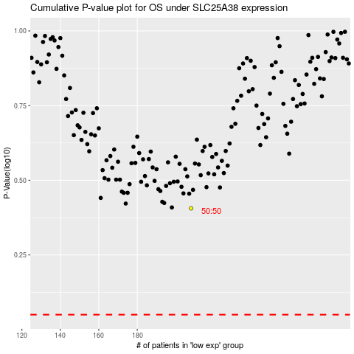

 |  |  |  |  |  | cases_OS | p_OS | rank | exp
 |  |  |  |  |  |  | cases_RFS | p_RFS | rank | exp

