SLC25A39 _multivariate
Reported by Tex Li-Hsing Chi. tex@gate.sinica.edu.tw 2019-08-16

Table 2. The clinicopathological features of HNSCC cohort and SLC25A39 expression. (Chi square test)
Cutoff at -0.068 (50.0%)
 |  | SLC25A39 expression |  | SLC25A39 expression |  | (Optimised)
 | Features | Low | (%) | High | (%) | Case no | P-value | Remark | Matthews
Gender | Female | 152 | 36.6 | 154 | 37.1 | 415 | 0.9766 | 0 | 0
2 | Male | 55 | 13.3 | 54 | 13
Age at diagnosis | <=65y | 140 | 33.7 | 134 | 32.3 | 415 | 0.5574 | 0 | 0
4 | >65y | 67 | 16.1 | 74 | 17.8
Clinical T Status | T1+T2 | 88 | 21.2 | 61 | 14.7 | 415 | 0.007 | 1 | 0
6 | T3+T4 | 119 | 28.7 | 147 | 35.4
Clinical N Status | N0 | 108 | 26 | 108 | 26 | 415 | 1 | 0 | 0
8 | N1-3 | 99 | 23.9 | 100 | 24.1
Clinical M Status | M0 | 207 | 49.9 | 205 | 49.4 | 415 | 0.2482 | 0 | 0
10 | M1 | 0 | 0 | 3 | 0.7
Clinical Stage | Stage I+II | 57 | 13.7 | 45 | 10.8 | 415 | 0.1998 | 0 | 0
12 | Stage III+IV | 150 | 36.1 | 163 | 39.3
Surgical Margin status | Negative | 161 | 38.8 | 157 | 37.8 | 415 | 0.6429 | 0 | 0
14 | Positive | 46 | 11.1 | 51 | 12.3
Tobacco Exposure | Low | 78 | 18.8 | 83 | 20 | 415 | 0.6873 | 0 | 0
16 | High | 129 | 31.1 | 125 | 30.1

Table 3. Univariate/Multivariate Cox's proportional hazards regression analyses on OS time of SLC25A39 gene expression in HNSCC

 |  | Univariate |  |  |  | Multivariate
 | Features | HR | CI95%(L) | CI95%(H) | P-value | HR | CI95%(L) | CI95%(H) | P-value
1 | Female | 1 |  |  |  | 1
Gender | Male | 1.157 | 0.843 | 1.587 | 0.367 | 1.198 | 0.857 | 1.674 | 0.29
11 | <=65y | 1 |  |  |  | 1
Age at diagnosis | >65y | 1.329 | 0.99 | 1.784 | 0.058 | 1.387 | 1.02 | 1.886 | 0.037
12 | T1+T2 | 1 |  |  |  | 1
Clinical T Status | T3+T4 | 1.409 | 1.028 | 1.931 | 0.033 | 2.163 | 1.141 | 4.098 | 0.018
13 | N0 | 1 |  |  |  | 1
Clinical N Status | N1-3 | 1.185 | 0.89 | 1.577 | 0.246 | 1.241 | 0.87 | 1.771 | 0.233
14 | M0 | 1 |  |  |  | 1
Clinical M Status | M1 | 4.097 | 1.009 | 16.644 | 0.049 | 8.801 | 1.897 | 40.828 | 0.005
15 | Stage I+II | 1 |  |  |  | 1
Clinical Stage | Stage III+IV | 1.245 | 0.882 | 1.759 | 0.213 | 0.511 | 0.238 | 1.098 | 0.085
16 | Negative | 1 |  |  |  | 1
Surgical Margin status | Positive | 1.591 | 1.155 | 2.191 | 0.004 | 1.657 | 1.199 | 2.292 | 0.002
17 | Low | 1 |  |  |  | 1
Tobacco Exposure | High | 1.364 | 1.008 | 1.844 | 0.044 | 1.453 | 1.054 | 2.003 | 0.023
18 | Low | 1 |  |  |  | 1
RNAseq(z-score) | High | 1.207 | 0.906 | 1.609 | 0.199 | 1.105 | 0.825 | 1.48 | 0.502

Table 4. Univariate/Multivariate Cox's proportional hazards regression analyses on RFS time of SLC25A39 gene expression in HNSCC

 |  | Univariate |  |  |  | Multivariate
 | Features | HR | CI95%(L) | CI95%(H) | P-value | HR | CI95%(L) | CI95%(H) | P-value
1 | Female | 1 |  |  |  | 1
Gender | Male | 1.157 | 0.843 | 1.587 | 0.367 | 1.198 | 0.857 | 1.674 | 0.29
11 | <=65y | 1 |  |  |  | 1
Age at diagnosis | >65y | 1.329 | 0.99 | 1.784 | 0.058 | 1.387 | 1.02 | 1.886 | 0.037
12 | T1+T2 | 1 |  |  |  | 1
Clinical T Status | T3+T4 | 1.409 | 1.028 | 1.931 | 0.033 | 2.163 | 1.141 | 4.098 | 0.018
13 | N0 | 1 |  |  |  | 1
Clinical N Status | N1-3 | 1.185 | 0.89 | 1.577 | 0.246 | 1.241 | 0.87 | 1.771 | 0.233
14 | M0 | 1 |  |  |  | 1
Clinical M Status | M1 | 4.097 | 1.009 | 16.644 | 0.049 | 8.801 | 1.897 | 40.828 | 0.005
15 | Stage I+II | 1 |  |  |  | 1
Clinical Stage | Stage III+IV | 1.245 | 0.882 | 1.759 | 0.213 | 0.511 | 0.238 | 1.098 | 0.085
16 | Negative | 1 |  |  |  | 1
Surgical Margin status | Positive | 1.591 | 1.155 | 2.191 | 0.004 | 1.657 | 1.199 | 2.292 | 0.002
17 | Low | 1 |  |  |  | 1
Tobacco Exposure | High | 1.364 | 1.008 | 1.844 | 0.044 | 1.453 | 1.054 | 2.003 | 0.023
18 | Low | 1 |  |  |  | 1
RNAseq(z-score) | High | 1.207 | 0.906 | 1.609 | 0.199 | 1.105 | 0.825 | 1.48 | 0.502

Kaplan-Meier survival estimate: Cutoff at -0.068 (50.0%)



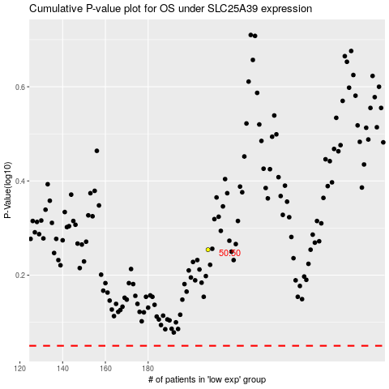

 |  |  |  |  |  | cases_OS | p_OS | rank | exp
 |  |  |  |  |  |  | cases_RFS | p_RFS | rank | exp

