SLC25A43 _multivariate
Reported by Tex Li-Hsing Chi. tex@gate.sinica.edu.tw 2019-08-16

Table 2. The clinicopathological features of HNSCC cohort and SLC25A43 expression. (Chi square test)
Cutoff at -0.197 (41.5%)
 |  | SLC25A43 expression |  | SLC25A43 expression |  | (Optimised)
 | Features | Low | (%) | High | (%) | Case no | P-value | Remark | Matthews
Gender | Female | 133 | 32 | 173 | 41.7 | 415 | 0.1987 | 0 | 0
2 | Male | 39 | 9.4 | 70 | 16.9
Age at diagnosis | <=65y | 110 | 26.5 | 164 | 39.5 | 415 | 0.5195 | 0 | 0
4 | >65y | 62 | 14.9 | 79 | 19
Clinical T Status | T1+T2 | 58 | 14 | 91 | 21.9 | 415 | 0.4991 | 0 | 0
6 | T3+T4 | 114 | 27.5 | 152 | 36.6
Clinical N Status | N0 | 87 | 21 | 129 | 31.1 | 415 | 0.6866 | 0 | 0
8 | N1-3 | 85 | 20.5 | 114 | 27.5
Clinical M Status | M0 | 172 | 41.4 | 240 | 57.8 | 415 | 0.2702 | 0 | 0
10 | M1 | 0 | 0 | 3 | 0.7
Clinical Stage | Stage I+II | 35 | 8.4 | 67 | 16.1 | 415 | 0.1169 | 0 | 0
12 | Stage III+IV | 137 | 33 | 176 | 42.4
Surgical Margin status | Negative | 134 | 32.3 | 184 | 44.3 | 415 | 0.6389 | 0 | 0
14 | Positive | 38 | 9.2 | 59 | 14.2
Tobacco Exposure | Low | 55 | 13.3 | 106 | 25.5 | 415 | 0.0187 | 1 | 0
16 | High | 117 | 28.2 | 137 | 33

Table 3. Univariate/Multivariate Cox's proportional hazards regression analyses on OS time of SLC25A43 gene expression in HNSCC

 |  | Univariate |  |  |  | Multivariate
 | Features | HR | CI95%(L) | CI95%(H) | P-value | HR | CI95%(L) | CI95%(H) | P-value
1 | Female | 1 |  |  |  | 1
Gender | Male | 1.157 | 0.843 | 1.587 | 0.367 | 1.182 | 0.848 | 1.646 | 0.324
11 | <=65y | 1 |  |  |  | 1
Age at diagnosis | >65y | 1.329 | 0.99 | 1.784 | 0.058 | 1.459 | 1.072 | 1.985 | 0.016
12 | T1+T2 | 1 |  |  |  | 1
Clinical T Status | T3+T4 | 1.409 | 1.028 | 1.931 | 0.033 | 2.22 | 1.174 | 4.196 | 0.014
13 | N0 | 1 |  |  |  | 1
Clinical N Status | N1-3 | 1.185 | 0.89 | 1.577 | 0.246 | 1.244 | 0.873 | 1.773 | 0.226
14 | M0 | 1 |  |  |  | 1
Clinical M Status | M1 | 4.097 | 1.009 | 16.644 | 0.049 | 8.03 | 1.745 | 36.958 | 0.007
15 | Stage I+II | 1 |  |  |  | 1
Clinical Stage | Stage III+IV | 1.245 | 0.882 | 1.759 | 0.213 | 0.529 | 0.246 | 1.135 | 0.102
16 | Negative | 1 |  |  |  | 1
Surgical Margin status | Positive | 1.591 | 1.155 | 2.191 | 0.004 | 1.624 | 1.175 | 2.246 | 0.003
17 | Low | 1 |  |  |  | 1
Tobacco Exposure | High | 1.364 | 1.008 | 1.844 | 0.044 | 1.543 | 1.119 | 2.129 | 0.008
18 | Low | 1 |  |  |  | 1
RNAseq(z-score) | High | 1.427 | 1.056 | 1.929 | 0.021 | 1.524 | 1.118 | 2.076 | 0.008

Table 4. Univariate/Multivariate Cox's proportional hazards regression analyses on RFS time of SLC25A43 gene expression in HNSCC

 |  | Univariate |  |  |  | Multivariate
 | Features | HR | CI95%(L) | CI95%(H) | P-value | HR | CI95%(L) | CI95%(H) | P-value
1 | Female | 1 |  |  |  | 1
Gender | Male | 1.157 | 0.843 | 1.587 | 0.367 | 1.182 | 0.848 | 1.646 | 0.324
11 | <=65y | 1 |  |  |  | 1
Age at diagnosis | >65y | 1.329 | 0.99 | 1.784 | 0.058 | 1.459 | 1.072 | 1.985 | 0.016
12 | T1+T2 | 1 |  |  |  | 1
Clinical T Status | T3+T4 | 1.409 | 1.028 | 1.931 | 0.033 | 2.22 | 1.174 | 4.196 | 0.014
13 | N0 | 1 |  |  |  | 1
Clinical N Status | N1-3 | 1.185 | 0.89 | 1.577 | 0.246 | 1.244 | 0.873 | 1.773 | 0.226
14 | M0 | 1 |  |  |  | 1
Clinical M Status | M1 | 4.097 | 1.009 | 16.644 | 0.049 | 8.03 | 1.745 | 36.958 | 0.007
15 | Stage I+II | 1 |  |  |  | 1
Clinical Stage | Stage III+IV | 1.245 | 0.882 | 1.759 | 0.213 | 0.529 | 0.246 | 1.135 | 0.102
16 | Negative | 1 |  |  |  | 1
Surgical Margin status | Positive | 1.591 | 1.155 | 2.191 | 0.004 | 1.624 | 1.175 | 2.246 | 0.003
17 | Low | 1 |  |  |  | 1
Tobacco Exposure | High | 1.364 | 1.008 | 1.844 | 0.044 | 1.543 | 1.119 | 2.129 | 0.008
18 | Low | 1 |  |  |  | 1
RNAseq(z-score) | High | 1.427 | 1.056 | 1.929 | 0.021 | 1.524 | 1.118 | 2.076 | 0.008

Kaplan-Meier survival estimate: Cutoff at -0.197 (41.5%)

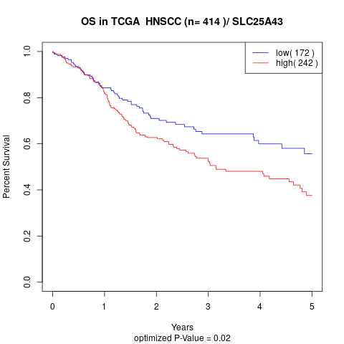

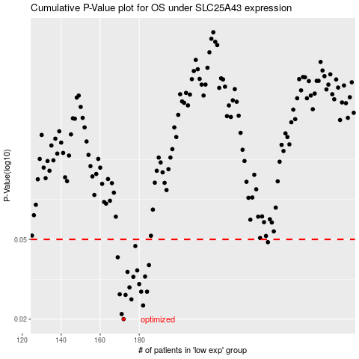

 |  |  |  |  |  | cases_OS | p_OS | rank | exp
 |  |  |  |  |  | 172 | 0.02 | 373 | -0.19680580519
 |  |  |  |  |  | 171 | 0.0212 | 298 | -0.19855749855
 |  |  |  |  |  | 182 | 0.0234 | 64 | -0.17061109108
 |  |  |  |  |  | 176 | 0.0251 | 176 | -0.18363574776
 |  |  |  |  |  | 173 | 0.0264 | 65 | -0.19421723143
 |  |  |  |  |  | 170 | 0.0266 | 59 | -0.20442860413
 |  |  |  |  |  | 184 | 0.0274 | 114 | -0.16586739198
 |  |  |  |  |  | 181 | 0.0274 | 310 | -0.17101700147
 |  |  |  |  |  | 175 | 0.0288 | 178 | -0.19000116078
 |  |  |  |  |  | 180 | 0.0299 | 343 | -0.17154462991
 |  |  |  |  |  | 177 | 0.0325 | 281 | -0.18348952088
 |  |  |  |  |  | 183 | 0.0326 | 407 | -0.16632892918
 |  |  |  |  |  | 174 | 0.0344 | 17 | -0.19353676699
 |  |  |  |  |  | 179 | 0.035 | 235 | -0.17636102937
 |  |  |  |  |  | 185 | 0.0372 | 413 | -0.1652681647
 |  |  |  |  |  | 169 | 0.0407 | 184 | -0.20643557493
 |  |  |  |  |  | 178 | 0.0463 | 140 | -0.18138479012
 |  |  |  |  |  | 246 | 0.0484 | 372 | 0.15771148716
 |  |  |  |  |  |  | cases_RFS | p_RFS | rank | exp
 |  |  |  |  |  |  | 171 | 0.02 | 298 | -0.19855749855
 |  |  |  |  |  |  | 170 | 0.0212 | 59 | -0.20442860413
 |  |  |  |  |  |  | 181 | 0.0234 | 310 | -0.17101700147
 |  |  |  |  |  |  | 175 | 0.0251 | 178 | -0.19000116078
 |  |  |  |  |  |  | 172 | 0.0264 | 373 | -0.19680580519
 |  |  |  |  |  |  | 169 | 0.0266 | 184 | -0.20643557493
 |  |  |  |  |  |  | 180 | 0.0274 | 343 | -0.17154462991
 |  |  |  |  |  |  | 183 | 0.0274 | 407 | -0.16632892918
 |  |  |  |  |  |  | 174 | 0.0288 | 17 | -0.19353676699
 |  |  |  |  |  |  | 179 | 0.0299 | 235 | -0.17636102937
 |  |  |  |  |  |  | 176 | 0.0325 | 176 | -0.18363574776
 |  |  |  |  |  |  | 182 | 0.0326 | 64 | -0.17061109108
 |  |  |  |  |  |  | 173 | 0.0344 | 65 | -0.19421723143
 |  |  |  |  |  |  | 178 | 0.035 | 140 | -0.18138479012
 |  |  |  |  |  |  | 184 | 0.0372 | 114 | -0.16586739198
 |  |  |  |  |  |  | 168 | 0.0407 | 205 | -0.21262887533
 |  |  |  |  |  |  | 177 | 0.0463 | 281 | -0.18348952088
 |  |  |  |  |  |  | 245 | 0.0484 | 146 | 0.15117065697

