SLC25A44 _multivariate
Reported by Tex Li-Hsing Chi. tex@gate.sinica.edu.tw 2019-08-16

Table 2. The clinicopathological features of HNSCC cohort and SLC25A44 expression. (Chi square test)
Cutoff at -0.08 (50.0%)
 |  | SLC25A44 expression |  | SLC25A44 expression |  | (Optimised)
 | Features | Low | (%) | High | (%) | Case no | P-value | Remark | Matthews
Gender | Female | 145 | 34.9 | 161 | 38.8 | 415 | 0.1116 | 0 | 0
2 | Male | 62 | 14.9 | 47 | 11.3
Age at diagnosis | <=65y | 135 | 32.5 | 139 | 33.5 | 415 | 0.8084 | 0 | 0
4 | >65y | 72 | 17.3 | 69 | 16.6
Clinical T Status | T1+T2 | 79 | 19 | 70 | 16.9 | 415 | 0.3924 | 0 | 0
6 | T3+T4 | 128 | 30.8 | 138 | 33.3
Clinical N Status | N0 | 111 | 26.7 | 105 | 25.3 | 415 | 0.5875 | 0 | 0
8 | N1-3 | 96 | 23.1 | 103 | 24.8
Clinical M Status | M0 | 205 | 49.4 | 207 | 49.9 | 415 | 0.6232 | 0 | 0
10 | M1 | 2 | 0.5 | 1 | 0.2
Clinical Stage | Stage I+II | 58 | 14 | 44 | 10.6 | 415 | 0.131 | 0 | 0
12 | Stage III+IV | 149 | 35.9 | 164 | 39.5
Surgical Margin status | Negative | 155 | 37.3 | 163 | 39.3 | 415 | 0.4187 | 0 | 0
14 | Positive | 52 | 12.5 | 45 | 10.8
Tobacco Exposure | Low | 93 | 22.4 | 68 | 16.4 | 415 | 0.0118 | 1 | 0
16 | High | 114 | 27.5 | 140 | 33.7

Table 3. Univariate/Multivariate Cox's proportional hazards regression analyses on OS time of SLC25A44 gene expression in HNSCC

 |  | Univariate |  |  |  | Multivariate
 | Features | HR | CI95%(L) | CI95%(H) | P-value | HR | CI95%(L) | CI95%(H) | P-value
1 | Female | 1 |  |  |  | 1
Gender | Male | 1.157 | 0.843 | 1.587 | 0.367 | 1.175 | 0.839 | 1.645 | 0.347
11 | <=65y | 1 |  |  |  | 1
Age at diagnosis | >65y | 1.329 | 0.99 | 1.784 | 0.058 | 1.415 | 1.04 | 1.924 | 0.027
12 | T1+T2 | 1 |  |  |  | 1
Clinical T Status | T3+T4 | 1.409 | 1.028 | 1.931 | 0.033 | 2.199 | 1.164 | 4.157 | 0.015
13 | N0 | 1 |  |  |  | 1
Clinical N Status | N1-3 | 1.185 | 0.89 | 1.577 | 0.246 | 1.242 | 0.871 | 1.77 | 0.232
14 | M0 | 1 |  |  |  | 1
Clinical M Status | M1 | 4.097 | 1.009 | 16.644 | 0.049 | 9.174 | 2 | 42.073 | 0.004
15 | Stage I+II | 1 |  |  |  | 1
Clinical Stage | Stage III+IV | 1.245 | 0.882 | 1.759 | 0.213 | 0.513 | 0.239 | 1.1 | 0.086
16 | Negative | 1 |  |  |  | 1
Surgical Margin status | Positive | 1.591 | 1.155 | 2.191 | 0.004 | 1.669 | 1.208 | 2.306 | 0.002
17 | Low | 1 |  |  |  | 1
Tobacco Exposure | High | 1.364 | 1.008 | 1.844 | 0.044 | 1.487 | 1.077 | 2.054 | 0.016
18 | Low | 1 |  |  |  | 1
RNAseq(z-score) | High | 0.884 | 0.663 | 1.178 | 0.4 | 0.826 | 0.616 | 1.108 | 0.203

Table 4. Univariate/Multivariate Cox's proportional hazards regression analyses on RFS time of SLC25A44 gene expression in HNSCC

 |  | Univariate |  |  |  | Multivariate
 | Features | HR | CI95%(L) | CI95%(H) | P-value | HR | CI95%(L) | CI95%(H) | P-value
1 | Female | 1 |  |  |  | 1
Gender | Male | 1.157 | 0.843 | 1.587 | 0.367 | 1.175 | 0.839 | 1.645 | 0.347
11 | <=65y | 1 |  |  |  | 1
Age at diagnosis | >65y | 1.329 | 0.99 | 1.784 | 0.058 | 1.415 | 1.04 | 1.924 | 0.027
12 | T1+T2 | 1 |  |  |  | 1
Clinical T Status | T3+T4 | 1.409 | 1.028 | 1.931 | 0.033 | 2.199 | 1.164 | 4.157 | 0.015
13 | N0 | 1 |  |  |  | 1
Clinical N Status | N1-3 | 1.185 | 0.89 | 1.577 | 0.246 | 1.242 | 0.871 | 1.77 | 0.232
14 | M0 | 1 |  |  |  | 1
Clinical M Status | M1 | 4.097 | 1.009 | 16.644 | 0.049 | 9.174 | 2 | 42.073 | 0.004
15 | Stage I+II | 1 |  |  |  | 1
Clinical Stage | Stage III+IV | 1.245 | 0.882 | 1.759 | 0.213 | 0.513 | 0.239 | 1.1 | 0.086
16 | Negative | 1 |  |  |  | 1
Surgical Margin status | Positive | 1.591 | 1.155 | 2.191 | 0.004 | 1.669 | 1.208 | 2.306 | 0.002
17 | Low | 1 |  |  |  | 1
Tobacco Exposure | High | 1.364 | 1.008 | 1.844 | 0.044 | 1.487 | 1.077 | 2.054 | 0.016
18 | Low | 1 |  |  |  | 1
RNAseq(z-score) | High | 0.884 | 0.663 | 1.178 | 0.4 | 0.826 | 0.616 | 1.108 | 0.203

Kaplan-Meier survival estimate: Cutoff at -0.08 (50.0%)



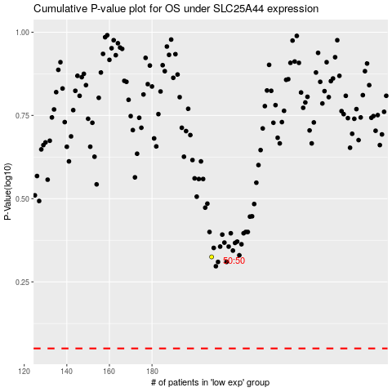

 |  |  |  |  |  | cases_OS | p_OS | rank | exp
 |  |  |  |  |  |  | cases_RFS | p_RFS | rank | exp

