SLC25A46 _multivariate
Reported by Tex Li-Hsing Chi. tex@gate.sinica.edu.tw 2019-08-16

Table 2. The clinicopathological features of HNSCC cohort and SLC25A46 expression. (Chi square test)
Cutoff at -0.12 (49.8%)
 |  | SLC25A46 expression |  | SLC25A46 expression |  | (Optimised)
 | Features | Low | (%) | High | (%) | Case no | P-value | Remark | Matthews
Gender | Female | 162 | 39 | 144 | 34.7 | 415 | 0.0479 | 1 | 0
2 | Male | 45 | 10.8 | 64 | 15.4
Age at diagnosis | <=65y | 141 | 34 | 133 | 32 | 415 | 0.4272 | 0 | 0
4 | >65y | 66 | 15.9 | 75 | 18.1
Clinical T Status | T1+T2 | 60 | 14.5 | 89 | 21.4 | 415 | 0.0047 | 1 | 0
6 | T3+T4 | 147 | 35.4 | 119 | 28.7
Clinical N Status | N0 | 101 | 24.3 | 115 | 27.7 | 415 | 0.2201 | 0 | 0
8 | N1-3 | 106 | 25.5 | 93 | 22.4
Clinical M Status | M0 | 205 | 49.4 | 207 | 49.9 | 415 | 0.6232 | 0 | 0
10 | M1 | 2 | 0.5 | 1 | 0.2
Clinical Stage | Stage I+II | 37 | 8.9 | 65 | 15.7 | 415 | 0.0023 | 1 | 0
12 | Stage III+IV | 170 | 41 | 143 | 34.5
Surgical Margin status | Negative | 153 | 36.9 | 165 | 39.8 | 415 | 0.2036 | 0 | 0
14 | Positive | 54 | 13 | 43 | 10.4
Tobacco Exposure | Low | 68 | 16.4 | 93 | 22.4 | 415 | 0.0156 | 1 | 0
16 | High | 139 | 33.5 | 115 | 27.7

Table 3. Univariate/Multivariate Cox's proportional hazards regression analyses on OS time of SLC25A46 gene expression in HNSCC

 |  | Univariate |  |  |  | Multivariate
 | Features | HR | CI95%(L) | CI95%(H) | P-value | HR | CI95%(L) | CI95%(H) | P-value
1 | Female | 1 |  |  |  | 1
Gender | Male | 1.157 | 0.843 | 1.587 | 0.367 | 1.187 | 0.849 | 1.66 | 0.315
11 | <=65y | 1 |  |  |  | 1
Age at diagnosis | >65y | 1.329 | 0.99 | 1.784 | 0.058 | 1.392 | 1.024 | 1.893 | 0.035
12 | T1+T2 | 1 |  |  |  | 1
Clinical T Status | T3+T4 | 1.409 | 1.028 | 1.931 | 0.033 | 2.221 | 1.175 | 4.201 | 0.014
13 | N0 | 1 |  |  |  | 1
Clinical N Status | N1-3 | 1.185 | 0.89 | 1.577 | 0.246 | 1.24 | 0.869 | 1.769 | 0.236
14 | M0 | 1 |  |  |  | 1
Clinical M Status | M1 | 4.097 | 1.009 | 16.644 | 0.049 | 9.715 | 2.115 | 44.631 | 0.003
15 | Stage I+II | 1 |  |  |  | 1
Clinical Stage | Stage III+IV | 1.245 | 0.882 | 1.759 | 0.213 | 0.518 | 0.24 | 1.115 | 0.092
16 | Negative | 1 |  |  |  | 1
Surgical Margin status | Positive | 1.591 | 1.155 | 2.191 | 0.004 | 1.682 | 1.217 | 2.324 | 0.002
17 | Low | 1 |  |  |  | 1
Tobacco Exposure | High | 1.364 | 1.008 | 1.844 | 0.044 | 1.475 | 1.068 | 2.037 | 0.018
18 | Low | 1 |  |  |  | 1
RNAseq(z-score) | High | 0.988 | 0.742 | 1.316 | 0.935 | 1.121 | 0.827 | 1.518 | 0.461

Table 4. Univariate/Multivariate Cox's proportional hazards regression analyses on RFS time of SLC25A46 gene expression in HNSCC

 |  | Univariate |  |  |  | Multivariate
 | Features | HR | CI95%(L) | CI95%(H) | P-value | HR | CI95%(L) | CI95%(H) | P-value
1 | Female | 1 |  |  |  | 1
Gender | Male | 1.157 | 0.843 | 1.587 | 0.367 | 1.187 | 0.849 | 1.66 | 0.315
11 | <=65y | 1 |  |  |  | 1
Age at diagnosis | >65y | 1.329 | 0.99 | 1.784 | 0.058 | 1.392 | 1.024 | 1.893 | 0.035
12 | T1+T2 | 1 |  |  |  | 1
Clinical T Status | T3+T4 | 1.409 | 1.028 | 1.931 | 0.033 | 2.221 | 1.175 | 4.201 | 0.014
13 | N0 | 1 |  |  |  | 1
Clinical N Status | N1-3 | 1.185 | 0.89 | 1.577 | 0.246 | 1.24 | 0.869 | 1.769 | 0.236
14 | M0 | 1 |  |  |  | 1
Clinical M Status | M1 | 4.097 | 1.009 | 16.644 | 0.049 | 9.715 | 2.115 | 44.631 | 0.003
15 | Stage I+II | 1 |  |  |  | 1
Clinical Stage | Stage III+IV | 1.245 | 0.882 | 1.759 | 0.213 | 0.518 | 0.24 | 1.115 | 0.092
16 | Negative | 1 |  |  |  | 1
Surgical Margin status | Positive | 1.591 | 1.155 | 2.191 | 0.004 | 1.682 | 1.217 | 2.324 | 0.002
17 | Low | 1 |  |  |  | 1
Tobacco Exposure | High | 1.364 | 1.008 | 1.844 | 0.044 | 1.475 | 1.068 | 2.037 | 0.018
18 | Low | 1 |  |  |  | 1
RNAseq(z-score) | High | 0.988 | 0.742 | 1.316 | 0.935 | 1.121 | 0.827 | 1.518 | 0.461

Kaplan-Meier survival estimate: Cutoff at -0.12 (49.8%)



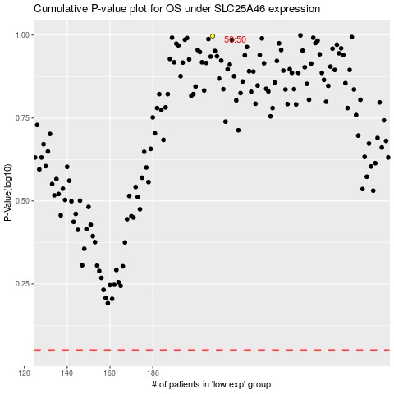

 |  |  |  |  |  | cases_OS | p_OS | rank | exp
 |  |  |  |  |  |  | cases_RFS | p_RFS | rank | exp

