SLC25A5 _multivariate
Reported by Tex Li-Hsing Chi. tex@gate.sinica.edu.tw 2019-08-16

Table 2. The clinicopathological features of HNSCC cohort and SLC25A5 expression. (Chi square test)
Cutoff at -0.211 (49.8%)
 |  | SLC25A5 expression |  | SLC25A5 expression |  | (Optimised)
 | Features | Low | (%) | High | (%) | Case no | P-value | Remark | Matthews
Gender | Female | 142 | 34.2 | 164 | 39.5 | 415 | 0.0238 | 1 | 0
2 | Male | 65 | 15.7 | 44 | 10.6
Age at diagnosis | <=65y | 128 | 30.8 | 146 | 35.2 | 415 | 0.0904 | 0 | 0
4 | >65y | 79 | 19 | 62 | 14.9
Clinical T Status | T1+T2 | 74 | 17.8 | 75 | 18.1 | 415 | 1 | 0 | 0
6 | T3+T4 | 133 | 32 | 133 | 32
Clinical N Status | N0 | 111 | 26.7 | 105 | 25.3 | 415 | 0.5875 | 0 | 0
8 | N1-3 | 96 | 23.1 | 103 | 24.8
Clinical M Status | M0 | 206 | 49.6 | 206 | 49.6 | 415 | 1 | 0 | 0
10 | M1 | 1 | 0.2 | 2 | 0.5
Clinical Stage | Stage I+II | 54 | 13 | 48 | 11.6 | 415 | 0.5498 | 0 | 0
12 | Stage III+IV | 153 | 36.9 | 160 | 38.6
Surgical Margin status | Negative | 165 | 39.8 | 153 | 36.9 | 415 | 0.1639 | 0 | 0
14 | Positive | 42 | 10.1 | 55 | 13.3
Tobacco Exposure | Low | 90 | 21.7 | 71 | 17.1 | 415 | 0.0559 | 0 | 0
16 | High | 117 | 28.2 | 137 | 33

Table 3. Univariate/Multivariate Cox's proportional hazards regression analyses on OS time of SLC25A5 gene expression in HNSCC

 |  | Univariate |  |  |  | Multivariate
 | Features | HR | CI95%(L) | CI95%(H) | P-value | HR | CI95%(L) | CI95%(H) | P-value
1 | Female | 1 |  |  |  | 1
Gender | Male | 1.157 | 0.843 | 1.587 | 0.367 | 1.214 | 0.869 | 1.695 | 0.255
11 | <=65y | 1 |  |  |  | 1
Age at diagnosis | >65y | 1.329 | 0.99 | 1.784 | 0.058 | 1.427 | 1.047 | 1.946 | 0.024
12 | T1+T2 | 1 |  |  |  | 1
Clinical T Status | T3+T4 | 1.409 | 1.028 | 1.931 | 0.033 | 2.244 | 1.187 | 4.242 | 0.013
13 | N0 | 1 |  |  |  | 1
Clinical N Status | N1-3 | 1.185 | 0.89 | 1.577 | 0.246 | 1.26 | 0.883 | 1.8 | 0.203
14 | M0 | 1 |  |  |  | 1
Clinical M Status | M1 | 4.097 | 1.009 | 16.644 | 0.049 | 9.34 | 2.038 | 42.814 | 0.004
15 | Stage I+II | 1 |  |  |  | 1
Clinical Stage | Stage III+IV | 1.245 | 0.882 | 1.759 | 0.213 | 0.492 | 0.229 | 1.057 | 0.069
16 | Negative | 1 |  |  |  | 1
Surgical Margin status | Positive | 1.591 | 1.155 | 2.191 | 0.004 | 1.632 | 1.179 | 2.258 | 0.003
17 | Low | 1 |  |  |  | 1
Tobacco Exposure | High | 1.364 | 1.008 | 1.844 | 0.044 | 1.444 | 1.049 | 1.989 | 0.024
18 | Low | 1 |  |  |  | 1
RNAseq(z-score) | High | 1.212 | 0.908 | 1.617 | 0.191 | 1.208 | 0.9 | 1.622 | 0.208

Table 4. Univariate/Multivariate Cox's proportional hazards regression analyses on RFS time of SLC25A5 gene expression in HNSCC

 |  | Univariate |  |  |  | Multivariate
 | Features | HR | CI95%(L) | CI95%(H) | P-value | HR | CI95%(L) | CI95%(H) | P-value
1 | Female | 1 |  |  |  | 1
Gender | Male | 1.157 | 0.843 | 1.587 | 0.367 | 1.214 | 0.869 | 1.695 | 0.255
11 | <=65y | 1 |  |  |  | 1
Age at diagnosis | >65y | 1.329 | 0.99 | 1.784 | 0.058 | 1.427 | 1.047 | 1.946 | 0.024
12 | T1+T2 | 1 |  |  |  | 1
Clinical T Status | T3+T4 | 1.409 | 1.028 | 1.931 | 0.033 | 2.244 | 1.187 | 4.242 | 0.013
13 | N0 | 1 |  |  |  | 1
Clinical N Status | N1-3 | 1.185 | 0.89 | 1.577 | 0.246 | 1.26 | 0.883 | 1.8 | 0.203
14 | M0 | 1 |  |  |  | 1
Clinical M Status | M1 | 4.097 | 1.009 | 16.644 | 0.049 | 9.34 | 2.038 | 42.814 | 0.004
15 | Stage I+II | 1 |  |  |  | 1
Clinical Stage | Stage III+IV | 1.245 | 0.882 | 1.759 | 0.213 | 0.492 | 0.229 | 1.057 | 0.069
16 | Negative | 1 |  |  |  | 1
Surgical Margin status | Positive | 1.591 | 1.155 | 2.191 | 0.004 | 1.632 | 1.179 | 2.258 | 0.003
17 | Low | 1 |  |  |  | 1
Tobacco Exposure | High | 1.364 | 1.008 | 1.844 | 0.044 | 1.444 | 1.049 | 1.989 | 0.024
18 | Low | 1 |  |  |  | 1
RNAseq(z-score) | High | 1.212 | 0.908 | 1.617 | 0.191 | 1.208 | 0.9 | 1.622 | 0.208

Kaplan-Meier survival estimate: Cutoff at -0.211 (49.8%)



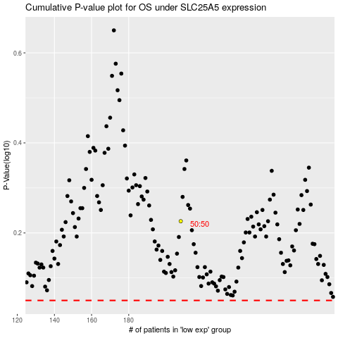

 |  |  |  |  |  | cases_OS | p_OS | rank | exp
 |  |  |  |  |  |  | cases_RFS | p_RFS | rank | exp

