SLC25A6 _multivariate
Reported by Tex Li-Hsing Chi. tex@gate.sinica.edu.tw 2019-08-16

Table 2. The clinicopathological features of HNSCC cohort and SLC25A6 expression. (Chi square test)
Cutoff at -0.333 (49.8%)
 |  | SLC25A6 expression |  | SLC25A6 expression |  | (Optimised)
 | Features | Low | (%) | High | (%) | Case no | P-value | Remark | Matthews
Gender | Female | 152 | 36.6 | 154 | 37.1 | 415 | 0.9766 | 0 | 0
2 | Male | 55 | 13.3 | 54 | 13
Age at diagnosis | <=65y | 135 | 32.5 | 139 | 33.5 | 415 | 0.8084 | 0 | 0
4 | >65y | 72 | 17.3 | 69 | 16.6
Clinical T Status | T1+T2 | 65 | 15.7 | 84 | 20.2 | 415 | 0.0711 | 0 | 0
6 | T3+T4 | 142 | 34.2 | 124 | 29.9
Clinical N Status | N0 | 107 | 25.8 | 109 | 26.3 | 415 | 0.9624 | 0 | 0
8 | N1-3 | 100 | 24.1 | 99 | 23.9
Clinical M Status | M0 | 205 | 49.4 | 207 | 49.9 | 415 | 0.6232 | 0 | 0
10 | M1 | 2 | 0.5 | 1 | 0.2
Clinical Stage | Stage I+II | 41 | 9.9 | 61 | 14.7 | 415 | 0.0325 | 1 | 0
12 | Stage III+IV | 166 | 40 | 147 | 35.4
Surgical Margin status | Negative | 156 | 37.6 | 162 | 39 | 415 | 0.5636 | 0 | 0
14 | Positive | 51 | 12.3 | 46 | 11.1
Tobacco Exposure | Low | 75 | 18.1 | 86 | 20.7 | 415 | 0.3141 | 0 | 0
16 | High | 132 | 31.8 | 122 | 29.4

Table 3. Univariate/Multivariate Cox's proportional hazards regression analyses on OS time of SLC25A6 gene expression in HNSCC

 |  | Univariate |  |  |  | Multivariate
 | Features | HR | CI95%(L) | CI95%(H) | P-value | HR | CI95%(L) | CI95%(H) | P-value
1 | Female | 1 |  |  |  | 1
Gender | Male | 1.157 | 0.843 | 1.587 | 0.367 | 1.207 | 0.863 | 1.687 | 0.271
11 | <=65y | 1 |  |  |  | 1
Age at diagnosis | >65y | 1.329 | 0.99 | 1.784 | 0.058 | 1.37 | 1.007 | 1.865 | 0.045
12 | T1+T2 | 1 |  |  |  | 1
Clinical T Status | T3+T4 | 1.409 | 1.028 | 1.931 | 0.033 | 2.193 | 1.16 | 4.147 | 0.016
13 | N0 | 1 |  |  |  | 1
Clinical N Status | N1-3 | 1.185 | 0.89 | 1.577 | 0.246 | 1.259 | 0.881 | 1.798 | 0.206
14 | M0 | 1 |  |  |  | 1
Clinical M Status | M1 | 4.097 | 1.009 | 16.644 | 0.049 | 9.182 | 2.002 | 42.113 | 0.004
15 | Stage I+II | 1 |  |  |  | 1
Clinical Stage | Stage III+IV | 1.245 | 0.882 | 1.759 | 0.213 | 0.495 | 0.23 | 1.065 | 0.072
16 | Negative | 1 |  |  |  | 1
Surgical Margin status | Positive | 1.591 | 1.155 | 2.191 | 0.004 | 1.666 | 1.205 | 2.302 | 0.002
17 | Low | 1 |  |  |  | 1
Tobacco Exposure | High | 1.364 | 1.008 | 1.844 | 0.044 | 1.443 | 1.048 | 1.988 | 0.025
18 | Low | 1 |  |  |  | 1
RNAseq(z-score) | High | 0.81 | 0.606 | 1.082 | 0.153 | 0.861 | 0.642 | 1.156 | 0.321

Table 4. Univariate/Multivariate Cox's proportional hazards regression analyses on RFS time of SLC25A6 gene expression in HNSCC

 |  | Univariate |  |  |  | Multivariate
 | Features | HR | CI95%(L) | CI95%(H) | P-value | HR | CI95%(L) | CI95%(H) | P-value
1 | Female | 1 |  |  |  | 1
Gender | Male | 1.157 | 0.843 | 1.587 | 0.367 | 1.207 | 0.863 | 1.687 | 0.271
11 | <=65y | 1 |  |  |  | 1
Age at diagnosis | >65y | 1.329 | 0.99 | 1.784 | 0.058 | 1.37 | 1.007 | 1.865 | 0.045
12 | T1+T2 | 1 |  |  |  | 1
Clinical T Status | T3+T4 | 1.409 | 1.028 | 1.931 | 0.033 | 2.193 | 1.16 | 4.147 | 0.016
13 | N0 | 1 |  |  |  | 1
Clinical N Status | N1-3 | 1.185 | 0.89 | 1.577 | 0.246 | 1.259 | 0.881 | 1.798 | 0.206
14 | M0 | 1 |  |  |  | 1
Clinical M Status | M1 | 4.097 | 1.009 | 16.644 | 0.049 | 9.182 | 2.002 | 42.113 | 0.004
15 | Stage I+II | 1 |  |  |  | 1
Clinical Stage | Stage III+IV | 1.245 | 0.882 | 1.759 | 0.213 | 0.495 | 0.23 | 1.065 | 0.072
16 | Negative | 1 |  |  |  | 1
Surgical Margin status | Positive | 1.591 | 1.155 | 2.191 | 0.004 | 1.666 | 1.205 | 2.302 | 0.002
17 | Low | 1 |  |  |  | 1
Tobacco Exposure | High | 1.364 | 1.008 | 1.844 | 0.044 | 1.443 | 1.048 | 1.988 | 0.025
18 | Low | 1 |  |  |  | 1
RNAseq(z-score) | High | 0.81 | 0.606 | 1.082 | 0.153 | 0.861 | 0.642 | 1.156 | 0.321

Kaplan-Meier survival estimate: Cutoff at -0.333 (49.8%)



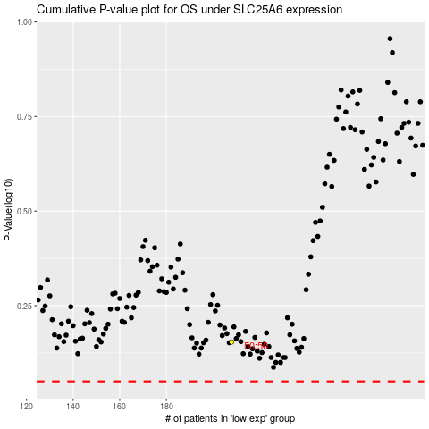

 |  |  |  |  |  | cases_OS | p_OS | rank | exp
 |  |  |  |  |  |  | cases_RFS | p_RFS | rank | exp

