SLC26A10 _multivariate
Reported by Tex Li-Hsing Chi. tex@gate.sinica.edu.tw 2019-08-16

Table 2. The clinicopathological features of HNSCC cohort and SLC26A10 expression. (Chi square test)
Cutoff at -0.282 (49.8%)
 |  | SLC26A10 expression |  | SLC26A10 expression |  | (Optimised)
 | Features | Low | (%) | High | (%) | Case no | P-value | Remark | Matthews
Gender | Female | 146 | 35.2 | 160 | 38.6 | 415 | 0.1714 | 0 | 0
2 | Male | 61 | 14.7 | 48 | 11.6
Age at diagnosis | <=65y | 140 | 33.7 | 134 | 32.3 | 415 | 0.5574 | 0 | 0
4 | >65y | 67 | 16.1 | 74 | 17.8
Clinical T Status | T1+T2 | 80 | 19.3 | 69 | 16.6 | 415 | 0.2891 | 0 | 0
6 | T3+T4 | 127 | 30.6 | 139 | 33.5
Clinical N Status | N0 | 99 | 23.9 | 117 | 28.2 | 415 | 0.1054 | 0 | 0
8 | N1-3 | 108 | 26 | 91 | 21.9
Clinical M Status | M0 | 205 | 49.4 | 207 | 49.9 | 415 | 0.6232 | 0 | 0
10 | M1 | 2 | 0.5 | 1 | 0.2
Clinical Stage | Stage I+II | 50 | 12 | 52 | 12.5 | 415 | 0.9315 | 0 | 0
12 | Stage III+IV | 157 | 37.8 | 156 | 37.6
Surgical Margin status | Negative | 154 | 37.1 | 164 | 39.5 | 415 | 0.2984 | 0 | 0
14 | Positive | 53 | 12.8 | 44 | 10.6
Tobacco Exposure | Low | 96 | 23.1 | 65 | 15.7 | 415 | 0.0018 | 1 | 0
16 | High | 111 | 26.7 | 143 | 34.5

Table 3. Univariate/Multivariate Cox's proportional hazards regression analyses on OS time of SLC26A10 gene expression in HNSCC

 |  | Univariate |  |  |  | Multivariate
 | Features | HR | CI95%(L) | CI95%(H) | P-value | HR | CI95%(L) | CI95%(H) | P-value
1 | Female | 1 |  |  |  | 1
Gender | Male | 1.157 | 0.843 | 1.587 | 0.367 | 1.204 | 0.862 | 1.683 | 0.276
11 | <=65y | 1 |  |  |  | 1
Age at diagnosis | >65y | 1.329 | 0.99 | 1.784 | 0.058 | 1.385 | 1.018 | 1.883 | 0.038
12 | T1+T2 | 1 |  |  |  | 1
Clinical T Status | T3+T4 | 1.409 | 1.028 | 1.931 | 0.033 | 2.18 | 1.152 | 4.125 | 0.017
13 | N0 | 1 |  |  |  | 1
Clinical N Status | N1-3 | 1.185 | 0.89 | 1.577 | 0.246 | 1.252 | 0.876 | 1.789 | 0.217
14 | M0 | 1 |  |  |  | 1
Clinical M Status | M1 | 4.097 | 1.009 | 16.644 | 0.049 | 9.552 | 2.082 | 43.819 | 0.004
15 | Stage I+II | 1 |  |  |  | 1
Clinical Stage | Stage III+IV | 1.245 | 0.882 | 1.759 | 0.213 | 0.507 | 0.236 | 1.089 | 0.081
16 | Negative | 1 |  |  |  | 1
Surgical Margin status | Positive | 1.591 | 1.155 | 2.191 | 0.004 | 1.685 | 1.218 | 2.33 | 0.002
17 | Low | 1 |  |  |  | 1
Tobacco Exposure | High | 1.364 | 1.008 | 1.844 | 0.044 | 1.432 | 1.035 | 1.98 | 0.03
18 | Low | 1 |  |  |  | 1
RNAseq(z-score) | High | 1.111 | 0.832 | 1.483 | 0.477 | 1.095 | 0.813 | 1.473 | 0.551

Table 4. Univariate/Multivariate Cox's proportional hazards regression analyses on RFS time of SLC26A10 gene expression in HNSCC

 |  | Univariate |  |  |  | Multivariate
 | Features | HR | CI95%(L) | CI95%(H) | P-value | HR | CI95%(L) | CI95%(H) | P-value
1 | Female | 1 |  |  |  | 1
Gender | Male | 1.157 | 0.843 | 1.587 | 0.367 | 1.204 | 0.862 | 1.683 | 0.276
11 | <=65y | 1 |  |  |  | 1
Age at diagnosis | >65y | 1.329 | 0.99 | 1.784 | 0.058 | 1.385 | 1.018 | 1.883 | 0.038
12 | T1+T2 | 1 |  |  |  | 1
Clinical T Status | T3+T4 | 1.409 | 1.028 | 1.931 | 0.033 | 2.18 | 1.152 | 4.125 | 0.017
13 | N0 | 1 |  |  |  | 1
Clinical N Status | N1-3 | 1.185 | 0.89 | 1.577 | 0.246 | 1.252 | 0.876 | 1.789 | 0.217
14 | M0 | 1 |  |  |  | 1
Clinical M Status | M1 | 4.097 | 1.009 | 16.644 | 0.049 | 9.552 | 2.082 | 43.819 | 0.004
15 | Stage I+II | 1 |  |  |  | 1
Clinical Stage | Stage III+IV | 1.245 | 0.882 | 1.759 | 0.213 | 0.507 | 0.236 | 1.089 | 0.081
16 | Negative | 1 |  |  |  | 1
Surgical Margin status | Positive | 1.591 | 1.155 | 2.191 | 0.004 | 1.685 | 1.218 | 2.33 | 0.002
17 | Low | 1 |  |  |  | 1
Tobacco Exposure | High | 1.364 | 1.008 | 1.844 | 0.044 | 1.432 | 1.035 | 1.98 | 0.03
18 | Low | 1 |  |  |  | 1
RNAseq(z-score) | High | 1.111 | 0.832 | 1.483 | 0.477 | 1.095 | 0.813 | 1.473 | 0.551

Kaplan-Meier survival estimate: Cutoff at -0.282 (49.8%)



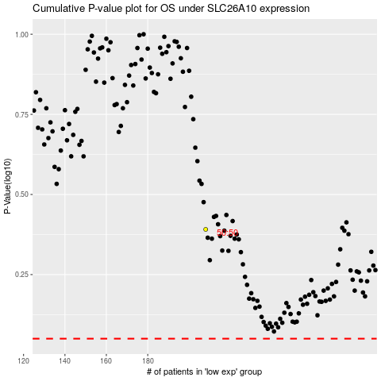

 |  |  |  |  |  | cases_OS | p_OS | rank | exp
 |  |  |  |  |  |  | cases_RFS | p_RFS | rank | exp

