SLC26A11 _multivariate
Reported by Tex Li-Hsing Chi. tex@gate.sinica.edu.tw 2019-08-16

Table 2. The clinicopathological features of HNSCC cohort and SLC26A11 expression. (Chi square test)
Cutoff at -0.611 (34.1%)
 |  | SLC26A11 expression |  | SLC26A11 expression |  | (Optimised)
 | Features | Low | (%) | High | (%) | Case no | P-value | Remark | Matthews
Gender | Female | 96 | 23.1 | 210 | 50.6 | 415 | 0.0538 | 0 | 0
2 | Male | 46 | 11.1 | 63 | 15.2
Age at diagnosis | <=65y | 94 | 22.7 | 180 | 43.4 | 415 | 1 | 0 | 0
4 | >65y | 48 | 11.6 | 93 | 22.4
Clinical T Status | T1+T2 | 43 | 10.4 | 106 | 25.5 | 415 | 0.1065 | 0 | 0
6 | T3+T4 | 99 | 23.9 | 167 | 40.2
Clinical N Status | N0 | 75 | 18.1 | 141 | 34 | 415 | 0.9025 | 0 | 0
8 | N1-3 | 67 | 16.1 | 132 | 31.8
Clinical M Status | M0 | 142 | 34.2 | 270 | 65.1 | 415 | 0.5542 | 0 | 0
10 | M1 | 0 | 0 | 3 | 0.7
Clinical Stage | Stage I+II | 34 | 8.2 | 68 | 16.4 | 415 | 0.9232 | 0 | 0
12 | Stage III+IV | 108 | 26 | 205 | 49.4
Surgical Margin status | Negative | 108 | 26 | 210 | 50.6 | 415 | 0.9028 | 0 | 0
14 | Positive | 34 | 8.2 | 63 | 15.2
Tobacco Exposure | Low | 64 | 15.4 | 97 | 23.4 | 415 | 0.0709 | 0 | 0
16 | High | 78 | 18.8 | 176 | 42.4

Table 3. Univariate/Multivariate Cox's proportional hazards regression analyses on OS time of SLC26A11 gene expression in HNSCC

 |  | Univariate |  |  |  | Multivariate
 | Features | HR | CI95%(L) | CI95%(H) | P-value | HR | CI95%(L) | CI95%(H) | P-value
1 | Female | 1 |  |  |  | 1
Gender | Male | 1.157 | 0.843 | 1.587 | 0.367 | 1.172 | 0.838 | 1.641 | 0.354
11 | <=65y | 1 |  |  |  | 1
Age at diagnosis | >65y | 1.329 | 0.99 | 1.784 | 0.058 | 1.41 | 1.037 | 1.918 | 0.029
12 | T1+T2 | 1 |  |  |  | 1
Clinical T Status | T3+T4 | 1.409 | 1.028 | 1.931 | 0.033 | 1.956 | 1.03 | 3.716 | 0.04
13 | N0 | 1 |  |  |  | 1
Clinical N Status | N1-3 | 1.185 | 0.89 | 1.577 | 0.246 | 1.244 | 0.872 | 1.773 | 0.228
14 | M0 | 1 |  |  |  | 1
Clinical M Status | M1 | 4.097 | 1.009 | 16.644 | 0.049 | 10.29 | 2.243 | 47.214 | 0.003
15 | Stage I+II | 1 |  |  |  | 1
Clinical Stage | Stage III+IV | 1.245 | 0.882 | 1.759 | 0.213 | 0.552 | 0.257 | 1.188 | 0.129
16 | Negative | 1 |  |  |  | 1
Surgical Margin status | Positive | 1.591 | 1.155 | 2.191 | 0.004 | 1.687 | 1.221 | 2.332 | 0.002
17 | Low | 1 |  |  |  | 1
Tobacco Exposure | High | 1.364 | 1.008 | 1.844 | 0.044 | 1.533 | 1.109 | 2.121 | 0.01
18 | Low | 1 |  |  |  | 1
RNAseq(z-score) | High | 0.623 | 0.465 | 0.833 | 0.001 | 0.61 | 0.453 | 0.821 | 0.001

Table 4. Univariate/Multivariate Cox's proportional hazards regression analyses on RFS time of SLC26A11 gene expression in HNSCC

 |  | Univariate |  |  |  | Multivariate
 | Features | HR | CI95%(L) | CI95%(H) | P-value | HR | CI95%(L) | CI95%(H) | P-value
1 | Female | 1 |  |  |  | 1
Gender | Male | 1.157 | 0.843 | 1.587 | 0.367 | 1.172 | 0.838 | 1.641 | 0.354
11 | <=65y | 1 |  |  |  | 1
Age at diagnosis | >65y | 1.329 | 0.99 | 1.784 | 0.058 | 1.41 | 1.037 | 1.918 | 0.029
12 | T1+T2 | 1 |  |  |  | 1
Clinical T Status | T3+T4 | 1.409 | 1.028 | 1.931 | 0.033 | 1.956 | 1.03 | 3.716 | 0.04
13 | N0 | 1 |  |  |  | 1
Clinical N Status | N1-3 | 1.185 | 0.89 | 1.577 | 0.246 | 1.244 | 0.872 | 1.773 | 0.228
14 | M0 | 1 |  |  |  | 1
Clinical M Status | M1 | 4.097 | 1.009 | 16.644 | 0.049 | 10.29 | 2.243 | 47.214 | 0.003
15 | Stage I+II | 1 |  |  |  | 1
Clinical Stage | Stage III+IV | 1.245 | 0.882 | 1.759 | 0.213 | 0.552 | 0.257 | 1.188 | 0.129
16 | Negative | 1 |  |  |  | 1
Surgical Margin status | Positive | 1.591 | 1.155 | 2.191 | 0.004 | 1.687 | 1.221 | 2.332 | 0.002
17 | Low | 1 |  |  |  | 1
Tobacco Exposure | High | 1.364 | 1.008 | 1.844 | 0.044 | 1.533 | 1.109 | 2.121 | 0.01
18 | Low | 1 |  |  |  | 1
RNAseq(z-score) | High | 0.623 | 0.465 | 0.833 | 0.001 | 0.61 | 0.453 | 0.821 | 0.001

Kaplan-Meier survival estimate: Cutoff at -0.611 (34.1%)

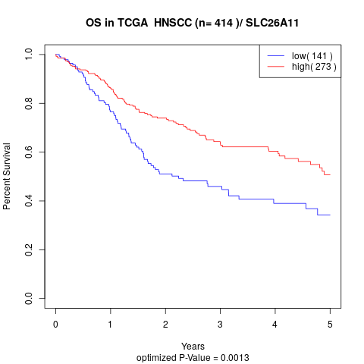

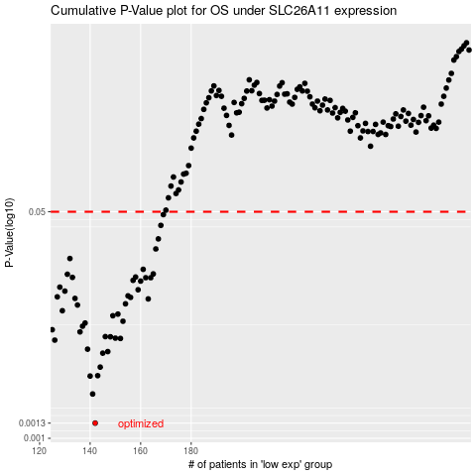

 |  |  |  |  |  | cases_OS | p_OS | rank | exp
 |  |  |  |  |  | 142 | 0.0013 | 205 | -0.61070100861
 |  |  |  |  |  | 141 | 0.00215 | 210 | -0.62068233567
 |  |  |  |  |  | 140 | 0.00293 | 161 | -0.62194906888
 |  |  |  |  |  | 143 | 0.00295 | 332 | -0.60549101169
 |  |  |  |  |  | 144 | 0.00342 | 235 | -0.60240518518
 |  |  |  |  |  | 145 | 0.00435 | 286 | -0.58562404945
 |  |  |  |  |  | 147 | 0.00447 | 17 | -0.5779099569
 |  |  |  |  |  | 139 | 0.00466 | 287 | -0.62566968315
 |  |  |  |  |  | 126 | 0.00545 | 230 | -0.68894854916
 |  |  |  |  |  | 152 | 0.00561 | 347 | -0.54244426957
 |  |  |  |  |  | 150 | 0.00564 | 255 | -0.55386476472
 |  |  |  |  |  | 148 | 0.00577 | 41 | -0.56478595666
 |  |  |  |  |  | 146 | 0.00579 | 90 | -0.58023782786
 |  |  |  |  |  | 136 | 0.00628 | 319 | -0.6470591886
 |  |  |  |  |  | 125 | 0.00652 | 322 | -0.69034223992
 |  |  |  |  |  | 137 | 0.00693 | 315 | -0.64410316197
 |  |  |  |  |  | 138 | 0.00732 | 21 | -0.63518107778
 |  |  |  |  |  | 153 | 0.00755 | 112 | -0.54106289559
 |  |  |  |  |  | 149 | 0.0083 | 114 | -0.55995209518
 |  |  |  |  |  | 151 | 0.00854 | 389 | -0.54361152111
 |  |  |  |  |  | 129 | 0.00905 | 49 | -0.67780376034
 |  |  |  |  |  | 135 | 0.00999 | 225 | -0.6488527009
 |  |  |  |  |  | 154 | 0.0102 | 388 | -0.53810213175
 |  |  |  |  |  | 163 | 0.0111 | 111 | -0.47988735622
 |  |  |  |  |  | 134 | 0.0112 | 211 | -0.64962297322
 |  |  |  |  |  | 156 | 0.0114 | 105 | -0.51089437006
 |  |  |  |  |  | 127 | 0.0115 | 353 | -0.68184745316
 |  |  |  |  |  | 155 | 0.0117 | 212 | -0.52459915374
 |  |  |  |  |  | 130 | 0.0127 | 126 | -0.67301442874
 |  |  |  |  |  | 159 | 0.013 | 360 | -0.50675782768
 |  |  |  |  |  | 128 | 0.0136 | 70 | -0.68027090563
 |  |  |  |  |  | 160 | 0.0151 | 15 | -0.49804797104
 |  |  |  |  |  | 157 | 0.0153 | 27 | -0.50938224876
 |  |  |  |  |  | 162 | 0.016 | 2 | -0.48815759864
 |  |  |  |  |  | 164 | 0.016 | 298 | -0.47715587393
 |  |  |  |  |  | 133 | 0.0161 | 308 | -0.65218960018
 |  |  |  |  |  | 158 | 0.0162 | 56 | -0.50801698133
 |  |  |  |  |  | 131 | 0.017 | 42 | -0.6701389349
 |  |  |  |  |  | 165 | 0.0171 | 188 | -0.47169101446
 |  |  |  |  |  | 161 | 0.0185 | 55 | -0.49749371605
 |  |  |  |  |  | 132 | 0.0223 | 372 | -0.66434625966
 |  |  |  |  |  | 166 | 0.0263 | 303 | -0.46131649795
 |  |  |  |  |  | 167 | 0.0313 | 169 | -0.46022598941
 |  |  |  |  |  | 168 | 0.0395 | 234 | -0.45956846298
 |  |  |  |  |  | 169 | 0.0476 | 380 | -0.4590549481
 |  |  |  |  |  |  | cases_RFS | p_RFS | rank | exp
 |  |  |  |  |  |  | 141 | 0.0013 | 210 | -0.62068233567
 |  |  |  |  |  |  | 140 | 0.00215 | 161 | -0.62194906888
 |  |  |  |  |  |  | 139 | 0.00293 | 287 | -0.62566968315
 |  |  |  |  |  |  | 142 | 0.00295 | 205 | -0.61070100861
 |  |  |  |  |  |  | 143 | 0.00342 | 332 | -0.60549101169
 |  |  |  |  |  |  | 144 | 0.00435 | 235 | -0.60240518518
 |  |  |  |  |  |  | 146 | 0.00447 | 90 | -0.58023782786
 |  |  |  |  |  |  | 138 | 0.00466 | 21 | -0.63518107778
 |  |  |  |  |  |  | 125 | 0.00545 | 322 | -0.69034223992
 |  |  |  |  |  |  | 151 | 0.00561 | 389 | -0.54361152111
 |  |  |  |  |  |  | 149 | 0.00564 | 114 | -0.55995209518
 |  |  |  |  |  |  | 147 | 0.00577 | 17 | -0.5779099569
 |  |  |  |  |  |  | 145 | 0.00579 | 286 | -0.58562404945
 |  |  |  |  |  |  | 135 | 0.00628 | 225 | -0.6488527009
 |  |  |  |  |  |  |  | 0.00652 | 78 | -0.69167434678
 |  |  |  |  |  |  | 136 | 0.00693 | 319 | -0.6470591886
 |  |  |  |  |  |  | 137 | 0.00732 | 315 | -0.64410316197
 |  |  |  |  |  |  | 152 | 0.00755 | 347 | -0.54244426957
 |  |  |  |  |  |  | 148 | 0.0083 | 41 | -0.56478595666
 |  |  |  |  |  |  | 150 | 0.00854 | 255 | -0.55386476472
 |  |  |  |  |  |  | 128 | 0.00905 | 70 | -0.68027090563
 |  |  |  |  |  |  | 134 | 0.00999 | 211 | -0.64962297322
 |  |  |  |  |  |  | 153 | 0.0102 | 112 | -0.54106289559
 |  |  |  |  |  |  | 162 | 0.0111 | 2 | -0.48815759864
 |  |  |  |  |  |  | 133 | 0.0112 | 308 | -0.65218960018
 |  |  |  |  |  |  | 155 | 0.0114 | 212 | -0.52459915374
 |  |  |  |  |  |  | 126 | 0.0115 | 230 | -0.68894854916
 |  |  |  |  |  |  | 154 | 0.0117 | 388 | -0.53810213175
 |  |  |  |  |  |  | 129 | 0.0127 | 49 | -0.67780376034
 |  |  |  |  |  |  | 158 | 0.013 | 56 | -0.50801698133
 |  |  |  |  |  |  | 127 | 0.0136 | 353 | -0.68184745316
 |  |  |  |  |  |  | 159 | 0.0151 | 360 | -0.50675782768
 |  |  |  |  |  |  | 156 | 0.0153 | 105 | -0.51089437006
 |  |  |  |  |  |  | 161 | 0.016 | 55 | -0.49749371605
 |  |  |  |  |  |  | 163 | 0.016 | 111 | -0.47988735622
 |  |  |  |  |  |  | 132 | 0.0161 | 372 | -0.66434625966
 |  |  |  |  |  |  | 157 | 0.0162 | 27 | -0.50938224876
 |  |  |  |  |  |  | 130 | 0.017 | 126 | -0.67301442874
 |  |  |  |  |  |  | 164 | 0.0171 | 298 | -0.47715587393
 |  |  |  |  |  |  | 160 | 0.0185 | 15 | -0.49804797104
 |  |  |  |  |  |  | 131 | 0.0223 | 42 | -0.6701389349
 |  |  |  |  |  |  | 165 | 0.0263 | 188 | -0.47169101446
 |  |  |  |  |  |  | 166 | 0.0313 | 303 | -0.46131649795
 |  |  |  |  |  |  | 167 | 0.0395 | 169 | -0.46022598941
 |  |  |  |  |  |  | 168 | 0.0476 | 234 | -0.45956846298

