SLC26A4 _multivariate
Reported by Tex Li-Hsing Chi. tex@gate.sinica.edu.tw 2019-08-16

Table 2. The clinicopathological features of HNSCC cohort and SLC26A4 expression. (Chi square test)
Cutoff at -0.236 (30.4%)
 |  | SLC26A4 expression |  | SLC26A4 expression |  | (Optimised)
 | Features | Low | (%) | High | (%) | Case no | P-value | Remark | Matthews
Gender | Female | 94 | 22.7 | 212 | 51.1 | 415 | 0.8854 | 0 | 0
2 | Male | 32 | 7.7 | 77 | 18.6
Age at diagnosis | <=65y | 77 | 18.6 | 197 | 47.5 | 415 | 0.1996 | 0 | 0
4 | >65y | 49 | 11.8 | 92 | 22.2
Clinical T Status | T1+T2 | 42 | 10.1 | 107 | 25.8 | 415 | 0.5422 | 0 | 0
6 | T3+T4 | 84 | 20.2 | 182 | 43.9
Clinical N Status | N0 | 70 | 16.9 | 146 | 35.2 | 415 | 0.4023 | 0 | 0
8 | N1-3 | 56 | 13.5 | 143 | 34.5
Clinical M Status | M0 | 123 | 29.6 | 289 | 69.6 | 415 | 0.0275 | 1 | 0
10 | M1 | 3 | 0.7 | 0 | 0
Clinical Stage | Stage I+II | 33 | 8 | 69 | 16.6 | 415 | 0.7042 | 0 | 0
12 | Stage III+IV | 93 | 22.4 | 220 | 53
Surgical Margin status | Negative | 90 | 21.7 | 228 | 54.9 | 415 | 0.1027 | 0 | 0
14 | Positive | 36 | 8.7 | 61 | 14.7
Tobacco Exposure | Low | 52 | 12.5 | 109 | 26.3 | 415 | 0.5123 | 0 | 0
16 | High | 74 | 17.8 | 180 | 43.4

Table 3. Univariate/Multivariate Cox's proportional hazards regression analyses on OS time of SLC26A4 gene expression in HNSCC

 |  | Univariate |  |  |  | Multivariate
 | Features | HR | CI95%(L) | CI95%(H) | P-value | HR | CI95%(L) | CI95%(H) | P-value
1 | Female | 1 |  |  |  | 1
Gender | Male | 1.157 | 0.843 | 1.587 | 0.367 | 1.185 | 0.847 | 1.658 | 0.321
11 | <=65y | 1 |  |  |  | 1
Age at diagnosis | >65y | 1.329 | 0.99 | 1.784 | 0.058 | 1.386 | 1.019 | 1.884 | 0.037
12 | T1+T2 | 1 |  |  |  | 1
Clinical T Status | T3+T4 | 1.409 | 1.028 | 1.931 | 0.033 | 2.1 | 1.106 | 3.99 | 0.023
13 | N0 | 1 |  |  |  | 1
Clinical N Status | N1-3 | 1.185 | 0.89 | 1.577 | 0.246 | 1.231 | 0.863 | 1.756 | 0.252
14 | M0 | 1 |  |  |  | 1
Clinical M Status | M1 | 4.097 | 1.009 | 16.644 | 0.049 | 7.802 | 1.659 | 36.684 | 0.009
15 | Stage I+II | 1 |  |  |  | 1
Clinical Stage | Stage III+IV | 1.245 | 0.882 | 1.759 | 0.213 | 0.537 | 0.248 | 1.159 | 0.113
16 | Negative | 1 |  |  |  | 1
Surgical Margin status | Positive | 1.591 | 1.155 | 2.191 | 0.004 | 1.639 | 1.184 | 2.268 | 0.003
17 | Low | 1 |  |  |  | 1
Tobacco Exposure | High | 1.364 | 1.008 | 1.844 | 0.044 | 1.455 | 1.057 | 2.005 | 0.022
18 | Low | 1 |  |  |  | 1
RNAseq(z-score) | High | 0.731 | 0.54 | 0.991 | 0.044 | 0.814 | 0.596 | 1.112 | 0.197

Table 4. Univariate/Multivariate Cox's proportional hazards regression analyses on RFS time of SLC26A4 gene expression in HNSCC

 |  | Univariate |  |  |  | Multivariate
 | Features | HR | CI95%(L) | CI95%(H) | P-value | HR | CI95%(L) | CI95%(H) | P-value
1 | Female | 1 |  |  |  | 1
Gender | Male | 1.157 | 0.843 | 1.587 | 0.367 | 1.185 | 0.847 | 1.658 | 0.321
11 | <=65y | 1 |  |  |  | 1
Age at diagnosis | >65y | 1.329 | 0.99 | 1.784 | 0.058 | 1.386 | 1.019 | 1.884 | 0.037
12 | T1+T2 | 1 |  |  |  | 1
Clinical T Status | T3+T4 | 1.409 | 1.028 | 1.931 | 0.033 | 2.1 | 1.106 | 3.99 | 0.023
13 | N0 | 1 |  |  |  | 1
Clinical N Status | N1-3 | 1.185 | 0.89 | 1.577 | 0.246 | 1.231 | 0.863 | 1.756 | 0.252
14 | M0 | 1 |  |  |  | 1
Clinical M Status | M1 | 4.097 | 1.009 | 16.644 | 0.049 | 7.802 | 1.659 | 36.684 | 0.009
15 | Stage I+II | 1 |  |  |  | 1
Clinical Stage | Stage III+IV | 1.245 | 0.882 | 1.759 | 0.213 | 0.537 | 0.248 | 1.159 | 0.113
16 | Negative | 1 |  |  |  | 1
Surgical Margin status | Positive | 1.591 | 1.155 | 2.191 | 0.004 | 1.639 | 1.184 | 2.268 | 0.003
17 | Low | 1 |  |  |  | 1
Tobacco Exposure | High | 1.364 | 1.008 | 1.844 | 0.044 | 1.455 | 1.057 | 2.005 | 0.022
18 | Low | 1 |  |  |  | 1
RNAseq(z-score) | High | 0.731 | 0.54 | 0.991 | 0.044 | 0.814 | 0.596 | 1.112 | 0.197

Kaplan-Meier survival estimate: Cutoff at -0.236 (30.4%)



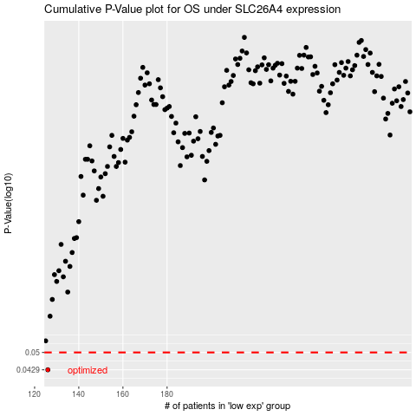

 |  |  |  |  |  | cases_OS | p_OS | rank | exp
 |  |  |  |  |  | 126 | 0.0429 | 183 | -0.2361616914
 |  |  |  |  |  |  | cases_RFS | p_RFS | rank | exp
 |  |  |  |  |  |  | 125 | 0.0429 | 163 | -0.23659590426

