SLC27A1 _multivariate
Reported by Tex Li-Hsing Chi. tex@gate.sinica.edu.tw 2019-08-16

Table 2. The clinicopathological features of HNSCC cohort and SLC27A1 expression. (Chi square test)
Cutoff at -0.257 (49.8%)
 |  | SLC27A1 expression |  | SLC27A1 expression |  | (Optimised)
 | Features | Low | (%) | High | (%) | Case no | P-value | Remark | Matthews
Gender | Female | 145 | 34.9 | 161 | 38.8 | 415 | 0.1116 | 0 | 0
2 | Male | 62 | 14.9 | 47 | 11.3
Age at diagnosis | <=65y | 135 | 32.5 | 139 | 33.5 | 415 | 0.8084 | 0 | 0
4 | >65y | 72 | 17.3 | 69 | 16.6
Clinical T Status | T1+T2 | 67 | 16.1 | 82 | 19.8 | 415 | 0.1628 | 0 | 0
6 | T3+T4 | 140 | 33.7 | 126 | 30.4
Clinical N Status | N0 | 109 | 26.3 | 107 | 25.8 | 415 | 0.8812 | 0 | 0
8 | N1-3 | 98 | 23.6 | 101 | 24.3
Clinical M Status | M0 | 205 | 49.4 | 207 | 49.9 | 415 | 0.6232 | 0 | 0
10 | M1 | 2 | 0.5 | 1 | 0.2
Clinical Stage | Stage I+II | 49 | 11.8 | 53 | 12.8 | 415 | 0.7535 | 0 | 0
12 | Stage III+IV | 158 | 38.1 | 155 | 37.3
Surgical Margin status | Negative | 158 | 38.1 | 160 | 38.6 | 415 | 0.9081 | 0 | 0
14 | Positive | 49 | 11.8 | 48 | 11.6
Tobacco Exposure | Low | 88 | 21.2 | 73 | 17.6 | 415 | 0.1314 | 0 | 0
16 | High | 119 | 28.7 | 135 | 32.5

Table 3. Univariate/Multivariate Cox's proportional hazards regression analyses on OS time of SLC27A1 gene expression in HNSCC

 |  | Univariate |  |  |  | Multivariate
 | Features | HR | CI95%(L) | CI95%(H) | P-value | HR | CI95%(L) | CI95%(H) | P-value
1 | Female | 1 |  |  |  | 1
Gender | Male | 1.157 | 0.843 | 1.587 | 0.367 | 1.179 | 0.843 | 1.651 | 0.336
11 | <=65y | 1 |  |  |  | 1
Age at diagnosis | >65y | 1.329 | 0.99 | 1.784 | 0.058 | 1.393 | 1.025 | 1.893 | 0.034
12 | T1+T2 | 1 |  |  |  | 1
Clinical T Status | T3+T4 | 1.409 | 1.028 | 1.931 | 0.033 | 2.158 | 1.139 | 4.087 | 0.018
13 | N0 | 1 |  |  |  | 1
Clinical N Status | N1-3 | 1.185 | 0.89 | 1.577 | 0.246 | 1.247 | 0.873 | 1.779 | 0.225
14 | M0 | 1 |  |  |  | 1
Clinical M Status | M1 | 4.097 | 1.009 | 16.644 | 0.049 | 9.098 | 1.982 | 41.776 | 0.005
15 | Stage I+II | 1 |  |  |  | 1
Clinical Stage | Stage III+IV | 1.245 | 0.882 | 1.759 | 0.213 | 0.506 | 0.236 | 1.088 | 0.081
16 | Negative | 1 |  |  |  | 1
Surgical Margin status | Positive | 1.591 | 1.155 | 2.191 | 0.004 | 1.683 | 1.218 | 2.327 | 0.002
17 | Low | 1 |  |  |  | 1
Tobacco Exposure | High | 1.364 | 1.008 | 1.844 | 0.044 | 1.48 | 1.071 | 2.046 | 0.017
18 | Low | 1 |  |  |  | 1
RNAseq(z-score) | High | 0.867 | 0.65 | 1.156 | 0.332 | 0.868 | 0.647 | 1.165 | 0.345

Table 4. Univariate/Multivariate Cox's proportional hazards regression analyses on RFS time of SLC27A1 gene expression in HNSCC

 |  | Univariate |  |  |  | Multivariate
 | Features | HR | CI95%(L) | CI95%(H) | P-value | HR | CI95%(L) | CI95%(H) | P-value
1 | Female | 1 |  |  |  | 1
Gender | Male | 1.157 | 0.843 | 1.587 | 0.367 | 1.179 | 0.843 | 1.651 | 0.336
11 | <=65y | 1 |  |  |  | 1
Age at diagnosis | >65y | 1.329 | 0.99 | 1.784 | 0.058 | 1.393 | 1.025 | 1.893 | 0.034
12 | T1+T2 | 1 |  |  |  | 1
Clinical T Status | T3+T4 | 1.409 | 1.028 | 1.931 | 0.033 | 2.158 | 1.139 | 4.087 | 0.018
13 | N0 | 1 |  |  |  | 1
Clinical N Status | N1-3 | 1.185 | 0.89 | 1.577 | 0.246 | 1.247 | 0.873 | 1.779 | 0.225
14 | M0 | 1 |  |  |  | 1
Clinical M Status | M1 | 4.097 | 1.009 | 16.644 | 0.049 | 9.098 | 1.982 | 41.776 | 0.005
15 | Stage I+II | 1 |  |  |  | 1
Clinical Stage | Stage III+IV | 1.245 | 0.882 | 1.759 | 0.213 | 0.506 | 0.236 | 1.088 | 0.081
16 | Negative | 1 |  |  |  | 1
Surgical Margin status | Positive | 1.591 | 1.155 | 2.191 | 0.004 | 1.683 | 1.218 | 2.327 | 0.002
17 | Low | 1 |  |  |  | 1
Tobacco Exposure | High | 1.364 | 1.008 | 1.844 | 0.044 | 1.48 | 1.071 | 2.046 | 0.017
18 | Low | 1 |  |  |  | 1
RNAseq(z-score) | High | 0.867 | 0.65 | 1.156 | 0.332 | 0.868 | 0.647 | 1.165 | 0.345

Kaplan-Meier survival estimate: Cutoff at -0.257 (49.8%)



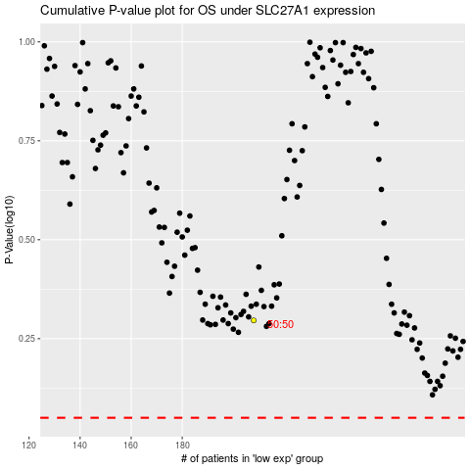

 |  |  |  |  |  | cases_OS | p_OS | rank | exp
 |  |  |  |  |  |  | cases_RFS | p_RFS | rank | exp

