SLC27A3 _multivariate
Reported by Tex Li-Hsing Chi. tex@gate.sinica.edu.tw 2019-08-16

Table 2. The clinicopathological features of HNSCC cohort and SLC27A3 expression. (Chi square test)
Cutoff at -0.211 (49.8%)
 |  | SLC27A3 expression |  | SLC27A3 expression |  | (Optimised)
 | Features | Low | (%) | High | (%) | Case no | P-value | Remark | Matthews
Gender | Female | 155 | 37.3 | 151 | 36.4 | 415 | 0.6768 | 0 | 0
2 | Male | 52 | 12.5 | 57 | 13.7
Age at diagnosis | <=65y | 140 | 33.7 | 134 | 32.3 | 415 | 0.5574 | 0 | 0
4 | >65y | 67 | 16.1 | 74 | 17.8
Clinical T Status | T1+T2 | 67 | 16.1 | 82 | 19.8 | 415 | 0.1628 | 0 | 0
6 | T3+T4 | 140 | 33.7 | 126 | 30.4
Clinical N Status | N0 | 106 | 25.5 | 110 | 26.5 | 415 | 0.8075 | 0 | 0
8 | N1-3 | 101 | 24.3 | 98 | 23.6
Clinical M Status | M0 | 206 | 49.6 | 206 | 49.6 | 415 | 1 | 0 | 0
10 | M1 | 1 | 0.2 | 2 | 0.5
Clinical Stage | Stage I+II | 44 | 10.6 | 58 | 14 | 415 | 0.1459 | 0 | 0
12 | Stage III+IV | 163 | 39.3 | 150 | 36.1
Surgical Margin status | Negative | 155 | 37.3 | 163 | 39.3 | 415 | 0.4187 | 0 | 0
14 | Positive | 52 | 12.5 | 45 | 10.8
Tobacco Exposure | Low | 79 | 19 | 82 | 19.8 | 415 | 0.8405 | 0 | 0
16 | High | 128 | 30.8 | 126 | 30.4

Table 3. Univariate/Multivariate Cox's proportional hazards regression analyses on OS time of SLC27A3 gene expression in HNSCC

 |  | Univariate |  |  |  | Multivariate
 | Features | HR | CI95%(L) | CI95%(H) | P-value | HR | CI95%(L) | CI95%(H) | P-value
1 | Female | 1 |  |  |  | 1
Gender | Male | 1.157 | 0.843 | 1.587 | 0.367 | 1.214 | 0.869 | 1.697 | 0.256
11 | <=65y | 1 |  |  |  | 1
Age at diagnosis | >65y | 1.329 | 0.99 | 1.784 | 0.058 | 1.394 | 1.026 | 1.894 | 0.034
12 | T1+T2 | 1 |  |  |  | 1
Clinical T Status | T3+T4 | 1.409 | 1.028 | 1.931 | 0.033 | 2.218 | 1.173 | 4.195 | 0.014
13 | N0 | 1 |  |  |  | 1
Clinical N Status | N1-3 | 1.185 | 0.89 | 1.577 | 0.246 | 1.248 | 0.874 | 1.78 | 0.222
14 | M0 | 1 |  |  |  | 1
Clinical M Status | M1 | 4.097 | 1.009 | 16.644 | 0.049 | 9.853 | 2.141 | 45.351 | 0.003
15 | Stage I+II | 1 |  |  |  | 1
Clinical Stage | Stage III+IV | 1.245 | 0.882 | 1.759 | 0.213 | 0.496 | 0.231 | 1.065 | 0.072
16 | Negative | 1 |  |  |  | 1
Surgical Margin status | Positive | 1.591 | 1.155 | 2.191 | 0.004 | 1.679 | 1.215 | 2.32 | 0.002
17 | Low | 1 |  |  |  | 1
Tobacco Exposure | High | 1.364 | 1.008 | 1.844 | 0.044 | 1.463 | 1.061 | 2.017 | 0.02
18 | Low | 1 |  |  |  | 1
RNAseq(z-score) | High | 0.938 | 0.705 | 1.25 | 0.663 | 0.887 | 0.664 | 1.184 | 0.416

Table 4. Univariate/Multivariate Cox's proportional hazards regression analyses on RFS time of SLC27A3 gene expression in HNSCC

 |  | Univariate |  |  |  | Multivariate
 | Features | HR | CI95%(L) | CI95%(H) | P-value | HR | CI95%(L) | CI95%(H) | P-value
1 | Female | 1 |  |  |  | 1
Gender | Male | 1.157 | 0.843 | 1.587 | 0.367 | 1.214 | 0.869 | 1.697 | 0.256
11 | <=65y | 1 |  |  |  | 1
Age at diagnosis | >65y | 1.329 | 0.99 | 1.784 | 0.058 | 1.394 | 1.026 | 1.894 | 0.034
12 | T1+T2 | 1 |  |  |  | 1
Clinical T Status | T3+T4 | 1.409 | 1.028 | 1.931 | 0.033 | 2.218 | 1.173 | 4.195 | 0.014
13 | N0 | 1 |  |  |  | 1
Clinical N Status | N1-3 | 1.185 | 0.89 | 1.577 | 0.246 | 1.248 | 0.874 | 1.78 | 0.222
14 | M0 | 1 |  |  |  | 1
Clinical M Status | M1 | 4.097 | 1.009 | 16.644 | 0.049 | 9.853 | 2.141 | 45.351 | 0.003
15 | Stage I+II | 1 |  |  |  | 1
Clinical Stage | Stage III+IV | 1.245 | 0.882 | 1.759 | 0.213 | 0.496 | 0.231 | 1.065 | 0.072
16 | Negative | 1 |  |  |  | 1
Surgical Margin status | Positive | 1.591 | 1.155 | 2.191 | 0.004 | 1.679 | 1.215 | 2.32 | 0.002
17 | Low | 1 |  |  |  | 1
Tobacco Exposure | High | 1.364 | 1.008 | 1.844 | 0.044 | 1.463 | 1.061 | 2.017 | 0.02
18 | Low | 1 |  |  |  | 1
RNAseq(z-score) | High | 0.938 | 0.705 | 1.25 | 0.663 | 0.887 | 0.664 | 1.184 | 0.416

Kaplan-Meier survival estimate: Cutoff at -0.211 (49.8%)



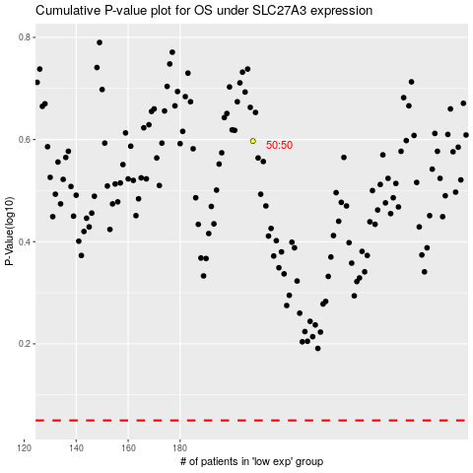

 |  |  |  |  |  | cases_OS | p_OS | rank | exp
 |  |  |  |  |  |  | cases_RFS | p_RFS | rank | exp

