SLC27A4 _multivariate
Reported by Tex Li-Hsing Chi. tex@gate.sinica.edu.tw 2019-08-16

Table 2. The clinicopathological features of HNSCC cohort and SLC27A4 expression. (Chi square test)
Cutoff at -0.16 (50.0%)
 |  | SLC27A4 expression |  | SLC27A4 expression |  | (Optimised)
 | Features | Low | (%) | High | (%) | Case no | P-value | Remark | Matthews
Gender | Female | 158 | 38.1 | 148 | 35.7 | 415 | 0.2774 | 0 | 0
2 | Male | 49 | 11.8 | 60 | 14.5
Age at diagnosis | <=65y | 135 | 32.5 | 139 | 33.5 | 415 | 0.8084 | 0 | 0
4 | >65y | 72 | 17.3 | 69 | 16.6
Clinical T Status | T1+T2 | 84 | 20.2 | 65 | 15.7 | 415 | 0.0603 | 0 | 0
6 | T3+T4 | 123 | 29.6 | 143 | 34.5
Clinical N Status | N0 | 97 | 23.4 | 119 | 28.7 | 415 | 0.0442 | 1 | 0
8 | N1-3 | 110 | 26.5 | 89 | 21.4
Clinical M Status | M0 | 206 | 49.6 | 206 | 49.6 | 415 | 1 | 0 | 0
10 | M1 | 1 | 0.2 | 2 | 0.5
Clinical Stage | Stage I+II | 52 | 12.5 | 50 | 12 | 415 | 0.8871 | 0 | 0
12 | Stage III+IV | 155 | 37.3 | 158 | 38.1
Surgical Margin status | Negative | 147 | 35.4 | 171 | 41.2 | 415 | 0.0077 | 1 | 0
14 | Positive | 60 | 14.5 | 37 | 8.9
Tobacco Exposure | Low | 79 | 19 | 82 | 19.8 | 415 | 0.8405 | 0 | 0
16 | High | 128 | 30.8 | 126 | 30.4

Table 3. Univariate/Multivariate Cox's proportional hazards regression analyses on OS time of SLC27A4 gene expression in HNSCC

 |  | Univariate |  |  |  | Multivariate
 | Features | HR | CI95%(L) | CI95%(H) | P-value | HR | CI95%(L) | CI95%(H) | P-value
1 | Female | 1 |  |  |  | 1
Gender | Male | 1.157 | 0.843 | 1.587 | 0.367 | 1.203 | 0.861 | 1.68 | 0.278
11 | <=65y | 1 |  |  |  | 1
Age at diagnosis | >65y | 1.329 | 0.99 | 1.784 | 0.058 | 1.394 | 1.025 | 1.896 | 0.034
12 | T1+T2 | 1 |  |  |  | 1
Clinical T Status | T3+T4 | 1.409 | 1.028 | 1.931 | 0.033 | 2.225 | 1.173 | 4.223 | 0.014
13 | N0 | 1 |  |  |  | 1
Clinical N Status | N1-3 | 1.185 | 0.89 | 1.577 | 0.246 | 1.237 | 0.866 | 1.766 | 0.242
14 | M0 | 1 |  |  |  | 1
Clinical M Status | M1 | 4.097 | 1.009 | 16.644 | 0.049 | 9.623 | 2.083 | 44.456 | 0.004
15 | Stage I+II | 1 |  |  |  | 1
Clinical Stage | Stage III+IV | 1.245 | 0.882 | 1.759 | 0.213 | 0.502 | 0.234 | 1.078 | 0.077
16 | Negative | 1 |  |  |  | 1
Surgical Margin status | Positive | 1.591 | 1.155 | 2.191 | 0.004 | 1.661 | 1.198 | 2.301 | 0.002
17 | Low | 1 |  |  |  | 1
Tobacco Exposure | High | 1.364 | 1.008 | 1.844 | 0.044 | 1.449 | 1.052 | 1.997 | 0.023
18 | Low | 1 |  |  |  | 1
RNAseq(z-score) | High | 0.966 | 0.724 | 1.288 | 0.812 | 0.957 | 0.712 | 1.287 | 0.773

Table 4. Univariate/Multivariate Cox's proportional hazards regression analyses on RFS time of SLC27A4 gene expression in HNSCC

 |  | Univariate |  |  |  | Multivariate
 | Features | HR | CI95%(L) | CI95%(H) | P-value | HR | CI95%(L) | CI95%(H) | P-value
1 | Female | 1 |  |  |  | 1
Gender | Male | 1.157 | 0.843 | 1.587 | 0.367 | 1.203 | 0.861 | 1.68 | 0.278
11 | <=65y | 1 |  |  |  | 1
Age at diagnosis | >65y | 1.329 | 0.99 | 1.784 | 0.058 | 1.394 | 1.025 | 1.896 | 0.034
12 | T1+T2 | 1 |  |  |  | 1
Clinical T Status | T3+T4 | 1.409 | 1.028 | 1.931 | 0.033 | 2.225 | 1.173 | 4.223 | 0.014
13 | N0 | 1 |  |  |  | 1
Clinical N Status | N1-3 | 1.185 | 0.89 | 1.577 | 0.246 | 1.237 | 0.866 | 1.766 | 0.242
14 | M0 | 1 |  |  |  | 1
Clinical M Status | M1 | 4.097 | 1.009 | 16.644 | 0.049 | 9.623 | 2.083 | 44.456 | 0.004
15 | Stage I+II | 1 |  |  |  | 1
Clinical Stage | Stage III+IV | 1.245 | 0.882 | 1.759 | 0.213 | 0.502 | 0.234 | 1.078 | 0.077
16 | Negative | 1 |  |  |  | 1
Surgical Margin status | Positive | 1.591 | 1.155 | 2.191 | 0.004 | 1.661 | 1.198 | 2.301 | 0.002
17 | Low | 1 |  |  |  | 1
Tobacco Exposure | High | 1.364 | 1.008 | 1.844 | 0.044 | 1.449 | 1.052 | 1.997 | 0.023
18 | Low | 1 |  |  |  | 1
RNAseq(z-score) | High | 0.966 | 0.724 | 1.288 | 0.812 | 0.957 | 0.712 | 1.287 | 0.773

Kaplan-Meier survival estimate: Cutoff at -0.16 (50.0%)



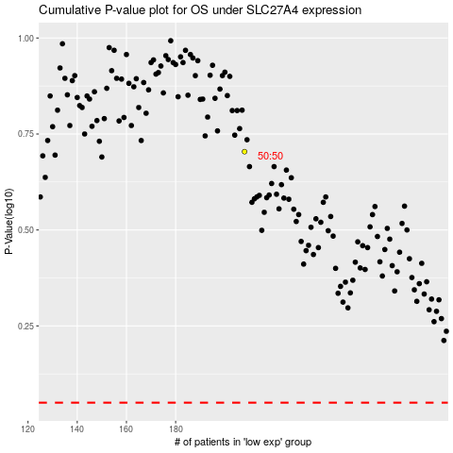

 |  |  |  |  |  | cases_OS | p_OS | rank | exp
 |  |  |  |  |  |  | cases_RFS | p_RFS | rank | exp

