SLC29A1 _multivariate
Reported by Tex Li-Hsing Chi. tex@gate.sinica.edu.tw 2019-08-16

Table 2. The clinicopathological features of HNSCC cohort and SLC29A1 expression. (Chi square test)
Cutoff at -0.168 (49.8%)
 |  | SLC29A1 expression |  | SLC29A1 expression |  | (Optimised)
 | Features | Low | (%) | High | (%) | Case no | P-value | Remark | Matthews
Gender | Female | 146 | 35.2 | 160 | 38.6 | 415 | 0.1714 | 0 | 0
2 | Male | 61 | 14.7 | 48 | 11.6
Age at diagnosis | <=65y | 127 | 30.6 | 147 | 35.4 | 415 | 0.0573 | 0 | 0
4 | >65y | 80 | 19.3 | 61 | 14.7
Clinical T Status | T1+T2 | 81 | 19.5 | 68 | 16.4 | 415 | 0.206 | 0 | 0
6 | T3+T4 | 126 | 30.4 | 140 | 33.7
Clinical N Status | N0 | 115 | 27.7 | 101 | 24.3 | 415 | 0.184 | 1 | 0
8 | N1-3 | 92 | 22.2 | 107 | 25.8
Clinical M Status | M0 | 206 | 49.6 | 206 | 49.6 | 415 | 1 | 0 | 0
10 | M1 | 1 | 0.2 | 2 | 0.5
Clinical Stage | Stage I+II | 53 | 12.8 | 49 | 11.8 | 415 | 0.7113 | 0 | 0
12 | Stage III+IV | 154 | 37.1 | 159 | 38.3
Surgical Margin status | Negative | 162 | 39 | 156 | 37.6 | 415 | 0.4867 | 0 | 0
14 | Positive | 45 | 10.8 | 52 | 12.5
Tobacco Exposure | Low | 92 | 22.2 | 69 | 16.6 | 415 | 0.0206 | 1 | 0
16 | High | 115 | 27.7 | 139 | 33.5

Table 3. Univariate/Multivariate Cox's proportional hazards regression analyses on OS time of SLC29A1 gene expression in HNSCC

 |  | Univariate |  |  |  | Multivariate
 | Features | HR | CI95%(L) | CI95%(H) | P-value | HR | CI95%(L) | CI95%(H) | P-value
1 | Female | 1 |  |  |  | 1
Gender | Male | 1.157 | 0.843 | 1.587 | 0.367 | 1.203 | 0.861 | 1.682 | 0.279
11 | <=65y | 1 |  |  |  | 1
Age at diagnosis | >65y | 1.329 | 0.99 | 1.784 | 0.058 | 1.412 | 1.036 | 1.924 | 0.029
12 | T1+T2 | 1 |  |  |  | 1
Clinical T Status | T3+T4 | 1.409 | 1.028 | 1.931 | 0.033 | 2.15 | 1.134 | 4.078 | 0.019
13 | N0 | 1 |  |  |  | 1
Clinical N Status | N1-3 | 1.185 | 0.89 | 1.577 | 0.246 | 1.238 | 0.867 | 1.767 | 0.239
14 | M0 | 1 |  |  |  | 1
Clinical M Status | M1 | 4.097 | 1.009 | 16.644 | 0.049 | 8.938 | 1.938 | 41.221 | 0.005
15 | Stage I+II | 1 |  |  |  | 1
Clinical Stage | Stage III+IV | 1.245 | 0.882 | 1.759 | 0.213 | 0.518 | 0.241 | 1.116 | 0.093
16 | Negative | 1 |  |  |  | 1
Surgical Margin status | Positive | 1.591 | 1.155 | 2.191 | 0.004 | 1.662 | 1.203 | 2.296 | 0.002
17 | Low | 1 |  |  |  | 1
Tobacco Exposure | High | 1.364 | 1.008 | 1.844 | 0.044 | 1.439 | 1.043 | 1.984 | 0.027
18 | Low | 1 |  |  |  | 1
RNAseq(z-score) | High | 1.177 | 0.883 | 1.568 | 0.266 | 1.113 | 0.83 | 1.494 | 0.474

Table 4. Univariate/Multivariate Cox's proportional hazards regression analyses on RFS time of SLC29A1 gene expression in HNSCC

 |  | Univariate |  |  |  | Multivariate
 | Features | HR | CI95%(L) | CI95%(H) | P-value | HR | CI95%(L) | CI95%(H) | P-value
1 | Female | 1 |  |  |  | 1
Gender | Male | 1.157 | 0.843 | 1.587 | 0.367 | 1.203 | 0.861 | 1.682 | 0.279
11 | <=65y | 1 |  |  |  | 1
Age at diagnosis | >65y | 1.329 | 0.99 | 1.784 | 0.058 | 1.412 | 1.036 | 1.924 | 0.029
12 | T1+T2 | 1 |  |  |  | 1
Clinical T Status | T3+T4 | 1.409 | 1.028 | 1.931 | 0.033 | 2.15 | 1.134 | 4.078 | 0.019
13 | N0 | 1 |  |  |  | 1
Clinical N Status | N1-3 | 1.185 | 0.89 | 1.577 | 0.246 | 1.238 | 0.867 | 1.767 | 0.239
14 | M0 | 1 |  |  |  | 1
Clinical M Status | M1 | 4.097 | 1.009 | 16.644 | 0.049 | 8.938 | 1.938 | 41.221 | 0.005
15 | Stage I+II | 1 |  |  |  | 1
Clinical Stage | Stage III+IV | 1.245 | 0.882 | 1.759 | 0.213 | 0.518 | 0.241 | 1.116 | 0.093
16 | Negative | 1 |  |  |  | 1
Surgical Margin status | Positive | 1.591 | 1.155 | 2.191 | 0.004 | 1.662 | 1.203 | 2.296 | 0.002
17 | Low | 1 |  |  |  | 1
Tobacco Exposure | High | 1.364 | 1.008 | 1.844 | 0.044 | 1.439 | 1.043 | 1.984 | 0.027
18 | Low | 1 |  |  |  | 1
RNAseq(z-score) | High | 1.177 | 0.883 | 1.568 | 0.266 | 1.113 | 0.83 | 1.494 | 0.474

Kaplan-Meier survival estimate: Cutoff at -0.168 (49.8%)



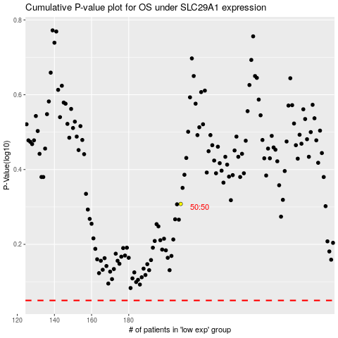

 |  |  |  |  |  | cases_OS | p_OS | rank | exp
 |  |  |  |  |  |  | cases_RFS | p_RFS | rank | exp

