SLC29A2 _multivariate
Reported by Tex Li-Hsing Chi. tex@gate.sinica.edu.tw 2019-08-16

Table 2. The clinicopathological features of HNSCC cohort and SLC29A2 expression. (Chi square test)
Cutoff at -0.363 (49.8%)
 |  | SLC29A2 expression |  | SLC29A2 expression |  | (Optimised)
 | Features | Low | (%) | High | (%) | Case no | P-value | Remark | Matthews
Gender | Female | 138 | 33.3 | 168 | 40.5 | 415 | 0.0016 | 1 | 0
2 | Male | 69 | 16.6 | 40 | 9.6
Age at diagnosis | <=65y | 132 | 31.8 | 142 | 34.2 | 415 | 0.3874 | 0 | 0
4 | >65y | 75 | 18.1 | 66 | 15.9
Clinical T Status | T1+T2 | 82 | 19.8 | 67 | 16.1 | 415 | 0.1417 | 0 | 0
6 | T3+T4 | 125 | 30.1 | 141 | 34
Clinical N Status | N0 | 116 | 28 | 100 | 24.1 | 415 | 0.1273 | 1 | 0
8 | N1-3 | 91 | 21.9 | 108 | 26
Clinical M Status | M0 | 205 | 49.4 | 207 | 49.9 | 415 | 0.6232 | 0 | 0
10 | M1 | 2 | 0.5 | 1 | 0.2
Clinical Stage | Stage I+II | 66 | 15.9 | 36 | 8.7 | 415 | 9e-04 | 1 | 0
12 | Stage III+IV | 141 | 34 | 172 | 41.4
Surgical Margin status | Negative | 162 | 39 | 156 | 37.6 | 415 | 0.4867 | 0 | 0
14 | Positive | 45 | 10.8 | 52 | 12.5
Tobacco Exposure | Low | 105 | 25.3 | 56 | 13.5 | 415 | 0 | 1 | 0
16 | High | 102 | 24.6 | 152 | 36.6

Table 3. Univariate/Multivariate Cox's proportional hazards regression analyses on OS time of SLC29A2 gene expression in HNSCC

 |  | Univariate |  |  |  | Multivariate
 | Features | HR | CI95%(L) | CI95%(H) | P-value | HR | CI95%(L) | CI95%(H) | P-value
1 | Female | 1 |  |  |  | 1
Gender | Male | 1.157 | 0.843 | 1.587 | 0.367 | 1.206 | 0.861 | 1.69 | 0.276
11 | <=65y | 1 |  |  |  | 1
Age at diagnosis | >65y | 1.329 | 0.99 | 1.784 | 0.058 | 1.391 | 1.023 | 1.891 | 0.035
12 | T1+T2 | 1 |  |  |  | 1
Clinical T Status | T3+T4 | 1.409 | 1.028 | 1.931 | 0.033 | 2.214 | 1.168 | 4.199 | 0.015
13 | N0 | 1 |  |  |  | 1
Clinical N Status | N1-3 | 1.185 | 0.89 | 1.577 | 0.246 | 1.243 | 0.87 | 1.774 | 0.232
14 | M0 | 1 |  |  |  | 1
Clinical M Status | M1 | 4.097 | 1.009 | 16.644 | 0.049 | 9.545 | 2.063 | 44.171 | 0.004
15 | Stage I+II | 1 |  |  |  | 1
Clinical Stage | Stage III+IV | 1.245 | 0.882 | 1.759 | 0.213 | 0.498 | 0.229 | 1.084 | 0.079
16 | Negative | 1 |  |  |  | 1
Surgical Margin status | Positive | 1.591 | 1.155 | 2.191 | 0.004 | 1.669 | 1.208 | 2.308 | 0.002
17 | Low | 1 |  |  |  | 1
Tobacco Exposure | High | 1.364 | 1.008 | 1.844 | 0.044 | 1.447 | 1.046 | 2.001 | 0.026
18 | Low | 1 |  |  |  | 1
RNAseq(z-score) | High | 1.067 | 0.8 | 1.423 | 0.659 | 1.027 | 0.754 | 1.398 | 0.866

Table 4. Univariate/Multivariate Cox's proportional hazards regression analyses on RFS time of SLC29A2 gene expression in HNSCC

 |  | Univariate |  |  |  | Multivariate
 | Features | HR | CI95%(L) | CI95%(H) | P-value | HR | CI95%(L) | CI95%(H) | P-value
1 | Female | 1 |  |  |  | 1
Gender | Male | 1.157 | 0.843 | 1.587 | 0.367 | 1.206 | 0.861 | 1.69 | 0.276
11 | <=65y | 1 |  |  |  | 1
Age at diagnosis | >65y | 1.329 | 0.99 | 1.784 | 0.058 | 1.391 | 1.023 | 1.891 | 0.035
12 | T1+T2 | 1 |  |  |  | 1
Clinical T Status | T3+T4 | 1.409 | 1.028 | 1.931 | 0.033 | 2.214 | 1.168 | 4.199 | 0.015
13 | N0 | 1 |  |  |  | 1
Clinical N Status | N1-3 | 1.185 | 0.89 | 1.577 | 0.246 | 1.243 | 0.87 | 1.774 | 0.232
14 | M0 | 1 |  |  |  | 1
Clinical M Status | M1 | 4.097 | 1.009 | 16.644 | 0.049 | 9.545 | 2.063 | 44.171 | 0.004
15 | Stage I+II | 1 |  |  |  | 1
Clinical Stage | Stage III+IV | 1.245 | 0.882 | 1.759 | 0.213 | 0.498 | 0.229 | 1.084 | 0.079
16 | Negative | 1 |  |  |  | 1
Surgical Margin status | Positive | 1.591 | 1.155 | 2.191 | 0.004 | 1.669 | 1.208 | 2.308 | 0.002
17 | Low | 1 |  |  |  | 1
Tobacco Exposure | High | 1.364 | 1.008 | 1.844 | 0.044 | 1.447 | 1.046 | 2.001 | 0.026
18 | Low | 1 |  |  |  | 1
RNAseq(z-score) | High | 1.067 | 0.8 | 1.423 | 0.659 | 1.027 | 0.754 | 1.398 | 0.866

Kaplan-Meier survival estimate: Cutoff at -0.363 (49.8%)



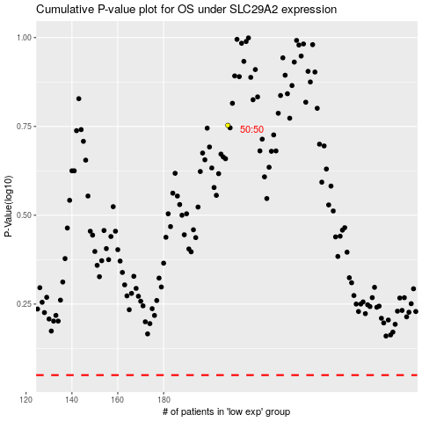

 |  |  |  |  |  | cases_OS | p_OS | rank | exp
 |  |  |  |  |  |  | cases_RFS | p_RFS | rank | exp

