SLC29A4 _multivariate
Reported by Tex Li-Hsing Chi. tex@gate.sinica.edu.tw 2019-08-16

Table 2. The clinicopathological features of HNSCC cohort and SLC29A4 expression. (Chi square test)
Cutoff at -0.311 (49.8%)
 |  | SLC29A4 expression |  | SLC29A4 expression |  | (Optimised)
 | Features | Low | (%) | High | (%) | Case no | P-value | Remark | Matthews
Gender | Female | 144 | 34.7 | 162 | 39 | 415 | 0.0697 | 0 | 0
2 | Male | 63 | 15.2 | 46 | 11.1
Age at diagnosis | <=65y | 136 | 32.8 | 138 | 33.3 | 415 | 0.9719 | 0 | 0
4 | >65y | 71 | 17.1 | 70 | 16.9
Clinical T Status | T1+T2 | 84 | 20.2 | 65 | 15.7 | 415 | 0.0603 | 0 | 0
6 | T3+T4 | 123 | 29.6 | 143 | 34.5
Clinical N Status | N0 | 107 | 25.8 | 109 | 26.3 | 415 | 0.9624 | 0 | 0
8 | N1-3 | 100 | 24.1 | 99 | 23.9
Clinical M Status | M0 | 207 | 49.9 | 205 | 49.4 | 415 | 0.2482 | 0 | 0
10 | M1 | 0 | 0 | 3 | 0.7
Clinical Stage | Stage I+II | 59 | 14.2 | 43 | 10.4 | 415 | 0.0822 | 0 | 0
12 | Stage III+IV | 148 | 35.7 | 165 | 39.8
Surgical Margin status | Negative | 160 | 38.6 | 158 | 38.1 | 415 | 0.8167 | 0 | 0
14 | Positive | 47 | 11.3 | 50 | 12
Tobacco Exposure | Low | 108 | 26 | 53 | 12.8 | 415 | 0 | 1 | 0
16 | High | 99 | 23.9 | 155 | 37.3

Table 3. Univariate/Multivariate Cox's proportional hazards regression analyses on OS time of SLC29A4 gene expression in HNSCC

 |  | Univariate |  |  |  | Multivariate
 | Features | HR | CI95%(L) | CI95%(H) | P-value | HR | CI95%(L) | CI95%(H) | P-value
1 | Female | 1 |  |  |  | 1
Gender | Male | 1.157 | 0.843 | 1.587 | 0.367 | 1.186 | 0.849 | 1.657 | 0.318
11 | <=65y | 1 |  |  |  | 1
Age at diagnosis | >65y | 1.329 | 0.99 | 1.784 | 0.058 | 1.387 | 1.02 | 1.886 | 0.037
12 | T1+T2 | 1 |  |  |  | 1
Clinical T Status | T3+T4 | 1.409 | 1.028 | 1.931 | 0.033 | 2.224 | 1.176 | 4.206 | 0.014
13 | N0 | 1 |  |  |  | 1
Clinical N Status | N1-3 | 1.185 | 0.89 | 1.577 | 0.246 | 1.214 | 0.849 | 1.736 | 0.287
14 | M0 | 1 |  |  |  | 1
Clinical M Status | M1 | 4.097 | 1.009 | 16.644 | 0.049 | 10.294 | 2.221 | 47.708 | 0.003
15 | Stage I+II | 1 |  |  |  | 1
Clinical Stage | Stage III+IV | 1.245 | 0.882 | 1.759 | 0.213 | 0.512 | 0.239 | 1.1 | 0.086
16 | Negative | 1 |  |  |  | 1
Surgical Margin status | Positive | 1.591 | 1.155 | 2.191 | 0.004 | 1.673 | 1.211 | 2.312 | 0.002
17 | Low | 1 |  |  |  | 1
Tobacco Exposure | High | 1.364 | 1.008 | 1.844 | 0.044 | 1.515 | 1.088 | 2.11 | 0.014
18 | Low | 1 |  |  |  | 1
RNAseq(z-score) | High | 0.964 | 0.724 | 1.285 | 0.805 | 0.855 | 0.629 | 1.163 | 0.318

Table 4. Univariate/Multivariate Cox's proportional hazards regression analyses on RFS time of SLC29A4 gene expression in HNSCC

 |  | Univariate |  |  |  | Multivariate
 | Features | HR | CI95%(L) | CI95%(H) | P-value | HR | CI95%(L) | CI95%(H) | P-value
1 | Female | 1 |  |  |  | 1
Gender | Male | 1.157 | 0.843 | 1.587 | 0.367 | 1.186 | 0.849 | 1.657 | 0.318
11 | <=65y | 1 |  |  |  | 1
Age at diagnosis | >65y | 1.329 | 0.99 | 1.784 | 0.058 | 1.387 | 1.02 | 1.886 | 0.037
12 | T1+T2 | 1 |  |  |  | 1
Clinical T Status | T3+T4 | 1.409 | 1.028 | 1.931 | 0.033 | 2.224 | 1.176 | 4.206 | 0.014
13 | N0 | 1 |  |  |  | 1
Clinical N Status | N1-3 | 1.185 | 0.89 | 1.577 | 0.246 | 1.214 | 0.849 | 1.736 | 0.287
14 | M0 | 1 |  |  |  | 1
Clinical M Status | M1 | 4.097 | 1.009 | 16.644 | 0.049 | 10.294 | 2.221 | 47.708 | 0.003
15 | Stage I+II | 1 |  |  |  | 1
Clinical Stage | Stage III+IV | 1.245 | 0.882 | 1.759 | 0.213 | 0.512 | 0.239 | 1.1 | 0.086
16 | Negative | 1 |  |  |  | 1
Surgical Margin status | Positive | 1.591 | 1.155 | 2.191 | 0.004 | 1.673 | 1.211 | 2.312 | 0.002
17 | Low | 1 |  |  |  | 1
Tobacco Exposure | High | 1.364 | 1.008 | 1.844 | 0.044 | 1.515 | 1.088 | 2.11 | 0.014
18 | Low | 1 |  |  |  | 1
RNAseq(z-score) | High | 0.964 | 0.724 | 1.285 | 0.805 | 0.855 | 0.629 | 1.163 | 0.318

Kaplan-Meier survival estimate: Cutoff at -0.311 (49.8%)



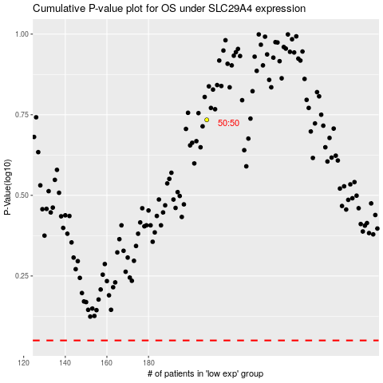

 |  |  |  |  |  | cases_OS | p_OS | rank | exp
 |  |  |  |  |  |  | cases_RFS | p_RFS | rank | exp

