SLC2A1 _multivariate
Reported by Tex Li-Hsing Chi. tex@gate.sinica.edu.tw 2019-08-16

Table 2. The clinicopathological features of HNSCC cohort and SLC2A1 expression. (Chi square test)
Cutoff at -0.125 (50.0%)
 |  | SLC2A1 expression |  | SLC2A1 expression |  | (Optimised)
 | Features | Low | (%) | High | (%) | Case no | P-value | Remark | Matthews
Gender | Female | 159 | 38.3 | 147 | 35.4 | 415 | 0.1905 | 0 | 0
2 | Male | 48 | 11.6 | 61 | 14.7
Age at diagnosis | <=65y | 138 | 33.3 | 136 | 32.8 | 415 | 0.8634 | 0 | 0
4 | >65y | 69 | 16.6 | 72 | 17.3
Clinical T Status | T1+T2 | 84 | 20.2 | 65 | 15.7 | 415 | 0.0603 | 0 | 0
6 | T3+T4 | 123 | 29.6 | 143 | 34.5
Clinical N Status | N0 | 104 | 25.1 | 112 | 27 | 415 | 0.5243 | 0 | 0
8 | N1-3 | 103 | 24.8 | 96 | 23.1
Clinical M Status | M0 | 207 | 49.9 | 205 | 49.4 | 415 | 0.2482 | 0 | 0
10 | M1 | 0 | 0 | 3 | 0.7
Clinical Stage | Stage I+II | 56 | 13.5 | 46 | 11.1 | 415 | 0.2918 | 0 | 0
12 | Stage III+IV | 151 | 36.4 | 162 | 39
Surgical Margin status | Negative | 150 | 36.1 | 168 | 40.5 | 415 | 0.0492 | 1 | 0
14 | Positive | 57 | 13.7 | 40 | 9.6
Tobacco Exposure | Low | 83 | 20 | 78 | 18.8 | 415 | 0.6152 | 0 | 0
16 | High | 124 | 29.9 | 130 | 31.3

Table 3. Univariate/Multivariate Cox's proportional hazards regression analyses on OS time of SLC2A1 gene expression in HNSCC

 |  | Univariate |  |  |  | Multivariate
 | Features | HR | CI95%(L) | CI95%(H) | P-value | HR | CI95%(L) | CI95%(H) | P-value
1 | Female | 1 |  |  |  | 1
Gender | Male | 1.157 | 0.843 | 1.587 | 0.367 | 1.193 | 0.852 | 1.669 | 0.304
11 | <=65y | 1 |  |  |  | 1
Age at diagnosis | >65y | 1.329 | 0.99 | 1.784 | 0.058 | 1.394 | 1.025 | 1.894 | 0.034
12 | T1+T2 | 1 |  |  |  | 1
Clinical T Status | T3+T4 | 1.409 | 1.028 | 1.931 | 0.033 | 2.186 | 1.155 | 4.137 | 0.016
13 | N0 | 1 |  |  |  | 1
Clinical N Status | N1-3 | 1.185 | 0.89 | 1.577 | 0.246 | 1.249 | 0.874 | 1.783 | 0.222
14 | M0 | 1 |  |  |  | 1
Clinical M Status | M1 | 4.097 | 1.009 | 16.644 | 0.049 | 9.05 | 1.951 | 41.977 | 0.005
15 | Stage I+II | 1 |  |  |  | 1
Clinical Stage | Stage III+IV | 1.245 | 0.882 | 1.759 | 0.213 | 0.504 | 0.235 | 1.083 | 0.079
16 | Negative | 1 |  |  |  | 1
Surgical Margin status | Positive | 1.591 | 1.155 | 2.191 | 0.004 | 1.682 | 1.216 | 2.328 | 0.002
17 | Low | 1 |  |  |  | 1
Tobacco Exposure | High | 1.364 | 1.008 | 1.844 | 0.044 | 1.446 | 1.049 | 1.994 | 0.025
18 | Low | 1 |  |  |  | 1
RNAseq(z-score) | High | 1.081 | 0.811 | 1.44 | 0.595 | 1.061 | 0.79 | 1.425 | 0.694

Table 4. Univariate/Multivariate Cox's proportional hazards regression analyses on RFS time of SLC2A1 gene expression in HNSCC

 |  | Univariate |  |  |  | Multivariate
 | Features | HR | CI95%(L) | CI95%(H) | P-value | HR | CI95%(L) | CI95%(H) | P-value
1 | Female | 1 |  |  |  | 1
Gender | Male | 1.157 | 0.843 | 1.587 | 0.367 | 1.193 | 0.852 | 1.669 | 0.304
11 | <=65y | 1 |  |  |  | 1
Age at diagnosis | >65y | 1.329 | 0.99 | 1.784 | 0.058 | 1.394 | 1.025 | 1.894 | 0.034
12 | T1+T2 | 1 |  |  |  | 1
Clinical T Status | T3+T4 | 1.409 | 1.028 | 1.931 | 0.033 | 2.186 | 1.155 | 4.137 | 0.016
13 | N0 | 1 |  |  |  | 1
Clinical N Status | N1-3 | 1.185 | 0.89 | 1.577 | 0.246 | 1.249 | 0.874 | 1.783 | 0.222
14 | M0 | 1 |  |  |  | 1
Clinical M Status | M1 | 4.097 | 1.009 | 16.644 | 0.049 | 9.05 | 1.951 | 41.977 | 0.005
15 | Stage I+II | 1 |  |  |  | 1
Clinical Stage | Stage III+IV | 1.245 | 0.882 | 1.759 | 0.213 | 0.504 | 0.235 | 1.083 | 0.079
16 | Negative | 1 |  |  |  | 1
Surgical Margin status | Positive | 1.591 | 1.155 | 2.191 | 0.004 | 1.682 | 1.216 | 2.328 | 0.002
17 | Low | 1 |  |  |  | 1
Tobacco Exposure | High | 1.364 | 1.008 | 1.844 | 0.044 | 1.446 | 1.049 | 1.994 | 0.025
18 | Low | 1 |  |  |  | 1
RNAseq(z-score) | High | 1.081 | 0.811 | 1.44 | 0.595 | 1.061 | 0.79 | 1.425 | 0.694

Kaplan-Meier survival estimate: Cutoff at -0.125 (50.0%)



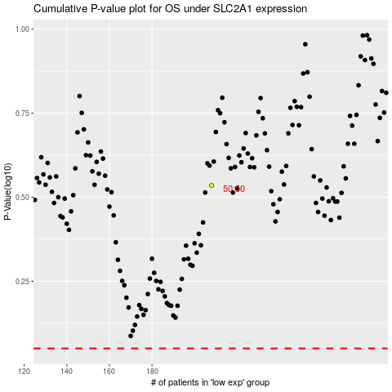

 |  |  |  |  |  | cases_OS | p_OS | rank | exp
 |  |  |  |  |  |  | cases_RFS | p_RFS | rank | exp

