SLC2A11 _multivariate
Reported by Tex Li-Hsing Chi. tex@gate.sinica.edu.tw 2019-08-16

Table 2. The clinicopathological features of HNSCC cohort and SLC2A11 expression. (Chi square test)
Cutoff at -0.249 (49.8%)
 |  | SLC2A11 expression |  | SLC2A11 expression |  | (Optimised)
 | Features | Low | (%) | High | (%) | Case no | P-value | Remark | Matthews
Gender | Female | 144 | 34.7 | 162 | 39 | 415 | 0.0697 | 0 | 0
2 | Male | 63 | 15.2 | 46 | 11.1
Age at diagnosis | <=65y | 133 | 32 | 141 | 34 | 415 | 0.5111 | 0 | 0
4 | >65y | 74 | 17.8 | 67 | 16.1
Clinical T Status | T1+T2 | 76 | 18.3 | 73 | 17.6 | 415 | 0.8092 | 0 | 0
6 | T3+T4 | 131 | 31.6 | 135 | 32.5
Clinical N Status | N0 | 114 | 27.5 | 102 | 24.6 | 415 | 0.2576 | 1 | 0
8 | N1-3 | 93 | 22.4 | 106 | 25.5
Clinical M Status | M0 | 204 | 49.2 | 208 | 50.1 | 415 | 0.1232 | 0 | 0
10 | M1 | 3 | 0.7 | 0 | 0
Clinical Stage | Stage I+II | 56 | 13.5 | 46 | 11.1 | 415 | 0.2918 | 0 | 0
12 | Stage III+IV | 151 | 36.4 | 162 | 39
Surgical Margin status | Negative | 162 | 39 | 156 | 37.6 | 415 | 0.4867 | 0 | 0
14 | Positive | 45 | 10.8 | 52 | 12.5
Tobacco Exposure | Low | 94 | 22.7 | 67 | 16.1 | 415 | 0.0065 | 1 | 0
16 | High | 113 | 27.2 | 141 | 34

Table 3. Univariate/Multivariate Cox's proportional hazards regression analyses on OS time of SLC2A11 gene expression in HNSCC

 |  | Univariate |  |  |  | Multivariate
 | Features | HR | CI95%(L) | CI95%(H) | P-value | HR | CI95%(L) | CI95%(H) | P-value
1 | Female | 1 |  |  |  | 1
Gender | Male | 1.157 | 0.843 | 1.587 | 0.367 | 1.214 | 0.868 | 1.697 | 0.258
11 | <=65y | 1 |  |  |  | 1
Age at diagnosis | >65y | 1.329 | 0.99 | 1.784 | 0.058 | 1.389 | 1.022 | 1.887 | 0.036
12 | T1+T2 | 1 |  |  |  | 1
Clinical T Status | T3+T4 | 1.409 | 1.028 | 1.931 | 0.033 | 2.217 | 1.172 | 4.191 | 0.014
13 | N0 | 1 |  |  |  | 1
Clinical N Status | N1-3 | 1.185 | 0.89 | 1.577 | 0.246 | 1.243 | 0.871 | 1.773 | 0.231
14 | M0 | 1 |  |  |  | 1
Clinical M Status | M1 | 4.097 | 1.009 | 16.644 | 0.049 | 10.035 | 2.168 | 46.447 | 0.003
15 | Stage I+II | 1 |  |  |  | 1
Clinical Stage | Stage III+IV | 1.245 | 0.882 | 1.759 | 0.213 | 0.501 | 0.233 | 1.075 | 0.076
16 | Negative | 1 |  |  |  | 1
Surgical Margin status | Positive | 1.591 | 1.155 | 2.191 | 0.004 | 1.655 | 1.196 | 2.288 | 0.002
17 | Low | 1 |  |  |  | 1
Tobacco Exposure | High | 1.364 | 1.008 | 1.844 | 0.044 | 1.428 | 1.034 | 1.972 | 0.031
18 | Low | 1 |  |  |  | 1
RNAseq(z-score) | High | 1.146 | 0.86 | 1.526 | 0.353 | 1.12 | 0.834 | 1.505 | 0.451

Table 4. Univariate/Multivariate Cox's proportional hazards regression analyses on RFS time of SLC2A11 gene expression in HNSCC

 |  | Univariate |  |  |  | Multivariate
 | Features | HR | CI95%(L) | CI95%(H) | P-value | HR | CI95%(L) | CI95%(H) | P-value
1 | Female | 1 |  |  |  | 1
Gender | Male | 1.157 | 0.843 | 1.587 | 0.367 | 1.214 | 0.868 | 1.697 | 0.258
11 | <=65y | 1 |  |  |  | 1
Age at diagnosis | >65y | 1.329 | 0.99 | 1.784 | 0.058 | 1.389 | 1.022 | 1.887 | 0.036
12 | T1+T2 | 1 |  |  |  | 1
Clinical T Status | T3+T4 | 1.409 | 1.028 | 1.931 | 0.033 | 2.217 | 1.172 | 4.191 | 0.014
13 | N0 | 1 |  |  |  | 1
Clinical N Status | N1-3 | 1.185 | 0.89 | 1.577 | 0.246 | 1.243 | 0.871 | 1.773 | 0.231
14 | M0 | 1 |  |  |  | 1
Clinical M Status | M1 | 4.097 | 1.009 | 16.644 | 0.049 | 10.035 | 2.168 | 46.447 | 0.003
15 | Stage I+II | 1 |  |  |  | 1
Clinical Stage | Stage III+IV | 1.245 | 0.882 | 1.759 | 0.213 | 0.501 | 0.233 | 1.075 | 0.076
16 | Negative | 1 |  |  |  | 1
Surgical Margin status | Positive | 1.591 | 1.155 | 2.191 | 0.004 | 1.655 | 1.196 | 2.288 | 0.002
17 | Low | 1 |  |  |  | 1
Tobacco Exposure | High | 1.364 | 1.008 | 1.844 | 0.044 | 1.428 | 1.034 | 1.972 | 0.031
18 | Low | 1 |  |  |  | 1
RNAseq(z-score) | High | 1.146 | 0.86 | 1.526 | 0.353 | 1.12 | 0.834 | 1.505 | 0.451

Kaplan-Meier survival estimate: Cutoff at -0.249 (49.8%)



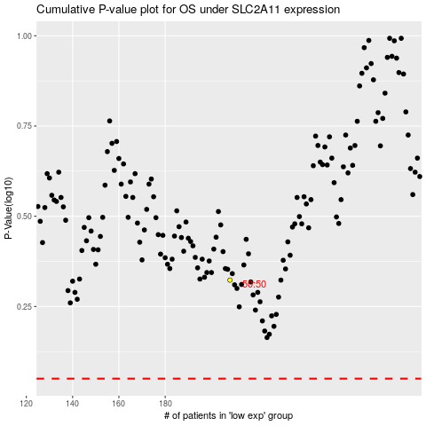

 |  |  |  |  |  | cases_OS | p_OS | rank | exp
 |  |  |  |  |  |  | cases_RFS | p_RFS | rank | exp

