SLC2A12 _multivariate
Reported by Tex Li-Hsing Chi. tex@gate.sinica.edu.tw 2019-08-16

Table 2. The clinicopathological features of HNSCC cohort and SLC2A12 expression. (Chi square test)
Cutoff at -0.342 (49.8%)
 |  | SLC2A12 expression |  | SLC2A12 expression |  | (Optimised)
 | Features | Low | (%) | High | (%) | Case no | P-value | Remark | Matthews
Gender | Female | 152 | 36.6 | 154 | 37.1 | 415 | 0.9766 | 0 | 0
2 | Male | 55 | 13.3 | 54 | 13
Age at diagnosis | <=65y | 136 | 32.8 | 138 | 33.3 | 415 | 0.9719 | 0 | 0
4 | >65y | 71 | 17.1 | 70 | 16.9
Clinical T Status | T1+T2 | 71 | 17.1 | 78 | 18.8 | 415 | 0.5638 | 0 | 0
6 | T3+T4 | 136 | 32.8 | 130 | 31.3
Clinical N Status | N0 | 110 | 26.5 | 106 | 25.5 | 415 | 0.7294 | 0 | 0
8 | N1-3 | 97 | 23.4 | 102 | 24.6
Clinical M Status | M0 | 205 | 49.4 | 207 | 49.9 | 415 | 0.6232 | 0 | 0
10 | M1 | 2 | 0.5 | 1 | 0.2
Clinical Stage | Stage I+II | 50 | 12 | 52 | 12.5 | 415 | 0.9315 | 0 | 0
12 | Stage III+IV | 157 | 37.8 | 156 | 37.6
Surgical Margin status | Negative | 163 | 39.3 | 155 | 37.3 | 415 | 0.3537 | 0 | 0
14 | Positive | 44 | 10.6 | 53 | 12.8
Tobacco Exposure | Low | 82 | 19.8 | 79 | 19 | 415 | 0.763 | 0 | 0
16 | High | 125 | 30.1 | 129 | 31.1

Table 3. Univariate/Multivariate Cox's proportional hazards regression analyses on OS time of SLC2A12 gene expression in HNSCC

 |  | Univariate |  |  |  | Multivariate
 | Features | HR | CI95%(L) | CI95%(H) | P-value | HR | CI95%(L) | CI95%(H) | P-value
1 | Female | 1 |  |  |  | 1
Gender | Male | 1.157 | 0.843 | 1.587 | 0.367 | 1.201 | 0.86 | 1.678 | 0.283
11 | <=65y | 1 |  |  |  | 1
Age at diagnosis | >65y | 1.329 | 0.99 | 1.784 | 0.058 | 1.394 | 1.025 | 1.895 | 0.034
12 | T1+T2 | 1 |  |  |  | 1
Clinical T Status | T3+T4 | 1.409 | 1.028 | 1.931 | 0.033 | 2.237 | 1.18 | 4.239 | 0.014
13 | N0 | 1 |  |  |  | 1
Clinical N Status | N1-3 | 1.185 | 0.89 | 1.577 | 0.246 | 1.24 | 0.869 | 1.77 | 0.235
14 | M0 | 1 |  |  |  | 1
Clinical M Status | M1 | 4.097 | 1.009 | 16.644 | 0.049 | 9.618 | 2.094 | 44.18 | 0.004
15 | Stage I+II | 1 |  |  |  | 1
Clinical Stage | Stage III+IV | 1.245 | 0.882 | 1.759 | 0.213 | 0.497 | 0.231 | 1.068 | 0.073
16 | Negative | 1 |  |  |  | 1
Surgical Margin status | Positive | 1.591 | 1.155 | 2.191 | 0.004 | 1.67 | 1.208 | 2.308 | 0.002
17 | Low | 1 |  |  |  | 1
Tobacco Exposure | High | 1.364 | 1.008 | 1.844 | 0.044 | 1.448 | 1.051 | 1.996 | 0.024
18 | Low | 1 |  |  |  | 1
RNAseq(z-score) | High | 1.072 | 0.805 | 1.429 | 0.633 | 1.092 | 0.818 | 1.457 | 0.55

Table 4. Univariate/Multivariate Cox's proportional hazards regression analyses on RFS time of SLC2A12 gene expression in HNSCC

 |  | Univariate |  |  |  | Multivariate
 | Features | HR | CI95%(L) | CI95%(H) | P-value | HR | CI95%(L) | CI95%(H) | P-value
1 | Female | 1 |  |  |  | 1
Gender | Male | 1.157 | 0.843 | 1.587 | 0.367 | 1.201 | 0.86 | 1.678 | 0.283
11 | <=65y | 1 |  |  |  | 1
Age at diagnosis | >65y | 1.329 | 0.99 | 1.784 | 0.058 | 1.394 | 1.025 | 1.895 | 0.034
12 | T1+T2 | 1 |  |  |  | 1
Clinical T Status | T3+T4 | 1.409 | 1.028 | 1.931 | 0.033 | 2.237 | 1.18 | 4.239 | 0.014
13 | N0 | 1 |  |  |  | 1
Clinical N Status | N1-3 | 1.185 | 0.89 | 1.577 | 0.246 | 1.24 | 0.869 | 1.77 | 0.235
14 | M0 | 1 |  |  |  | 1
Clinical M Status | M1 | 4.097 | 1.009 | 16.644 | 0.049 | 9.618 | 2.094 | 44.18 | 0.004
15 | Stage I+II | 1 |  |  |  | 1
Clinical Stage | Stage III+IV | 1.245 | 0.882 | 1.759 | 0.213 | 0.497 | 0.231 | 1.068 | 0.073
16 | Negative | 1 |  |  |  | 1
Surgical Margin status | Positive | 1.591 | 1.155 | 2.191 | 0.004 | 1.67 | 1.208 | 2.308 | 0.002
17 | Low | 1 |  |  |  | 1
Tobacco Exposure | High | 1.364 | 1.008 | 1.844 | 0.044 | 1.448 | 1.051 | 1.996 | 0.024
18 | Low | 1 |  |  |  | 1
RNAseq(z-score) | High | 1.072 | 0.805 | 1.429 | 0.633 | 1.092 | 0.818 | 1.457 | 0.55

Kaplan-Meier survival estimate: Cutoff at -0.342 (49.8%)

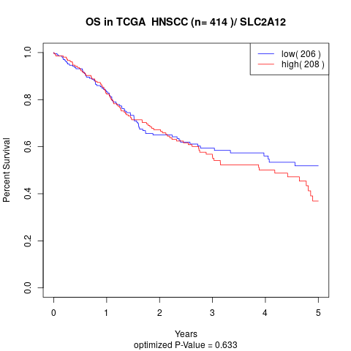

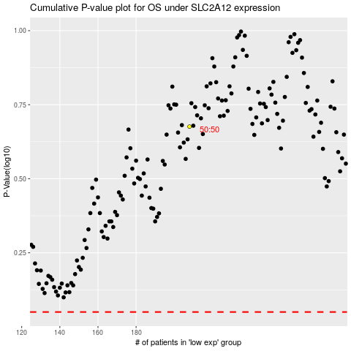

 |  |  |  |  |  | cases_OS | p_OS | rank | exp
 |  |  |  |  |  |  | cases_RFS | p_RFS | rank | exp

