SLC2A13 _multivariate
Reported by Tex Li-Hsing Chi. tex@gate.sinica.edu.tw 2019-08-16

Table 2. The clinicopathological features of HNSCC cohort and SLC2A13 expression. (Chi square test)
Cutoff at -0.232 (49.8%)
 |  | SLC2A13 expression |  | SLC2A13 expression |  | (Optimised)
 | Features | Low | (%) | High | (%) | Case no | P-value | Remark | Matthews
Gender | Female | 154 | 37.1 | 152 | 36.6 | 415 | 0.8463 | 0 | 0
2 | Male | 53 | 12.8 | 56 | 13.5
Age at diagnosis | <=65y | 137 | 33 | 137 | 33 | 415 | 1 | 0 | 0
4 | >65y | 70 | 16.9 | 71 | 17.1
Clinical T Status | T1+T2 | 74 | 17.8 | 75 | 18.1 | 415 | 1 | 0 | 0
6 | T3+T4 | 133 | 32 | 133 | 32
Clinical N Status | N0 | 103 | 24.8 | 113 | 27.2 | 415 | 0.4047 | 0 | 0
8 | N1-3 | 104 | 25.1 | 95 | 22.9
Clinical M Status | M0 | 204 | 49.2 | 208 | 50.1 | 415 | 0.1232 | 0 | 0
10 | M1 | 3 | 0.7 | 0 | 0
Clinical Stage | Stage I+II | 50 | 12 | 52 | 12.5 | 415 | 0.9315 | 0 | 0
12 | Stage III+IV | 157 | 37.8 | 156 | 37.6
Surgical Margin status | Negative | 160 | 38.6 | 158 | 38.1 | 415 | 0.8167 | 0 | 0
14 | Positive | 47 | 11.3 | 50 | 12
Tobacco Exposure | Low | 85 | 20.5 | 76 | 18.3 | 415 | 0.3655 | 0 | 0
16 | High | 122 | 29.4 | 132 | 31.8

Table 3. Univariate/Multivariate Cox's proportional hazards regression analyses on OS time of SLC2A13 gene expression in HNSCC

 |  | Univariate |  |  |  | Multivariate
 | Features | HR | CI95%(L) | CI95%(H) | P-value | HR | CI95%(L) | CI95%(H) | P-value
1 | Female | 1 |  |  |  | 1
Gender | Male | 1.157 | 0.843 | 1.587 | 0.367 | 1.205 | 0.861 | 1.685 | 0.276
11 | <=65y | 1 |  |  |  | 1
Age at diagnosis | >65y | 1.329 | 0.99 | 1.784 | 0.058 | 1.395 | 1.026 | 1.897 | 0.034
12 | T1+T2 | 1 |  |  |  | 1
Clinical T Status | T3+T4 | 1.409 | 1.028 | 1.931 | 0.033 | 2.193 | 1.159 | 4.146 | 0.016
13 | N0 | 1 |  |  |  | 1
Clinical N Status | N1-3 | 1.185 | 0.89 | 1.577 | 0.246 | 1.245 | 0.872 | 1.776 | 0.228
14 | M0 | 1 |  |  |  | 1
Clinical M Status | M1 | 4.097 | 1.009 | 16.644 | 0.049 | 8.725 | 1.891 | 40.253 | 0.005
15 | Stage I+II | 1 |  |  |  | 1
Clinical Stage | Stage III+IV | 1.245 | 0.882 | 1.759 | 0.213 | 0.505 | 0.235 | 1.085 | 0.08
16 | Negative | 1 |  |  |  | 1
Surgical Margin status | Positive | 1.591 | 1.155 | 2.191 | 0.004 | 1.682 | 1.217 | 2.325 | 0.002
17 | Low | 1 |  |  |  | 1
Tobacco Exposure | High | 1.364 | 1.008 | 1.844 | 0.044 | 1.461 | 1.06 | 2.014 | 0.021
18 | Low | 1 |  |  |  | 1
RNAseq(z-score) | High | 0.868 | 0.65 | 1.158 | 0.334 | 0.861 | 0.644 | 1.151 | 0.311

Table 4. Univariate/Multivariate Cox's proportional hazards regression analyses on RFS time of SLC2A13 gene expression in HNSCC

 |  | Univariate |  |  |  | Multivariate
 | Features | HR | CI95%(L) | CI95%(H) | P-value | HR | CI95%(L) | CI95%(H) | P-value
1 | Female | 1 |  |  |  | 1
Gender | Male | 1.157 | 0.843 | 1.587 | 0.367 | 1.205 | 0.861 | 1.685 | 0.276
11 | <=65y | 1 |  |  |  | 1
Age at diagnosis | >65y | 1.329 | 0.99 | 1.784 | 0.058 | 1.395 | 1.026 | 1.897 | 0.034
12 | T1+T2 | 1 |  |  |  | 1
Clinical T Status | T3+T4 | 1.409 | 1.028 | 1.931 | 0.033 | 2.193 | 1.159 | 4.146 | 0.016
13 | N0 | 1 |  |  |  | 1
Clinical N Status | N1-3 | 1.185 | 0.89 | 1.577 | 0.246 | 1.245 | 0.872 | 1.776 | 0.228
14 | M0 | 1 |  |  |  | 1
Clinical M Status | M1 | 4.097 | 1.009 | 16.644 | 0.049 | 8.725 | 1.891 | 40.253 | 0.005
15 | Stage I+II | 1 |  |  |  | 1
Clinical Stage | Stage III+IV | 1.245 | 0.882 | 1.759 | 0.213 | 0.505 | 0.235 | 1.085 | 0.08
16 | Negative | 1 |  |  |  | 1
Surgical Margin status | Positive | 1.591 | 1.155 | 2.191 | 0.004 | 1.682 | 1.217 | 2.325 | 0.002
17 | Low | 1 |  |  |  | 1
Tobacco Exposure | High | 1.364 | 1.008 | 1.844 | 0.044 | 1.461 | 1.06 | 2.014 | 0.021
18 | Low | 1 |  |  |  | 1
RNAseq(z-score) | High | 0.868 | 0.65 | 1.158 | 0.334 | 0.861 | 0.644 | 1.151 | 0.311

Kaplan-Meier survival estimate: Cutoff at -0.232 (49.8%)



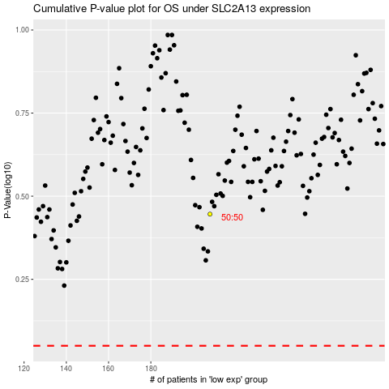

 |  |  |  |  |  | cases_OS | p_OS | rank | exp
 |  |  |  |  |  |  | cases_RFS | p_RFS | rank | exp

