SLC2A4 _multivariate
Reported by Tex Li-Hsing Chi. tex@gate.sinica.edu.tw 2019-08-16

Table 2. The clinicopathological features of HNSCC cohort and SLC2A4 expression. (Chi square test)
Cutoff at -0.189 (50.0%)
 |  | SLC2A4 expression |  | SLC2A4 expression |  | (Optimised)
 | Features | Low | (%) | High | (%) | Case no | P-value | Remark | Matthews
Gender | Female | 146 | 35.2 | 160 | 38.6 | 415 | 0.1714 | 0 | 0
2 | Male | 61 | 14.7 | 48 | 11.6
Age at diagnosis | <=65y | 126 | 30.4 | 148 | 35.7 | 415 | 0.035 | 1 | 0
4 | >65y | 81 | 19.5 | 60 | 14.5
Clinical T Status | T1+T2 | 62 | 14.9 | 87 | 21 | 415 | 0.0156 | 1 | 0
6 | T3+T4 | 145 | 34.9 | 121 | 29.2
Clinical N Status | N0 | 116 | 28 | 100 | 24.1 | 415 | 0.1273 | 1 | 0
8 | N1-3 | 91 | 21.9 | 108 | 26
Clinical M Status | M0 | 204 | 49.2 | 208 | 50.1 | 415 | 0.1232 | 0 | 0
10 | M1 | 3 | 0.7 | 0 | 0
Clinical Stage | Stage I+II | 49 | 11.8 | 53 | 12.8 | 415 | 0.7535 | 0 | 0
12 | Stage III+IV | 158 | 38.1 | 155 | 37.3
Surgical Margin status | Negative | 157 | 37.8 | 161 | 38.8 | 415 | 0.729 | 0 | 0
14 | Positive | 50 | 12 | 47 | 11.3
Tobacco Exposure | Low | 91 | 21.9 | 70 | 16.9 | 415 | 0.0346 | 1 | 0
16 | High | 116 | 28 | 138 | 33.3

Table 3. Univariate/Multivariate Cox's proportional hazards regression analyses on OS time of SLC2A4 gene expression in HNSCC

 |  | Univariate |  |  |  | Multivariate
 | Features | HR | CI95%(L) | CI95%(H) | P-value | HR | CI95%(L) | CI95%(H) | P-value
1 | Female | 1 |  |  |  | 1
Gender | Male | 1.157 | 0.843 | 1.587 | 0.367 | 1.2 | 0.859 | 1.677 | 0.285
11 | <=65y | 1 |  |  |  | 1
Age at diagnosis | >65y | 1.329 | 0.99 | 1.784 | 0.058 | 1.385 | 1.018 | 1.883 | 0.038
12 | T1+T2 | 1 |  |  |  | 1
Clinical T Status | T3+T4 | 1.409 | 1.028 | 1.931 | 0.033 | 2.166 | 1.142 | 4.109 | 0.018
13 | N0 | 1 |  |  |  | 1
Clinical N Status | N1-3 | 1.185 | 0.89 | 1.577 | 0.246 | 1.244 | 0.872 | 1.775 | 0.228
14 | M0 | 1 |  |  |  | 1
Clinical M Status | M1 | 4.097 | 1.009 | 16.644 | 0.049 | 8.925 | 1.921 | 41.477 | 0.005
15 | Stage I+II | 1 |  |  |  | 1
Clinical Stage | Stage III+IV | 1.245 | 0.882 | 1.759 | 0.213 | 0.513 | 0.238 | 1.103 | 0.087
16 | Negative | 1 |  |  |  | 1
Surgical Margin status | Positive | 1.591 | 1.155 | 2.191 | 0.004 | 1.681 | 1.215 | 2.325 | 0.002
17 | Low | 1 |  |  |  | 1
Tobacco Exposure | High | 1.364 | 1.008 | 1.844 | 0.044 | 1.474 | 1.064 | 2.041 | 0.02
18 | Low | 1 |  |  |  | 1
RNAseq(z-score) | High | 0.925 | 0.694 | 1.234 | 0.598 | 0.927 | 0.687 | 1.249 | 0.617

Table 4. Univariate/Multivariate Cox's proportional hazards regression analyses on RFS time of SLC2A4 gene expression in HNSCC

 |  | Univariate |  |  |  | Multivariate
 | Features | HR | CI95%(L) | CI95%(H) | P-value | HR | CI95%(L) | CI95%(H) | P-value
1 | Female | 1 |  |  |  | 1
Gender | Male | 1.157 | 0.843 | 1.587 | 0.367 | 1.2 | 0.859 | 1.677 | 0.285
11 | <=65y | 1 |  |  |  | 1
Age at diagnosis | >65y | 1.329 | 0.99 | 1.784 | 0.058 | 1.385 | 1.018 | 1.883 | 0.038
12 | T1+T2 | 1 |  |  |  | 1
Clinical T Status | T3+T4 | 1.409 | 1.028 | 1.931 | 0.033 | 2.166 | 1.142 | 4.109 | 0.018
13 | N0 | 1 |  |  |  | 1
Clinical N Status | N1-3 | 1.185 | 0.89 | 1.577 | 0.246 | 1.244 | 0.872 | 1.775 | 0.228
14 | M0 | 1 |  |  |  | 1
Clinical M Status | M1 | 4.097 | 1.009 | 16.644 | 0.049 | 8.925 | 1.921 | 41.477 | 0.005
15 | Stage I+II | 1 |  |  |  | 1
Clinical Stage | Stage III+IV | 1.245 | 0.882 | 1.759 | 0.213 | 0.513 | 0.238 | 1.103 | 0.087
16 | Negative | 1 |  |  |  | 1
Surgical Margin status | Positive | 1.591 | 1.155 | 2.191 | 0.004 | 1.681 | 1.215 | 2.325 | 0.002
17 | Low | 1 |  |  |  | 1
Tobacco Exposure | High | 1.364 | 1.008 | 1.844 | 0.044 | 1.474 | 1.064 | 2.041 | 0.02
18 | Low | 1 |  |  |  | 1
RNAseq(z-score) | High | 0.925 | 0.694 | 1.234 | 0.598 | 0.927 | 0.687 | 1.249 | 0.617

Kaplan-Meier survival estimate: Cutoff at -0.189 (50.0%)



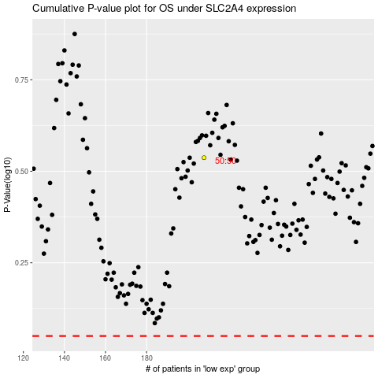

 |  |  |  |  |  | cases_OS | p_OS | rank | exp
 |  |  |  |  |  |  | cases_RFS | p_RFS | rank | exp

