SLC2A4RG _multivariate
Reported by Tex Li-Hsing Chi. tex@gate.sinica.edu.tw 2019-08-16

Table 2. The clinicopathological features of HNSCC cohort and SLC2A4RG expression. (Chi square test)
Cutoff at -0.165 (49.8%)
 |  | SLC2A4RG expression |  | SLC2A4RG expression |  | (Optimised)
 | Features | Low | (%) | High | (%) | Case no | P-value | Remark | Matthews
Gender | Female | 154 | 37.1 | 152 | 36.6 | 415 | 0.8463 | 0 | 0
2 | Male | 53 | 12.8 | 56 | 13.5
Age at diagnosis | <=65y | 131 | 31.6 | 143 | 34.5 | 415 | 0.2839 | 0 | 0
4 | >65y | 76 | 18.3 | 65 | 15.7
Clinical T Status | T1+T2 | 71 | 17.1 | 78 | 18.8 | 415 | 0.5638 | 0 | 0
6 | T3+T4 | 136 | 32.8 | 130 | 31.3
Clinical N Status | N0 | 104 | 25.1 | 112 | 27 | 415 | 0.5243 | 0 | 0
8 | N1-3 | 103 | 24.8 | 96 | 23.1
Clinical M Status | M0 | 207 | 49.9 | 205 | 49.4 | 415 | 0.2482 | 0 | 0
10 | M1 | 0 | 0 | 3 | 0.7
Clinical Stage | Stage I+II | 45 | 10.8 | 57 | 13.7 | 415 | 0.2202 | 0 | 0
12 | Stage III+IV | 162 | 39 | 151 | 36.4
Surgical Margin status | Negative | 160 | 38.6 | 158 | 38.1 | 415 | 0.8167 | 0 | 0
14 | Positive | 47 | 11.3 | 50 | 12
Tobacco Exposure | Low | 82 | 19.8 | 79 | 19 | 415 | 0.763 | 0 | 0
16 | High | 125 | 30.1 | 129 | 31.1

Table 3. Univariate/Multivariate Cox's proportional hazards regression analyses on OS time of SLC2A4RG gene expression in HNSCC

 |  | Univariate |  |  |  | Multivariate
 | Features | HR | CI95%(L) | CI95%(H) | P-value | HR | CI95%(L) | CI95%(H) | P-value
1 | Female | 1 |  |  |  | 1
Gender | Male | 1.157 | 0.843 | 1.587 | 0.367 | 1.2 | 0.858 | 1.678 | 0.288
11 | <=65y | 1 |  |  |  | 1
Age at diagnosis | >65y | 1.329 | 0.99 | 1.784 | 0.058 | 1.395 | 1.024 | 1.9 | 0.035
12 | T1+T2 | 1 |  |  |  | 1
Clinical T Status | T3+T4 | 1.409 | 1.028 | 1.931 | 0.033 | 2.198 | 1.161 | 4.16 | 0.016
13 | N0 | 1 |  |  |  | 1
Clinical N Status | N1-3 | 1.185 | 0.89 | 1.577 | 0.246 | 1.242 | 0.87 | 1.772 | 0.233
14 | M0 | 1 |  |  |  | 1
Clinical M Status | M1 | 4.097 | 1.009 | 16.644 | 0.049 | 9.299 | 2.005 | 43.132 | 0.004
15 | Stage I+II | 1 |  |  |  | 1
Clinical Stage | Stage III+IV | 1.245 | 0.882 | 1.759 | 0.213 | 0.506 | 0.235 | 1.088 | 0.081
16 | Negative | 1 |  |  |  | 1
Surgical Margin status | Positive | 1.591 | 1.155 | 2.191 | 0.004 | 1.667 | 1.204 | 2.31 | 0.002
17 | Low | 1 |  |  |  | 1
Tobacco Exposure | High | 1.364 | 1.008 | 1.844 | 0.044 | 1.453 | 1.054 | 2.002 | 0.022
18 | Low | 1 |  |  |  | 1
RNAseq(z-score) | High | 1.076 | 0.808 | 1.434 | 0.615 | 1.018 | 0.759 | 1.366 | 0.906

Table 4. Univariate/Multivariate Cox's proportional hazards regression analyses on RFS time of SLC2A4RG gene expression in HNSCC

 |  | Univariate |  |  |  | Multivariate
 | Features | HR | CI95%(L) | CI95%(H) | P-value | HR | CI95%(L) | CI95%(H) | P-value
1 | Female | 1 |  |  |  | 1
Gender | Male | 1.157 | 0.843 | 1.587 | 0.367 | 1.2 | 0.858 | 1.678 | 0.288
11 | <=65y | 1 |  |  |  | 1
Age at diagnosis | >65y | 1.329 | 0.99 | 1.784 | 0.058 | 1.395 | 1.024 | 1.9 | 0.035
12 | T1+T2 | 1 |  |  |  | 1
Clinical T Status | T3+T4 | 1.409 | 1.028 | 1.931 | 0.033 | 2.198 | 1.161 | 4.16 | 0.016
13 | N0 | 1 |  |  |  | 1
Clinical N Status | N1-3 | 1.185 | 0.89 | 1.577 | 0.246 | 1.242 | 0.87 | 1.772 | 0.233
14 | M0 | 1 |  |  |  | 1
Clinical M Status | M1 | 4.097 | 1.009 | 16.644 | 0.049 | 9.299 | 2.005 | 43.132 | 0.004
15 | Stage I+II | 1 |  |  |  | 1
Clinical Stage | Stage III+IV | 1.245 | 0.882 | 1.759 | 0.213 | 0.506 | 0.235 | 1.088 | 0.081
16 | Negative | 1 |  |  |  | 1
Surgical Margin status | Positive | 1.591 | 1.155 | 2.191 | 0.004 | 1.667 | 1.204 | 2.31 | 0.002
17 | Low | 1 |  |  |  | 1
Tobacco Exposure | High | 1.364 | 1.008 | 1.844 | 0.044 | 1.453 | 1.054 | 2.002 | 0.022
18 | Low | 1 |  |  |  | 1
RNAseq(z-score) | High | 1.076 | 0.808 | 1.434 | 0.615 | 1.018 | 0.759 | 1.366 | 0.906

Kaplan-Meier survival estimate: Cutoff at -0.165 (49.8%)



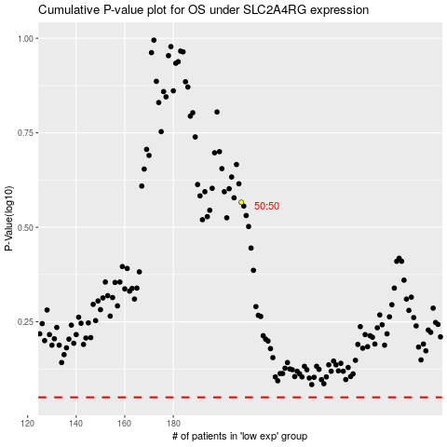

 |  |  |  |  |  | cases_OS | p_OS | rank | exp
 |  |  |  |  |  |  | cases_RFS | p_RFS | rank | exp

