SLC2A5 _multivariate
Reported by Tex Li-Hsing Chi. tex@gate.sinica.edu.tw 2019-08-16

Table 2. The clinicopathological features of HNSCC cohort and SLC2A5 expression. (Chi square test)
Cutoff at -0.253 (50.0%)
 |  | SLC2A5 expression |  | SLC2A5 expression |  | (Optimised)
 | Features | Low | (%) | High | (%) | Case no | P-value | Remark | Matthews
Gender | Female | 155 | 37.3 | 151 | 36.4 | 415 | 0.6768 | 0 | 0
2 | Male | 52 | 12.5 | 57 | 13.7
Age at diagnosis | <=65y | 137 | 33 | 137 | 33 | 415 | 1 | 0 | 0
4 | >65y | 70 | 16.9 | 71 | 17.1
Clinical T Status | T1+T2 | 63 | 15.2 | 86 | 20.7 | 415 | 0.0268 | 1 | 0
6 | T3+T4 | 144 | 34.7 | 122 | 29.4
Clinical N Status | N0 | 108 | 26 | 108 | 26 | 415 | 1 | 0 | 0
8 | N1-3 | 99 | 23.9 | 100 | 24.1
Clinical M Status | M0 | 205 | 49.4 | 207 | 49.9 | 415 | 0.6232 | 0 | 0
10 | M1 | 2 | 0.5 | 1 | 0.2
Clinical Stage | Stage I+II | 43 | 10.4 | 59 | 14.2 | 415 | 0.0925 | 0 | 0
12 | Stage III+IV | 164 | 39.5 | 149 | 35.9
Surgical Margin status | Negative | 156 | 37.6 | 162 | 39 | 415 | 0.5636 | 0 | 0
14 | Positive | 51 | 12.3 | 46 | 11.1
Tobacco Exposure | Low | 82 | 19.8 | 79 | 19 | 415 | 0.763 | 0 | 0
16 | High | 125 | 30.1 | 129 | 31.1

Table 3. Univariate/Multivariate Cox's proportional hazards regression analyses on OS time of SLC2A5 gene expression in HNSCC

 |  | Univariate |  |  |  | Multivariate
 | Features | HR | CI95%(L) | CI95%(H) | P-value | HR | CI95%(L) | CI95%(H) | P-value
1 | Female | 1 |  |  |  | 1
Gender | Male | 1.157 | 0.843 | 1.587 | 0.367 | 1.204 | 0.861 | 1.683 | 0.277
11 | <=65y | 1 |  |  |  | 1
Age at diagnosis | >65y | 1.329 | 0.99 | 1.784 | 0.058 | 1.393 | 1.025 | 1.894 | 0.034
12 | T1+T2 | 1 |  |  |  | 1
Clinical T Status | T3+T4 | 1.409 | 1.028 | 1.931 | 0.033 | 2.203 | 1.165 | 4.167 | 0.015
13 | N0 | 1 |  |  |  | 1
Clinical N Status | N1-3 | 1.185 | 0.89 | 1.577 | 0.246 | 1.238 | 0.867 | 1.768 | 0.24
14 | M0 | 1 |  |  |  | 1
Clinical M Status | M1 | 4.097 | 1.009 | 16.644 | 0.049 | 9.493 | 2.065 | 43.641 | 0.004
15 | Stage I+II | 1 |  |  |  | 1
Clinical Stage | Stage III+IV | 1.245 | 0.882 | 1.759 | 0.213 | 0.507 | 0.236 | 1.091 | 0.082
16 | Negative | 1 |  |  |  | 1
Surgical Margin status | Positive | 1.591 | 1.155 | 2.191 | 0.004 | 1.674 | 1.211 | 2.313 | 0.002
17 | Low | 1 |  |  |  | 1
Tobacco Exposure | High | 1.364 | 1.008 | 1.844 | 0.044 | 1.45 | 1.052 | 1.999 | 0.023
18 | Low | 1 |  |  |  | 1
RNAseq(z-score) | High | 0.976 | 0.732 | 1.3 | 0.866 | 1.029 | 0.768 | 1.378 | 0.849

Table 4. Univariate/Multivariate Cox's proportional hazards regression analyses on RFS time of SLC2A5 gene expression in HNSCC

 |  | Univariate |  |  |  | Multivariate
 | Features | HR | CI95%(L) | CI95%(H) | P-value | HR | CI95%(L) | CI95%(H) | P-value
1 | Female | 1 |  |  |  | 1
Gender | Male | 1.157 | 0.843 | 1.587 | 0.367 | 1.204 | 0.861 | 1.683 | 0.277
11 | <=65y | 1 |  |  |  | 1
Age at diagnosis | >65y | 1.329 | 0.99 | 1.784 | 0.058 | 1.393 | 1.025 | 1.894 | 0.034
12 | T1+T2 | 1 |  |  |  | 1
Clinical T Status | T3+T4 | 1.409 | 1.028 | 1.931 | 0.033 | 2.203 | 1.165 | 4.167 | 0.015
13 | N0 | 1 |  |  |  | 1
Clinical N Status | N1-3 | 1.185 | 0.89 | 1.577 | 0.246 | 1.238 | 0.867 | 1.768 | 0.24
14 | M0 | 1 |  |  |  | 1
Clinical M Status | M1 | 4.097 | 1.009 | 16.644 | 0.049 | 9.493 | 2.065 | 43.641 | 0.004
15 | Stage I+II | 1 |  |  |  | 1
Clinical Stage | Stage III+IV | 1.245 | 0.882 | 1.759 | 0.213 | 0.507 | 0.236 | 1.091 | 0.082
16 | Negative | 1 |  |  |  | 1
Surgical Margin status | Positive | 1.591 | 1.155 | 2.191 | 0.004 | 1.674 | 1.211 | 2.313 | 0.002
17 | Low | 1 |  |  |  | 1
Tobacco Exposure | High | 1.364 | 1.008 | 1.844 | 0.044 | 1.45 | 1.052 | 1.999 | 0.023
18 | Low | 1 |  |  |  | 1
RNAseq(z-score) | High | 0.976 | 0.732 | 1.3 | 0.866 | 1.029 | 0.768 | 1.378 | 0.849

Kaplan-Meier survival estimate: Cutoff at -0.253 (50.0%)



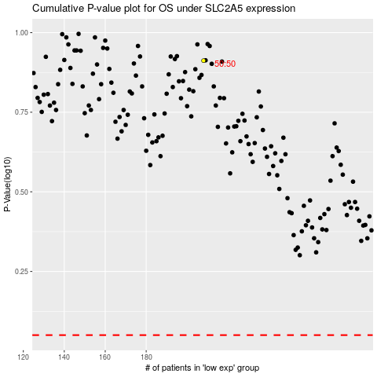

 |  |  |  |  |  | cases_OS | p_OS | rank | exp
 |  |  |  |  |  |  | cases_RFS | p_RFS | rank | exp

