SLC2A6 _multivariate
Reported by Tex Li-Hsing Chi. tex@gate.sinica.edu.tw 2019-08-16

Table 2. The clinicopathological features of HNSCC cohort and SLC2A6 expression. (Chi square test)
Cutoff at -0.176 (49.8%)
 |  | SLC2A6 expression |  | SLC2A6 expression |  | (Optimised)
 | Features | Low | (%) | High | (%) | Case no | P-value | Remark | Matthews
Gender | Female | 150 | 36.1 | 156 | 37.6 | 415 | 0.6344 | 0 | 0
2 | Male | 57 | 13.7 | 52 | 12.5
Age at diagnosis | <=65y | 133 | 32 | 141 | 34 | 415 | 0.5111 | 0 | 0
4 | >65y | 74 | 17.8 | 67 | 16.1
Clinical T Status | T1+T2 | 79 | 19 | 70 | 16.9 | 415 | 0.3924 | 0 | 0
6 | T3+T4 | 128 | 30.8 | 138 | 33.3
Clinical N Status | N0 | 114 | 27.5 | 102 | 24.6 | 415 | 0.2576 | 1 | 0
8 | N1-3 | 93 | 22.4 | 106 | 25.5
Clinical M Status | M0 | 204 | 49.2 | 208 | 50.1 | 415 | 0.1232 | 0 | 0
10 | M1 | 3 | 0.7 | 0 | 0
Clinical Stage | Stage I+II | 53 | 12.8 | 49 | 11.8 | 415 | 0.7113 | 0 | 0
12 | Stage III+IV | 154 | 37.1 | 159 | 38.3
Surgical Margin status | Negative | 157 | 37.8 | 161 | 38.8 | 415 | 0.729 | 0 | 0
14 | Positive | 50 | 12 | 47 | 11.3
Tobacco Exposure | Low | 84 | 20.2 | 77 | 18.6 | 415 | 0.4816 | 0 | 0
16 | High | 123 | 29.6 | 131 | 31.6

Table 3. Univariate/Multivariate Cox's proportional hazards regression analyses on OS time of SLC2A6 gene expression in HNSCC

 |  | Univariate |  |  |  | Multivariate
 | Features | HR | CI95%(L) | CI95%(H) | P-value | HR | CI95%(L) | CI95%(H) | P-value
1 | Female | 1 |  |  |  | 1
Gender | Male | 1.157 | 0.843 | 1.587 | 0.367 | 1.204 | 0.861 | 1.681 | 0.278
11 | <=65y | 1 |  |  |  | 1
Age at diagnosis | >65y | 1.329 | 0.99 | 1.784 | 0.058 | 1.391 | 1.023 | 1.892 | 0.035
12 | T1+T2 | 1 |  |  |  | 1
Clinical T Status | T3+T4 | 1.409 | 1.028 | 1.931 | 0.033 | 2.185 | 1.153 | 4.139 | 0.017
13 | N0 | 1 |  |  |  | 1
Clinical N Status | N1-3 | 1.185 | 0.89 | 1.577 | 0.246 | 1.237 | 0.866 | 1.766 | 0.242
14 | M0 | 1 |  |  |  | 1
Clinical M Status | M1 | 4.097 | 1.009 | 16.644 | 0.049 | 9.568 | 2.079 | 44.036 | 0.004
15 | Stage I+II | 1 |  |  |  | 1
Clinical Stage | Stage III+IV | 1.245 | 0.882 | 1.759 | 0.213 | 0.509 | 0.237 | 1.095 | 0.084
16 | Negative | 1 |  |  |  | 1
Surgical Margin status | Positive | 1.591 | 1.155 | 2.191 | 0.004 | 1.665 | 1.204 | 2.303 | 0.002
17 | Low | 1 |  |  |  | 1
Tobacco Exposure | High | 1.364 | 1.008 | 1.844 | 0.044 | 1.45 | 1.053 | 1.998 | 0.023
18 | Low | 1 |  |  |  | 1
RNAseq(z-score) | High | 1.077 | 0.809 | 1.434 | 0.611 | 1.046 | 0.782 | 1.399 | 0.763

Table 4. Univariate/Multivariate Cox's proportional hazards regression analyses on RFS time of SLC2A6 gene expression in HNSCC

 |  | Univariate |  |  |  | Multivariate
 | Features | HR | CI95%(L) | CI95%(H) | P-value | HR | CI95%(L) | CI95%(H) | P-value
1 | Female | 1 |  |  |  | 1
Gender | Male | 1.157 | 0.843 | 1.587 | 0.367 | 1.204 | 0.861 | 1.681 | 0.278
11 | <=65y | 1 |  |  |  | 1
Age at diagnosis | >65y | 1.329 | 0.99 | 1.784 | 0.058 | 1.391 | 1.023 | 1.892 | 0.035
12 | T1+T2 | 1 |  |  |  | 1
Clinical T Status | T3+T4 | 1.409 | 1.028 | 1.931 | 0.033 | 2.185 | 1.153 | 4.139 | 0.017
13 | N0 | 1 |  |  |  | 1
Clinical N Status | N1-3 | 1.185 | 0.89 | 1.577 | 0.246 | 1.237 | 0.866 | 1.766 | 0.242
14 | M0 | 1 |  |  |  | 1
Clinical M Status | M1 | 4.097 | 1.009 | 16.644 | 0.049 | 9.568 | 2.079 | 44.036 | 0.004
15 | Stage I+II | 1 |  |  |  | 1
Clinical Stage | Stage III+IV | 1.245 | 0.882 | 1.759 | 0.213 | 0.509 | 0.237 | 1.095 | 0.084
16 | Negative | 1 |  |  |  | 1
Surgical Margin status | Positive | 1.591 | 1.155 | 2.191 | 0.004 | 1.665 | 1.204 | 2.303 | 0.002
17 | Low | 1 |  |  |  | 1
Tobacco Exposure | High | 1.364 | 1.008 | 1.844 | 0.044 | 1.45 | 1.053 | 1.998 | 0.023
18 | Low | 1 |  |  |  | 1
RNAseq(z-score) | High | 1.077 | 0.809 | 1.434 | 0.611 | 1.046 | 0.782 | 1.399 | 0.763

Kaplan-Meier survival estimate: Cutoff at -0.176 (49.8%)



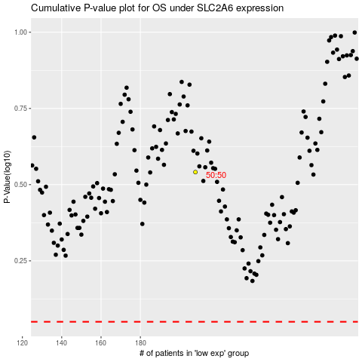

 |  |  |  |  |  | cases_OS | p_OS | rank | exp
 |  |  |  |  |  |  | cases_RFS | p_RFS | rank | exp

