SLC2A8 _multivariate
Reported by Tex Li-Hsing Chi. tex@gate.sinica.edu.tw 2019-08-16

Table 2. The clinicopathological features of HNSCC cohort and SLC2A8 expression. (Chi square test)
Cutoff at -0.206 (49.8%)
 |  | SLC2A8 expression |  | SLC2A8 expression |  | (Optimised)
 | Features | Low | (%) | High | (%) | Case no | P-value | Remark | Matthews
Gender | Female | 144 | 34.7 | 162 | 39 | 415 | 0.0697 | 0 | 0
2 | Male | 63 | 15.2 | 46 | 11.1
Age at diagnosis | <=65y | 129 | 31.1 | 145 | 34.9 | 415 | 0.1372 | 0 | 0
4 | >65y | 78 | 18.8 | 63 | 15.2
Clinical T Status | T1+T2 | 67 | 16.1 | 82 | 19.8 | 415 | 0.1628 | 0 | 0
6 | T3+T4 | 140 | 33.7 | 126 | 30.4
Clinical N Status | N0 | 106 | 25.5 | 110 | 26.5 | 415 | 0.8075 | 0 | 0
8 | N1-3 | 101 | 24.3 | 98 | 23.6
Clinical M Status | M0 | 207 | 49.9 | 205 | 49.4 | 415 | 0.2482 | 0 | 0
10 | M1 | 0 | 0 | 3 | 0.7
Clinical Stage | Stage I+II | 52 | 12.5 | 50 | 12 | 415 | 0.8871 | 0 | 0
12 | Stage III+IV | 155 | 37.3 | 158 | 38.1
Surgical Margin status | Negative | 162 | 39 | 156 | 37.6 | 415 | 0.4867 | 0 | 0
14 | Positive | 45 | 10.8 | 52 | 12.5
Tobacco Exposure | Low | 81 | 19.5 | 80 | 19.3 | 415 | 0.9199 | 0 | 0
16 | High | 126 | 30.4 | 128 | 30.8

Table 3. Univariate/Multivariate Cox's proportional hazards regression analyses on OS time of SLC2A8 gene expression in HNSCC

 |  | Univariate |  |  |  | Multivariate
 | Features | HR | CI95%(L) | CI95%(H) | P-value | HR | CI95%(L) | CI95%(H) | P-value
1 | Female | 1 |  |  |  | 1
Gender | Male | 1.157 | 0.843 | 1.587 | 0.367 | 1.188 | 0.85 | 1.659 | 0.313
11 | <=65y | 1 |  |  |  | 1
Age at diagnosis | >65y | 1.329 | 0.99 | 1.784 | 0.058 | 1.397 | 1.027 | 1.9 | 0.033
12 | T1+T2 | 1 |  |  |  | 1
Clinical T Status | T3+T4 | 1.409 | 1.028 | 1.931 | 0.033 | 2.127 | 1.122 | 4.033 | 0.021
13 | N0 | 1 |  |  |  | 1
Clinical N Status | N1-3 | 1.185 | 0.89 | 1.577 | 0.246 | 1.231 | 0.862 | 1.757 | 0.253
14 | M0 | 1 |  |  |  | 1
Clinical M Status | M1 | 4.097 | 1.009 | 16.644 | 0.049 | 10.025 | 2.178 | 46.155 | 0.003
15 | Stage I+II | 1 |  |  |  | 1
Clinical Stage | Stage III+IV | 1.245 | 0.882 | 1.759 | 0.213 | 0.522 | 0.243 | 1.122 | 0.096
16 | Negative | 1 |  |  |  | 1
Surgical Margin status | Positive | 1.591 | 1.155 | 2.191 | 0.004 | 1.692 | 1.223 | 2.34 | 0.001
17 | Low | 1 |  |  |  | 1
Tobacco Exposure | High | 1.364 | 1.008 | 1.844 | 0.044 | 1.444 | 1.048 | 1.99 | 0.025
18 | Low | 1 |  |  |  | 1
RNAseq(z-score) | High | 0.826 | 0.62 | 1.1 | 0.191 | 0.838 | 0.626 | 1.122 | 0.234

Table 4. Univariate/Multivariate Cox's proportional hazards regression analyses on RFS time of SLC2A8 gene expression in HNSCC

 |  | Univariate |  |  |  | Multivariate
 | Features | HR | CI95%(L) | CI95%(H) | P-value | HR | CI95%(L) | CI95%(H) | P-value
1 | Female | 1 |  |  |  | 1
Gender | Male | 1.157 | 0.843 | 1.587 | 0.367 | 1.188 | 0.85 | 1.659 | 0.313
11 | <=65y | 1 |  |  |  | 1
Age at diagnosis | >65y | 1.329 | 0.99 | 1.784 | 0.058 | 1.397 | 1.027 | 1.9 | 0.033
12 | T1+T2 | 1 |  |  |  | 1
Clinical T Status | T3+T4 | 1.409 | 1.028 | 1.931 | 0.033 | 2.127 | 1.122 | 4.033 | 0.021
13 | N0 | 1 |  |  |  | 1
Clinical N Status | N1-3 | 1.185 | 0.89 | 1.577 | 0.246 | 1.231 | 0.862 | 1.757 | 0.253
14 | M0 | 1 |  |  |  | 1
Clinical M Status | M1 | 4.097 | 1.009 | 16.644 | 0.049 | 10.025 | 2.178 | 46.155 | 0.003
15 | Stage I+II | 1 |  |  |  | 1
Clinical Stage | Stage III+IV | 1.245 | 0.882 | 1.759 | 0.213 | 0.522 | 0.243 | 1.122 | 0.096
16 | Negative | 1 |  |  |  | 1
Surgical Margin status | Positive | 1.591 | 1.155 | 2.191 | 0.004 | 1.692 | 1.223 | 2.34 | 0.001
17 | Low | 1 |  |  |  | 1
Tobacco Exposure | High | 1.364 | 1.008 | 1.844 | 0.044 | 1.444 | 1.048 | 1.99 | 0.025
18 | Low | 1 |  |  |  | 1
RNAseq(z-score) | High | 0.826 | 0.62 | 1.1 | 0.191 | 0.838 | 0.626 | 1.122 | 0.234

Kaplan-Meier survival estimate: Cutoff at -0.206 (49.8%)



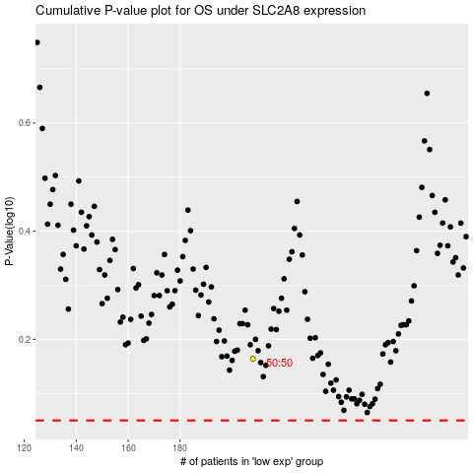

 |  |  |  |  |  | cases_OS | p_OS | rank | exp
 |  |  |  |  |  |  | cases_RFS | p_RFS | rank | exp

