SLC2A9 _multivariate
Reported by Tex Li-Hsing Chi. tex@gate.sinica.edu.tw 2019-08-16

Table 2. The clinicopathological features of HNSCC cohort and SLC2A9 expression. (Chi square test)
Cutoff at -0.143 (50.0%)
 |  | SLC2A9 expression |  | SLC2A9 expression |  | (Optimised)
 | Features | Low | (%) | High | (%) | Case no | P-value | Remark | Matthews
Gender | Female | 171 | 41.2 | 135 | 32.5 | 415 | 1e-04 | 1 | 0
2 | Male | 36 | 8.7 | 73 | 17.6
Age at diagnosis | <=65y | 147 | 35.4 | 127 | 30.6 | 415 | 0.0416 | 1 | 0
4 | >65y | 60 | 14.5 | 81 | 19.5
Clinical T Status | T1+T2 | 73 | 17.6 | 76 | 18.3 | 415 | 0.8666 | 0 | 0
6 | T3+T4 | 134 | 32.3 | 132 | 31.8
Clinical N Status | N0 | 99 | 23.9 | 117 | 28.2 | 415 | 0.1054 | 0 | 0
8 | N1-3 | 108 | 26 | 91 | 21.9
Clinical M Status | M0 | 207 | 49.9 | 205 | 49.4 | 415 | 0.2482 | 0 | 0
10 | M1 | 0 | 0 | 3 | 0.7
Clinical Stage | Stage I+II | 44 | 10.6 | 58 | 14 | 415 | 0.1459 | 0 | 0
12 | Stage III+IV | 163 | 39.3 | 150 | 36.1
Surgical Margin status | Negative | 158 | 38.1 | 160 | 38.6 | 415 | 0.9081 | 0 | 0
14 | Positive | 49 | 11.8 | 48 | 11.6
Tobacco Exposure | Low | 65 | 15.7 | 96 | 23.1 | 415 | 0.0025 | 1 | 0
16 | High | 142 | 34.2 | 112 | 27

Table 3. Univariate/Multivariate Cox's proportional hazards regression analyses on OS time of SLC2A9 gene expression in HNSCC

 |  | Univariate |  |  |  | Multivariate
 | Features | HR | CI95%(L) | CI95%(H) | P-value | HR | CI95%(L) | CI95%(H) | P-value
1 | Female | 1 |  |  |  | 1
Gender | Male | 1.157 | 0.843 | 1.587 | 0.367 | 1.168 | 0.832 | 1.641 | 0.369
11 | <=65y | 1 |  |  |  | 1
Age at diagnosis | >65y | 1.329 | 0.99 | 1.784 | 0.058 | 1.393 | 1.025 | 1.893 | 0.034
12 | T1+T2 | 1 |  |  |  | 1
Clinical T Status | T3+T4 | 1.409 | 1.028 | 1.931 | 0.033 | 2.172 | 1.148 | 4.108 | 0.017
13 | N0 | 1 |  |  |  | 1
Clinical N Status | N1-3 | 1.185 | 0.89 | 1.577 | 0.246 | 1.251 | 0.876 | 1.784 | 0.218
14 | M0 | 1 |  |  |  | 1
Clinical M Status | M1 | 4.097 | 1.009 | 16.644 | 0.049 | 8.562 | 1.844 | 39.766 | 0.006
15 | Stage I+II | 1 |  |  |  | 1
Clinical Stage | Stage III+IV | 1.245 | 0.882 | 1.759 | 0.213 | 0.518 | 0.241 | 1.115 | 0.093
16 | Negative | 1 |  |  |  | 1
Surgical Margin status | Positive | 1.591 | 1.155 | 2.191 | 0.004 | 1.671 | 1.21 | 2.308 | 0.002
17 | Low | 1 |  |  |  | 1
Tobacco Exposure | High | 1.364 | 1.008 | 1.844 | 0.044 | 1.485 | 1.074 | 2.054 | 0.017
18 | Low | 1 |  |  |  | 1
RNAseq(z-score) | High | 1.136 | 0.851 | 1.517 | 0.386 | 1.15 | 0.847 | 1.562 | 0.37

Table 4. Univariate/Multivariate Cox's proportional hazards regression analyses on RFS time of SLC2A9 gene expression in HNSCC

 |  | Univariate |  |  |  | Multivariate
 | Features | HR | CI95%(L) | CI95%(H) | P-value | HR | CI95%(L) | CI95%(H) | P-value
1 | Female | 1 |  |  |  | 1
Gender | Male | 1.157 | 0.843 | 1.587 | 0.367 | 1.168 | 0.832 | 1.641 | 0.369
11 | <=65y | 1 |  |  |  | 1
Age at diagnosis | >65y | 1.329 | 0.99 | 1.784 | 0.058 | 1.393 | 1.025 | 1.893 | 0.034
12 | T1+T2 | 1 |  |  |  | 1
Clinical T Status | T3+T4 | 1.409 | 1.028 | 1.931 | 0.033 | 2.172 | 1.148 | 4.108 | 0.017
13 | N0 | 1 |  |  |  | 1
Clinical N Status | N1-3 | 1.185 | 0.89 | 1.577 | 0.246 | 1.251 | 0.876 | 1.784 | 0.218
14 | M0 | 1 |  |  |  | 1
Clinical M Status | M1 | 4.097 | 1.009 | 16.644 | 0.049 | 8.562 | 1.844 | 39.766 | 0.006
15 | Stage I+II | 1 |  |  |  | 1
Clinical Stage | Stage III+IV | 1.245 | 0.882 | 1.759 | 0.213 | 0.518 | 0.241 | 1.115 | 0.093
16 | Negative | 1 |  |  |  | 1
Surgical Margin status | Positive | 1.591 | 1.155 | 2.191 | 0.004 | 1.671 | 1.21 | 2.308 | 0.002
17 | Low | 1 |  |  |  | 1
Tobacco Exposure | High | 1.364 | 1.008 | 1.844 | 0.044 | 1.485 | 1.074 | 2.054 | 0.017
18 | Low | 1 |  |  |  | 1
RNAseq(z-score) | High | 1.136 | 0.851 | 1.517 | 0.386 | 1.15 | 0.847 | 1.562 | 0.37

Kaplan-Meier survival estimate: Cutoff at -0.143 (50.0%)



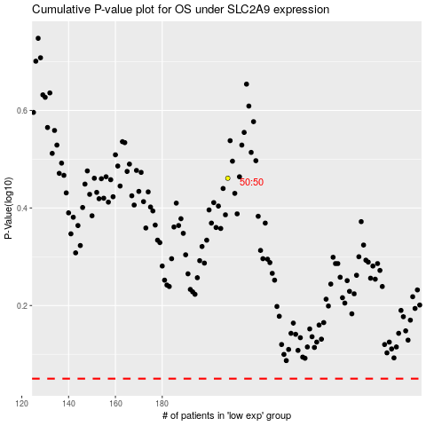

 |  |  |  |  |  | cases_OS | p_OS | rank | exp
 |  |  |  |  |  |  | cases_RFS | p_RFS | rank | exp

