SLC30A1 _multivariate
Reported by Tex Li-Hsing Chi. tex@gate.sinica.edu.tw 2019-08-16

Table 2. The clinicopathological features of HNSCC cohort and SLC30A1 expression. (Chi square test)
Cutoff at -0.028 (49.8%)
 |  | SLC30A1 expression |  | SLC30A1 expression |  | (Optimised)
 | Features | Low | (%) | High | (%) | Case no | P-value | Remark | Matthews
Gender | Female | 161 | 38.8 | 145 | 34.9 | 415 | 0.0792 | 0 | 0
2 | Male | 46 | 11.1 | 63 | 15.2
Age at diagnosis | <=65y | 143 | 34.5 | 131 | 31.6 | 415 | 0.2269 | 0 | 0
4 | >65y | 64 | 15.4 | 77 | 18.6
Clinical T Status | T1+T2 | 74 | 17.8 | 75 | 18.1 | 415 | 1 | 0 | 0
6 | T3+T4 | 133 | 32 | 133 | 32
Clinical N Status | N0 | 104 | 25.1 | 112 | 27 | 415 | 0.5243 | 0 | 0
8 | N1-3 | 103 | 24.8 | 96 | 23.1
Clinical M Status | M0 | 204 | 49.2 | 208 | 50.1 | 415 | 0.1232 | 0 | 0
10 | M1 | 3 | 0.7 | 0 | 0
Clinical Stage | Stage I+II | 47 | 11.3 | 55 | 13.3 | 415 | 0.4413 | 0 | 0
12 | Stage III+IV | 160 | 38.6 | 153 | 36.9
Surgical Margin status | Negative | 158 | 38.1 | 160 | 38.6 | 415 | 0.9081 | 0 | 0
14 | Positive | 49 | 11.8 | 48 | 11.6
Tobacco Exposure | Low | 70 | 16.9 | 91 | 21.9 | 415 | 0.0439 | 1 | 0
16 | High | 137 | 33 | 117 | 28.2

Table 3. Univariate/Multivariate Cox's proportional hazards regression analyses on OS time of SLC30A1 gene expression in HNSCC

 |  | Univariate |  |  |  | Multivariate
 | Features | HR | CI95%(L) | CI95%(H) | P-value | HR | CI95%(L) | CI95%(H) | P-value
1 | Female | 1 |  |  |  | 1
Gender | Male | 1.157 | 0.843 | 1.587 | 0.367 | 1.209 | 0.864 | 1.69 | 0.268
11 | <=65y | 1 |  |  |  | 1
Age at diagnosis | >65y | 1.329 | 0.99 | 1.784 | 0.058 | 1.392 | 1.024 | 1.892 | 0.035
12 | T1+T2 | 1 |  |  |  | 1
Clinical T Status | T3+T4 | 1.409 | 1.028 | 1.931 | 0.033 | 2.217 | 1.172 | 4.192 | 0.014
13 | N0 | 1 |  |  |  | 1
Clinical N Status | N1-3 | 1.185 | 0.89 | 1.577 | 0.246 | 1.244 | 0.872 | 1.775 | 0.228
14 | M0 | 1 |  |  |  | 1
Clinical M Status | M1 | 4.097 | 1.009 | 16.644 | 0.049 | 8.952 | 1.943 | 41.241 | 0.005
15 | Stage I+II | 1 |  |  |  | 1
Clinical Stage | Stage III+IV | 1.245 | 0.882 | 1.759 | 0.213 | 0.499 | 0.232 | 1.072 | 0.075
16 | Negative | 1 |  |  |  | 1
Surgical Margin status | Positive | 1.591 | 1.155 | 2.191 | 0.004 | 1.657 | 1.199 | 2.291 | 0.002
17 | Low | 1 |  |  |  | 1
Tobacco Exposure | High | 1.364 | 1.008 | 1.844 | 0.044 | 1.436 | 1.041 | 1.983 | 0.028
18 | Low | 1 |  |  |  | 1
RNAseq(z-score) | High | 0.848 | 0.636 | 1.13 | 0.261 | 0.894 | 0.667 | 1.197 | 0.451

Table 4. Univariate/Multivariate Cox's proportional hazards regression analyses on RFS time of SLC30A1 gene expression in HNSCC

 |  | Univariate |  |  |  | Multivariate
 | Features | HR | CI95%(L) | CI95%(H) | P-value | HR | CI95%(L) | CI95%(H) | P-value
1 | Female | 1 |  |  |  | 1
Gender | Male | 1.157 | 0.843 | 1.587 | 0.367 | 1.209 | 0.864 | 1.69 | 0.268
11 | <=65y | 1 |  |  |  | 1
Age at diagnosis | >65y | 1.329 | 0.99 | 1.784 | 0.058 | 1.392 | 1.024 | 1.892 | 0.035
12 | T1+T2 | 1 |  |  |  | 1
Clinical T Status | T3+T4 | 1.409 | 1.028 | 1.931 | 0.033 | 2.217 | 1.172 | 4.192 | 0.014
13 | N0 | 1 |  |  |  | 1
Clinical N Status | N1-3 | 1.185 | 0.89 | 1.577 | 0.246 | 1.244 | 0.872 | 1.775 | 0.228
14 | M0 | 1 |  |  |  | 1
Clinical M Status | M1 | 4.097 | 1.009 | 16.644 | 0.049 | 8.952 | 1.943 | 41.241 | 0.005
15 | Stage I+II | 1 |  |  |  | 1
Clinical Stage | Stage III+IV | 1.245 | 0.882 | 1.759 | 0.213 | 0.499 | 0.232 | 1.072 | 0.075
16 | Negative | 1 |  |  |  | 1
Surgical Margin status | Positive | 1.591 | 1.155 | 2.191 | 0.004 | 1.657 | 1.199 | 2.291 | 0.002
17 | Low | 1 |  |  |  | 1
Tobacco Exposure | High | 1.364 | 1.008 | 1.844 | 0.044 | 1.436 | 1.041 | 1.983 | 0.028
18 | Low | 1 |  |  |  | 1
RNAseq(z-score) | High | 0.848 | 0.636 | 1.13 | 0.261 | 0.894 | 0.667 | 1.197 | 0.451

Kaplan-Meier survival estimate: Cutoff at -0.028 (49.8%)



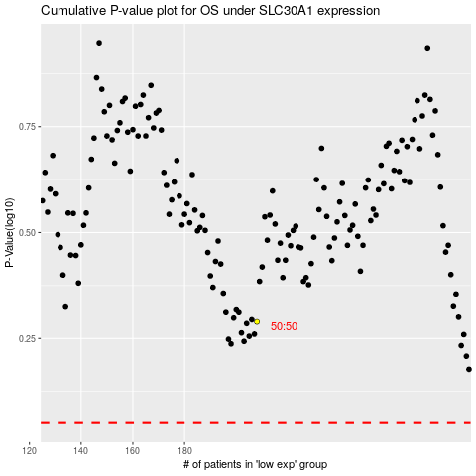

 |  |  |  |  |  | cases_OS | p_OS | rank | exp
 |  |  |  |  |  |  | cases_RFS | p_RFS | rank | exp

