SLC30A2 _multivariate
Reported by Tex Li-Hsing Chi. tex@gate.sinica.edu.tw 2019-08-16

Table 2. The clinicopathological features of HNSCC cohort and SLC30A2 expression. (Chi square test)
Cutoff at -0.265 (50.0%)
 |  | SLC30A2 expression |  | SLC30A2 expression |  | (Optimised)
 | Features | Low | (%) | High | (%) | Case no | P-value | Remark | Matthews
Gender | Female | 150 | 36.1 | 156 | 37.6 | 415 | 0.6344 | 0 | 0
2 | Male | 57 | 13.7 | 52 | 12.5
Age at diagnosis | <=65y | 128 | 30.8 | 146 | 35.2 | 415 | 0.0904 | 0 | 0
4 | >65y | 79 | 19 | 62 | 14.9
Clinical T Status | T1+T2 | 71 | 17.1 | 78 | 18.8 | 415 | 0.5638 | 0 | 0
6 | T3+T4 | 136 | 32.8 | 130 | 31.3
Clinical N Status | N0 | 112 | 27 | 104 | 25.1 | 415 | 0.4599 | 0 | 0
8 | N1-3 | 95 | 22.9 | 104 | 25.1
Clinical M Status | M0 | 204 | 49.2 | 208 | 50.1 | 415 | 0.1232 | 0 | 0
10 | M1 | 3 | 0.7 | 0 | 0
Clinical Stage | Stage I+II | 48 | 11.6 | 54 | 13 | 415 | 0.5878 | 0 | 0
12 | Stage III+IV | 159 | 38.3 | 154 | 37.1
Surgical Margin status | Negative | 155 | 37.3 | 163 | 39.3 | 415 | 0.4187 | 0 | 0
14 | Positive | 52 | 12.5 | 45 | 10.8
Tobacco Exposure | Low | 80 | 19.3 | 81 | 19.5 | 415 | 1 | 0 | 0
16 | High | 127 | 30.6 | 127 | 30.6

Table 3. Univariate/Multivariate Cox's proportional hazards regression analyses on OS time of SLC30A2 gene expression in HNSCC

 |  | Univariate |  |  |  | Multivariate
 | Features | HR | CI95%(L) | CI95%(H) | P-value | HR | CI95%(L) | CI95%(H) | P-value
1 | Female | 1 |  |  |  | 1
Gender | Male | 1.157 | 0.843 | 1.587 | 0.367 | 1.196 | 0.856 | 1.669 | 0.294
11 | <=65y | 1 |  |  |  | 1
Age at diagnosis | >65y | 1.329 | 0.99 | 1.784 | 0.058 | 1.416 | 1.04 | 1.926 | 0.027
12 | T1+T2 | 1 |  |  |  | 1
Clinical T Status | T3+T4 | 1.409 | 1.028 | 1.931 | 0.033 | 2.163 | 1.143 | 4.093 | 0.018
13 | N0 | 1 |  |  |  | 1
Clinical N Status | N1-3 | 1.185 | 0.89 | 1.577 | 0.246 | 1.217 | 0.852 | 1.739 | 0.28
14 | M0 | 1 |  |  |  | 1
Clinical M Status | M1 | 4.097 | 1.009 | 16.644 | 0.049 | 10.379 | 2.251 | 47.859 | 0.003
15 | Stage I+II | 1 |  |  |  | 1
Clinical Stage | Stage III+IV | 1.245 | 0.882 | 1.759 | 0.213 | 0.525 | 0.244 | 1.13 | 0.099
16 | Negative | 1 |  |  |  | 1
Surgical Margin status | Positive | 1.591 | 1.155 | 2.191 | 0.004 | 1.684 | 1.219 | 2.326 | 0.002
17 | Low | 1 |  |  |  | 1
Tobacco Exposure | High | 1.364 | 1.008 | 1.844 | 0.044 | 1.45 | 1.054 | 1.994 | 0.022
18 | Low | 1 |  |  |  | 1
RNAseq(z-score) | High | 1.182 | 0.887 | 1.574 | 0.254 | 1.242 | 0.929 | 1.662 | 0.144

Table 4. Univariate/Multivariate Cox's proportional hazards regression analyses on RFS time of SLC30A2 gene expression in HNSCC

 |  | Univariate |  |  |  | Multivariate
 | Features | HR | CI95%(L) | CI95%(H) | P-value | HR | CI95%(L) | CI95%(H) | P-value
1 | Female | 1 |  |  |  | 1
Gender | Male | 1.157 | 0.843 | 1.587 | 0.367 | 1.196 | 0.856 | 1.669 | 0.294
11 | <=65y | 1 |  |  |  | 1
Age at diagnosis | >65y | 1.329 | 0.99 | 1.784 | 0.058 | 1.416 | 1.04 | 1.926 | 0.027
12 | T1+T2 | 1 |  |  |  | 1
Clinical T Status | T3+T4 | 1.409 | 1.028 | 1.931 | 0.033 | 2.163 | 1.143 | 4.093 | 0.018
13 | N0 | 1 |  |  |  | 1
Clinical N Status | N1-3 | 1.185 | 0.89 | 1.577 | 0.246 | 1.217 | 0.852 | 1.739 | 0.28
14 | M0 | 1 |  |  |  | 1
Clinical M Status | M1 | 4.097 | 1.009 | 16.644 | 0.049 | 10.379 | 2.251 | 47.859 | 0.003
15 | Stage I+II | 1 |  |  |  | 1
Clinical Stage | Stage III+IV | 1.245 | 0.882 | 1.759 | 0.213 | 0.525 | 0.244 | 1.13 | 0.099
16 | Negative | 1 |  |  |  | 1
Surgical Margin status | Positive | 1.591 | 1.155 | 2.191 | 0.004 | 1.684 | 1.219 | 2.326 | 0.002
17 | Low | 1 |  |  |  | 1
Tobacco Exposure | High | 1.364 | 1.008 | 1.844 | 0.044 | 1.45 | 1.054 | 1.994 | 0.022
18 | Low | 1 |  |  |  | 1
RNAseq(z-score) | High | 1.182 | 0.887 | 1.574 | 0.254 | 1.242 | 0.929 | 1.662 | 0.144

Kaplan-Meier survival estimate: Cutoff at -0.265 (50.0%)



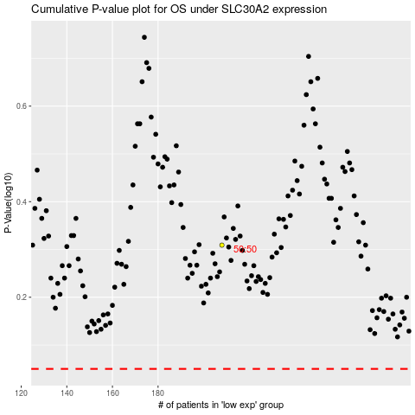

 |  |  |  |  |  | cases_OS | p_OS | rank | exp
 |  |  |  |  |  |  | cases_RFS | p_RFS | rank | exp

