SLC30A3 _multivariate
Reported by Tex Li-Hsing Chi. tex@gate.sinica.edu.tw 2019-08-16

Table 2. The clinicopathological features of HNSCC cohort and SLC30A3 expression. (Chi square test)
Cutoff at -0.157 (49.8%)
 |  | SLC30A3 expression |  | SLC30A3 expression |  | (Optimised)
 | Features | Low | (%) | High | (%) | Case no | P-value | Remark | Matthews
Gender | Female | 147 | 35.4 | 159 | 38.3 | 415 | 0.2523 | 0 | 0
2 | Male | 60 | 14.5 | 49 | 11.8
Age at diagnosis | <=65y | 135 | 32.5 | 139 | 33.5 | 415 | 0.8084 | 0 | 0
4 | >65y | 72 | 17.3 | 69 | 16.6
Clinical T Status | T1+T2 | 86 | 20.7 | 63 | 15.2 | 415 | 0.0221 | 1 | 0
6 | T3+T4 | 121 | 29.2 | 145 | 34.9
Clinical N Status | N0 | 108 | 26 | 108 | 26 | 415 | 1 | 0 | 0
8 | N1-3 | 99 | 23.9 | 100 | 24.1
Clinical M Status | M0 | 205 | 49.4 | 207 | 49.9 | 415 | 0.6232 | 0 | 0
10 | M1 | 2 | 0.5 | 1 | 0.2
Clinical Stage | Stage I+II | 59 | 14.2 | 43 | 10.4 | 415 | 0.0822 | 0 | 0
12 | Stage III+IV | 148 | 35.7 | 165 | 39.8
Surgical Margin status | Negative | 155 | 37.3 | 163 | 39.3 | 415 | 0.4187 | 0 | 0
14 | Positive | 52 | 12.5 | 45 | 10.8
Tobacco Exposure | Low | 97 | 23.4 | 64 | 15.4 | 415 | 9e-04 | 1 | 0
16 | High | 110 | 26.5 | 144 | 34.7

Table 3. Univariate/Multivariate Cox's proportional hazards regression analyses on OS time of SLC30A3 gene expression in HNSCC

 |  | Univariate |  |  |  | Multivariate
 | Features | HR | CI95%(L) | CI95%(H) | P-value | HR | CI95%(L) | CI95%(H) | P-value
1 | Female | 1 |  |  |  | 1
Gender | Male | 1.157 | 0.843 | 1.587 | 0.367 | 1.202 | 0.86 | 1.681 | 0.281
11 | <=65y | 1 |  |  |  | 1
Age at diagnosis | >65y | 1.329 | 0.99 | 1.784 | 0.058 | 1.391 | 1.023 | 1.892 | 0.035
12 | T1+T2 | 1 |  |  |  | 1
Clinical T Status | T3+T4 | 1.409 | 1.028 | 1.931 | 0.033 | 2.198 | 1.158 | 4.171 | 0.016
13 | N0 | 1 |  |  |  | 1
Clinical N Status | N1-3 | 1.185 | 0.89 | 1.577 | 0.246 | 1.241 | 0.87 | 1.77 | 0.234
14 | M0 | 1 |  |  |  | 1
Clinical M Status | M1 | 4.097 | 1.009 | 16.644 | 0.049 | 9.403 | 2.051 | 43.104 | 0.004
15 | Stage I+II | 1 |  |  |  | 1
Clinical Stage | Stage III+IV | 1.245 | 0.882 | 1.759 | 0.213 | 0.505 | 0.235 | 1.084 | 0.08
16 | Negative | 1 |  |  |  | 1
Surgical Margin status | Positive | 1.591 | 1.155 | 2.191 | 0.004 | 1.672 | 1.21 | 2.31 | 0.002
17 | Low | 1 |  |  |  | 1
Tobacco Exposure | High | 1.364 | 1.008 | 1.844 | 0.044 | 1.451 | 1.049 | 2.006 | 0.024
18 | Low | 1 |  |  |  | 1
RNAseq(z-score) | High | 1.112 | 0.833 | 1.485 | 0.472 | 1.009 | 0.748 | 1.362 | 0.952

Table 4. Univariate/Multivariate Cox's proportional hazards regression analyses on RFS time of SLC30A3 gene expression in HNSCC

 |  | Univariate |  |  |  | Multivariate
 | Features | HR | CI95%(L) | CI95%(H) | P-value | HR | CI95%(L) | CI95%(H) | P-value
1 | Female | 1 |  |  |  | 1
Gender | Male | 1.157 | 0.843 | 1.587 | 0.367 | 1.202 | 0.86 | 1.681 | 0.281
11 | <=65y | 1 |  |  |  | 1
Age at diagnosis | >65y | 1.329 | 0.99 | 1.784 | 0.058 | 1.391 | 1.023 | 1.892 | 0.035
12 | T1+T2 | 1 |  |  |  | 1
Clinical T Status | T3+T4 | 1.409 | 1.028 | 1.931 | 0.033 | 2.198 | 1.158 | 4.171 | 0.016
13 | N0 | 1 |  |  |  | 1
Clinical N Status | N1-3 | 1.185 | 0.89 | 1.577 | 0.246 | 1.241 | 0.87 | 1.77 | 0.234
14 | M0 | 1 |  |  |  | 1
Clinical M Status | M1 | 4.097 | 1.009 | 16.644 | 0.049 | 9.403 | 2.051 | 43.104 | 0.004
15 | Stage I+II | 1 |  |  |  | 1
Clinical Stage | Stage III+IV | 1.245 | 0.882 | 1.759 | 0.213 | 0.505 | 0.235 | 1.084 | 0.08
16 | Negative | 1 |  |  |  | 1
Surgical Margin status | Positive | 1.591 | 1.155 | 2.191 | 0.004 | 1.672 | 1.21 | 2.31 | 0.002
17 | Low | 1 |  |  |  | 1
Tobacco Exposure | High | 1.364 | 1.008 | 1.844 | 0.044 | 1.451 | 1.049 | 2.006 | 0.024
18 | Low | 1 |  |  |  | 1
RNAseq(z-score) | High | 1.112 | 0.833 | 1.485 | 0.472 | 1.009 | 0.748 | 1.362 | 0.952

Kaplan-Meier survival estimate: Cutoff at -0.157 (49.8%)



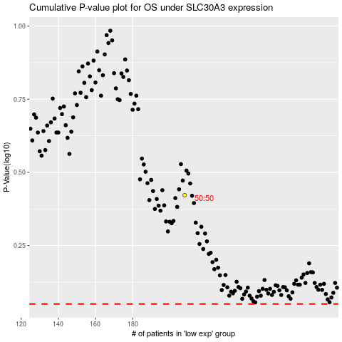

 |  |  |  |  |  | cases_OS | p_OS | rank | exp
 |  |  |  |  |  |  | cases_RFS | p_RFS | rank | exp

