SLC30A6 _multivariate
Reported by Tex Li-Hsing Chi. tex@gate.sinica.edu.tw 2019-08-16

Table 2. The clinicopathological features of HNSCC cohort and SLC30A6 expression. (Chi square test)
Cutoff at 0.003 (49.8%)
 |  | SLC30A6 expression |  | SLC30A6 expression |  | (Optimised)
 | Features | Low | (%) | High | (%) | Case no | P-value | Remark | Matthews
Gender | Female | 152 | 36.6 | 154 | 37.1 | 415 | 0.9766 | 0 | 0
2 | Male | 55 | 13.3 | 54 | 13
Age at diagnosis | <=65y | 139 | 33.5 | 135 | 32.5 | 415 | 0.7044 | 0 | 0
4 | >65y | 68 | 16.4 | 73 | 17.6
Clinical T Status | T1+T2 | 82 | 19.8 | 67 | 16.1 | 415 | 0.1417 | 0 | 0
6 | T3+T4 | 125 | 30.1 | 141 | 34
Clinical N Status | N0 | 108 | 26 | 108 | 26 | 415 | 1 | 0 | 0
8 | N1-3 | 99 | 23.9 | 100 | 24.1
Clinical M Status | M0 | 204 | 49.2 | 208 | 50.1 | 415 | 0.1232 | 0 | 0
10 | M1 | 3 | 0.7 | 0 | 0
Clinical Stage | Stage I+II | 53 | 12.8 | 49 | 11.8 | 415 | 0.7113 | 0 | 0
12 | Stage III+IV | 154 | 37.1 | 159 | 38.3
Surgical Margin status | Negative | 160 | 38.6 | 158 | 38.1 | 415 | 0.8167 | 0 | 0
14 | Positive | 47 | 11.3 | 50 | 12
Tobacco Exposure | Low | 91 | 21.9 | 70 | 16.9 | 415 | 0.0346 | 1 | 0
16 | High | 116 | 28 | 138 | 33.3

Table 3. Univariate/Multivariate Cox's proportional hazards regression analyses on OS time of SLC30A6 gene expression in HNSCC

 |  | Univariate |  |  |  | Multivariate
 | Features | HR | CI95%(L) | CI95%(H) | P-value | HR | CI95%(L) | CI95%(H) | P-value
1 | Female | 1 |  |  |  | 1
Gender | Male | 1.157 | 0.843 | 1.587 | 0.367 | 1.197 | 0.857 | 1.671 | 0.293
11 | <=65y | 1 |  |  |  | 1
Age at diagnosis | >65y | 1.329 | 0.99 | 1.784 | 0.058 | 1.394 | 1.025 | 1.895 | 0.034
12 | T1+T2 | 1 |  |  |  | 1
Clinical T Status | T3+T4 | 1.409 | 1.028 | 1.931 | 0.033 | 2.14 | 1.13 | 4.054 | 0.02
13 | N0 | 1 |  |  |  | 1
Clinical N Status | N1-3 | 1.185 | 0.89 | 1.577 | 0.246 | 1.236 | 0.866 | 1.764 | 0.242
14 | M0 | 1 |  |  |  | 1
Clinical M Status | M1 | 4.097 | 1.009 | 16.644 | 0.049 | 10.239 | 2.221 | 47.201 | 0.003
15 | Stage I+II | 1 |  |  |  | 1
Clinical Stage | Stage III+IV | 1.245 | 0.882 | 1.759 | 0.213 | 0.513 | 0.239 | 1.103 | 0.087
16 | Negative | 1 |  |  |  | 1
Surgical Margin status | Positive | 1.591 | 1.155 | 2.191 | 0.004 | 1.676 | 1.212 | 2.316 | 0.002
17 | Low | 1 |  |  |  | 1
Tobacco Exposure | High | 1.364 | 1.008 | 1.844 | 0.044 | 1.439 | 1.044 | 1.982 | 0.026
18 | Low | 1 |  |  |  | 1
RNAseq(z-score) | High | 1.268 | 0.949 | 1.693 | 0.108 | 1.225 | 0.914 | 1.642 | 0.175

Table 4. Univariate/Multivariate Cox's proportional hazards regression analyses on RFS time of SLC30A6 gene expression in HNSCC

 |  | Univariate |  |  |  | Multivariate
 | Features | HR | CI95%(L) | CI95%(H) | P-value | HR | CI95%(L) | CI95%(H) | P-value
1 | Female | 1 |  |  |  | 1
Gender | Male | 1.157 | 0.843 | 1.587 | 0.367 | 1.197 | 0.857 | 1.671 | 0.293
11 | <=65y | 1 |  |  |  | 1
Age at diagnosis | >65y | 1.329 | 0.99 | 1.784 | 0.058 | 1.394 | 1.025 | 1.895 | 0.034
12 | T1+T2 | 1 |  |  |  | 1
Clinical T Status | T3+T4 | 1.409 | 1.028 | 1.931 | 0.033 | 2.14 | 1.13 | 4.054 | 0.02
13 | N0 | 1 |  |  |  | 1
Clinical N Status | N1-3 | 1.185 | 0.89 | 1.577 | 0.246 | 1.236 | 0.866 | 1.764 | 0.242
14 | M0 | 1 |  |  |  | 1
Clinical M Status | M1 | 4.097 | 1.009 | 16.644 | 0.049 | 10.239 | 2.221 | 47.201 | 0.003
15 | Stage I+II | 1 |  |  |  | 1
Clinical Stage | Stage III+IV | 1.245 | 0.882 | 1.759 | 0.213 | 0.513 | 0.239 | 1.103 | 0.087
16 | Negative | 1 |  |  |  | 1
Surgical Margin status | Positive | 1.591 | 1.155 | 2.191 | 0.004 | 1.676 | 1.212 | 2.316 | 0.002
17 | Low | 1 |  |  |  | 1
Tobacco Exposure | High | 1.364 | 1.008 | 1.844 | 0.044 | 1.439 | 1.044 | 1.982 | 0.026
18 | Low | 1 |  |  |  | 1
RNAseq(z-score) | High | 1.268 | 0.949 | 1.693 | 0.108 | 1.225 | 0.914 | 1.642 | 0.175

Kaplan-Meier survival estimate: Cutoff at 0.003 (49.8%)



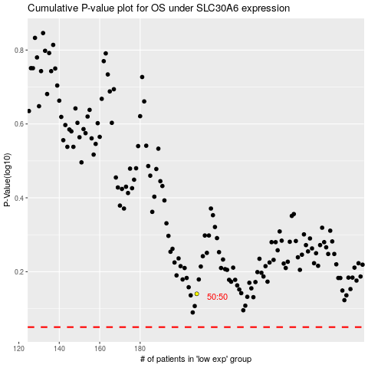

 |  |  |  |  |  | cases_OS | p_OS | rank | exp
 |  |  |  |  |  |  | cases_RFS | p_RFS | rank | exp

