SLC31A2 _multivariate
Reported by Tex Li-Hsing Chi. tex@gate.sinica.edu.tw 2019-08-16

Table 2. The clinicopathological features of HNSCC cohort and SLC31A2 expression. (Chi square test)
Cutoff at 0.115 (65.5%)
 |  | SLC31A2 expression |  | SLC31A2 expression |  | (Optimised)
 | Features | Low | (%) | High | (%) | Case no | P-value | Remark | Matthews
Gender | Female | 211 | 50.8 | 95 | 22.9 | 415 | 0.0123 | 1 | 0
2 | Male | 60 | 14.5 | 49 | 11.8
Age at diagnosis | <=65y | 178 | 42.9 | 96 | 23.1 | 415 | 0.9262 | 0 | 0
4 | >65y | 93 | 22.4 | 48 | 11.6
Clinical T Status | T1+T2 | 101 | 24.3 | 48 | 11.6 | 415 | 0.4914 | 0 | 0
6 | T3+T4 | 170 | 41 | 96 | 23.1
Clinical N Status | N0 | 147 | 35.4 | 69 | 16.6 | 415 | 0.2606 | 0 | 0
8 | N1-3 | 124 | 29.9 | 75 | 18.1
Clinical M Status | M0 | 269 | 64.8 | 143 | 34.5 | 415 | 1 | 0 | 0
10 | M1 | 2 | 0.5 | 1 | 0.2
Clinical Stage | Stage I+II | 67 | 16.1 | 35 | 8.4 | 415 | 1 | 0 | 0
12 | Stage III+IV | 204 | 49.2 | 109 | 26.3
Surgical Margin status | Negative | 205 | 49.4 | 113 | 27.2 | 415 | 0.5445 | 0 | 0
14 | Positive | 66 | 15.9 | 31 | 7.5
Tobacco Exposure | Low | 96 | 23.1 | 65 | 15.7 | 415 | 0.0574 | 0 | 0
16 | High | 175 | 42.2 | 79 | 19

Table 3. Univariate/Multivariate Cox's proportional hazards regression analyses on OS time of SLC31A2 gene expression in HNSCC

 |  | Univariate |  |  |  | Multivariate
 | Features | HR | CI95%(L) | CI95%(H) | P-value | HR | CI95%(L) | CI95%(H) | P-value
1 | Female | 1 |  |  |  | 1
Gender | Male | 1.157 | 0.843 | 1.587 | 0.367 | 1.114 | 0.794 | 1.564 | 0.531
11 | <=65y | 1 |  |  |  | 1
Age at diagnosis | >65y | 1.329 | 0.99 | 1.784 | 0.058 | 1.392 | 1.024 | 1.892 | 0.035
12 | T1+T2 | 1 |  |  |  | 1
Clinical T Status | T3+T4 | 1.409 | 1.028 | 1.931 | 0.033 | 2.112 | 1.118 | 3.992 | 0.021
13 | N0 | 1 |  |  |  | 1
Clinical N Status | N1-3 | 1.185 | 0.89 | 1.577 | 0.246 | 1.189 | 0.834 | 1.696 | 0.338
14 | M0 | 1 |  |  |  | 1
Clinical M Status | M1 | 4.097 | 1.009 | 16.644 | 0.049 | 8.828 | 1.925 | 40.485 | 0.005
15 | Stage I+II | 1 |  |  |  | 1
Clinical Stage | Stage III+IV | 1.245 | 0.882 | 1.759 | 0.213 | 0.548 | 0.255 | 1.177 | 0.123
16 | Negative | 1 |  |  |  | 1
Surgical Margin status | Positive | 1.591 | 1.155 | 2.191 | 0.004 | 1.678 | 1.216 | 2.317 | 0.002
17 | Low | 1 |  |  |  | 1
Tobacco Exposure | High | 1.364 | 1.008 | 1.844 | 0.044 | 1.543 | 1.116 | 2.134 | 0.009
18 | Low | 1 |  |  |  | 1
RNAseq(z-score) | High | 1.512 | 1.132 | 2.021 | 0.005 | 1.562 | 1.156 | 2.11 | 0.004

Table 4. Univariate/Multivariate Cox's proportional hazards regression analyses on RFS time of SLC31A2 gene expression in HNSCC

 |  | Univariate |  |  |  | Multivariate
 | Features | HR | CI95%(L) | CI95%(H) | P-value | HR | CI95%(L) | CI95%(H) | P-value
1 | Female | 1 |  |  |  | 1
Gender | Male | 1.157 | 0.843 | 1.587 | 0.367 | 1.114 | 0.794 | 1.564 | 0.531
11 | <=65y | 1 |  |  |  | 1
Age at diagnosis | >65y | 1.329 | 0.99 | 1.784 | 0.058 | 1.392 | 1.024 | 1.892 | 0.035
12 | T1+T2 | 1 |  |  |  | 1
Clinical T Status | T3+T4 | 1.409 | 1.028 | 1.931 | 0.033 | 2.112 | 1.118 | 3.992 | 0.021
13 | N0 | 1 |  |  |  | 1
Clinical N Status | N1-3 | 1.185 | 0.89 | 1.577 | 0.246 | 1.189 | 0.834 | 1.696 | 0.338
14 | M0 | 1 |  |  |  | 1
Clinical M Status | M1 | 4.097 | 1.009 | 16.644 | 0.049 | 8.828 | 1.925 | 40.485 | 0.005
15 | Stage I+II | 1 |  |  |  | 1
Clinical Stage | Stage III+IV | 1.245 | 0.882 | 1.759 | 0.213 | 0.548 | 0.255 | 1.177 | 0.123
16 | Negative | 1 |  |  |  | 1
Surgical Margin status | Positive | 1.591 | 1.155 | 2.191 | 0.004 | 1.678 | 1.216 | 2.317 | 0.002
17 | Low | 1 |  |  |  | 1
Tobacco Exposure | High | 1.364 | 1.008 | 1.844 | 0.044 | 1.543 | 1.116 | 2.134 | 0.009
18 | Low | 1 |  |  |  | 1
RNAseq(z-score) | High | 1.512 | 1.132 | 2.021 | 0.005 | 1.562 | 1.156 | 2.11 | 0.004

Kaplan-Meier survival estimate: Cutoff at 0.115 (65.5%)

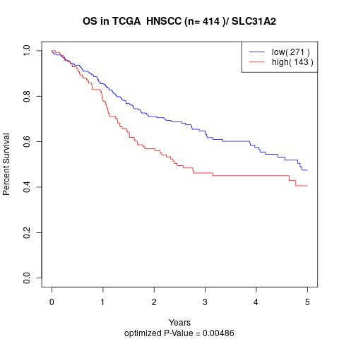

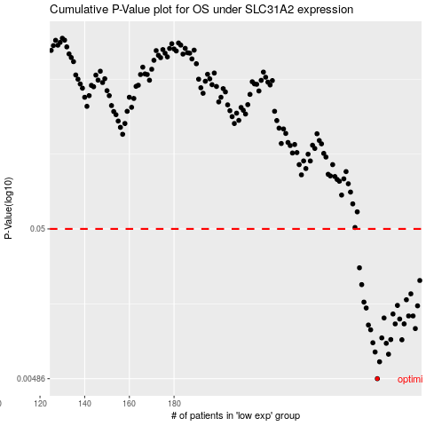

 |  |  |  |  |  | cases_OS | p_OS | rank | exp
 |  |  |  |  |  | 271 | 0.00486 | 74 | 0.11462381015
 |  |  |  |  |  | 272 | 0.00632 | 88 | 0.12087486236
 |  |  |  |  |  | 276 | 0.00711 | 215 | 0.13599462882
 |  |  |  |  |  | 270 | 0.00736 | 396 | 0.11454202127
 |  |  |  |  |  | 275 | 0.00843 | 408 | 0.13483454283
 |  |  |  |  |  | 269 | 0.0085 | 307 | 0.11411291689
 |  |  |  |  |  | 282 | 0.0089 | 90 | 0.17963855525
 |  |  |  |  |  | 277 | 0.00893 | 222 | 0.14201055104
 |  |  |  |  |  | 273 | 0.00917 | 361 | 0.12954270813
 |  |  |  |  |  | 268 | 0.0104 | 311 | 0.11044108702
 |  |  |  |  |  | 288 | 0.0106 | 221 | 0.23140277022
 |  |  |  |  |  | 267 | 0.0112 | 277 | 0.10975533477
 |  |  |  |  |  | 279 | 0.0114 | 92 | 0.15514241939
 |  |  |  |  |  | 283 | 0.0114 | 148 | 0.18006588388
 |  |  |  |  |  | 281 | 0.0123 | 189 | 0.17832063657
 |  |  |  |  |  | 274 | 0.0125 | 195 | 0.13211190271
 |  |  |  |  |  | 285 | 0.0129 | 69 | 0.2051451964
 |  |  |  |  |  | 287 | 0.0129 | 269 | 0.22646378717
 |  |  |  |  |  | 278 | 0.0133 | 312 | 0.14306085399
 |  |  |  |  |  | 266 | 0.0146 | 327 | 0.10683485538
 |  |  |  |  |  | 289 | 0.0151 | 289 | 0.23394585084
 |  |  |  |  |  | 280 | 0.0152 | 47 | 0.16251396884
 |  |  |  |  |  | 265 | 0.016 | 319 | 0.10532045536
 |  |  |  |  |  | 284 | 0.0166 | 31 | 0.1999200045
 |  |  |  |  |  | 286 | 0.0182 | 50 | 0.21653724914
 |  |  |  |  |  | 264 | 0.021 | 75 | 0.10466081705
 |  |  |  |  |  | 290 | 0.0224 | 360 | 0.23602525222
 |  |  |  |  |  | 263 | 0.0273 | 121 | 0.10301302699
 |  |  |  |  |  |  | cases_RFS | p_RFS | rank | exp
 |  |  |  |  |  |  | 270 | 0.00486 | 396 | 0.11454202127
 |  |  |  |  |  |  | 271 | 0.00632 | 74 | 0.11462381015
 |  |  |  |  |  |  | 275 | 0.00711 | 408 | 0.13483454283
 |  |  |  |  |  |  | 269 | 0.00736 | 307 | 0.11411291689
 |  |  |  |  |  |  | 274 | 0.00843 | 195 | 0.13211190271
 |  |  |  |  |  |  | 268 | 0.0085 | 311 | 0.11044108702
 |  |  |  |  |  |  | 281 | 0.0089 | 189 | 0.17832063657
 |  |  |  |  |  |  | 276 | 0.00893 | 215 | 0.13599462882
 |  |  |  |  |  |  | 272 | 0.00917 | 88 | 0.12087486236
 |  |  |  |  |  |  | 267 | 0.0104 | 277 | 0.10975533477
 |  |  |  |  |  |  | 287 | 0.0106 | 269 | 0.22646378717
 |  |  |  |  |  |  | 266 | 0.0112 | 327 | 0.10683485538
 |  |  |  |  |  |  | 282 | 0.0114 | 90 | 0.17963855525
 |  |  |  |  |  |  | 278 | 0.0114 | 312 | 0.14306085399
 |  |  |  |  |  |  | 280 | 0.0123 | 47 | 0.16251396884
 |  |  |  |  |  |  | 273 | 0.0125 | 361 | 0.12954270813
 |  |  |  |  |  |  | 284 | 0.0129 | 31 | 0.1999200045
 |  |  |  |  |  |  | 286 | 0.0129 | 50 | 0.21653724914
 |  |  |  |  |  |  | 277 | 0.0133 | 222 | 0.14201055104
 |  |  |  |  |  |  | 265 | 0.0146 | 319 | 0.10532045536
 |  |  |  |  |  |  | 288 | 0.0151 | 221 | 0.23140277022
 |  |  |  |  |  |  | 279 | 0.0152 | 92 | 0.15514241939
 |  |  |  |  |  |  | 264 | 0.016 | 75 | 0.10466081705
 |  |  |  |  |  |  | 283 | 0.0166 | 148 | 0.18006588388
 |  |  |  |  |  |  | 285 | 0.0182 | 69 | 0.2051451964
 |  |  |  |  |  |  | 263 | 0.021 | 121 | 0.10301302699
 |  |  |  |  |  |  | 289 | 0.0224 | 289 | 0.23394585084
 |  |  |  |  |  |  | 262 | 0.0273 | 271 | 0.098231981098

