SLC34A2 _multivariate
Reported by Tex Li-Hsing Chi. tex@gate.sinica.edu.tw 2019-08-16

Table 2. The clinicopathological features of HNSCC cohort and SLC34A2 expression. (Chi square test)
Cutoff at -0.216 (41.3%)
 |  | SLC34A2 expression |  | SLC34A2 expression |  | (Optimised)
 | Features | Low | (%) | High | (%) | Case no | P-value | Remark | Matthews
Gender | Female | 127 | 30.6 | 179 | 43.1 | 415 | 1 | 0 | 0
2 | Male | 45 | 10.8 | 64 | 15.4
Age at diagnosis | <=65y | 111 | 26.7 | 163 | 39.3 | 415 | 0.6645 | 0 | 0
4 | >65y | 61 | 14.7 | 80 | 19.3
Clinical T Status | T1+T2 | 57 | 13.7 | 92 | 22.2 | 415 | 0.3769 | 0 | 0
6 | T3+T4 | 115 | 27.7 | 151 | 36.4
Clinical N Status | N0 | 92 | 22.2 | 124 | 29.9 | 415 | 0.6933 | 0 | 0
8 | N1-3 | 80 | 19.3 | 119 | 28.7
Clinical M Status | M0 | 170 | 41 | 242 | 58.3 | 415 | 0.5724 | 0 | 0
10 | M1 | 2 | 0.5 | 1 | 0.2
Clinical Stage | Stage I+II | 41 | 9.9 | 61 | 14.7 | 415 | 0.8577 | 0 | 0
12 | Stage III+IV | 131 | 31.6 | 182 | 43.9
Surgical Margin status | Negative | 125 | 30.1 | 193 | 46.5 | 415 | 0.126 | 0 | 0
14 | Positive | 47 | 11.3 | 50 | 12
Tobacco Exposure | Low | 80 | 19.3 | 81 | 19.5 | 415 | 0.0078 | 1 | 0
16 | High | 92 | 22.2 | 162 | 39

Table 3. Univariate/Multivariate Cox's proportional hazards regression analyses on OS time of SLC34A2 gene expression in HNSCC

 |  | Univariate |  |  |  | Multivariate
 | Features | HR | CI95%(L) | CI95%(H) | P-value | HR | CI95%(L) | CI95%(H) | P-value
1 | Female | 1 |  |  |  | 1
Gender | Male | 1.157 | 0.843 | 1.587 | 0.367 | 1.192 | 0.852 | 1.667 | 0.306
11 | <=65y | 1 |  |  |  | 1
Age at diagnosis | >65y | 1.329 | 0.99 | 1.784 | 0.058 | 1.407 | 1.035 | 1.913 | 0.029
12 | T1+T2 | 1 |  |  |  | 1
Clinical T Status | T3+T4 | 1.409 | 1.028 | 1.931 | 0.033 | 2.114 | 1.117 | 4 | 0.021
13 | N0 | 1 |  |  |  | 1
Clinical N Status | N1-3 | 1.185 | 0.89 | 1.577 | 0.246 | 1.231 | 0.862 | 1.758 | 0.253
14 | M0 | 1 |  |  |  | 1
Clinical M Status | M1 | 4.097 | 1.009 | 16.644 | 0.049 | 8.58 | 1.868 | 39.411 | 0.006
15 | Stage I+II | 1 |  |  |  | 1
Clinical Stage | Stage III+IV | 1.245 | 0.882 | 1.759 | 0.213 | 0.514 | 0.239 | 1.106 | 0.089
16 | Negative | 1 |  |  |  | 1
Surgical Margin status | Positive | 1.591 | 1.155 | 2.191 | 0.004 | 1.651 | 1.195 | 2.281 | 0.002
17 | Low | 1 |  |  |  | 1
Tobacco Exposure | High | 1.364 | 1.008 | 1.844 | 0.044 | 1.582 | 1.136 | 2.202 | 0.007
18 | Low | 1 |  |  |  | 1
RNAseq(z-score) | High | 0.75 | 0.562 | 0.999 | 0.05 | 0.719 | 0.534 | 0.968 | 0.03

Table 4. Univariate/Multivariate Cox's proportional hazards regression analyses on RFS time of SLC34A2 gene expression in HNSCC

 |  | Univariate |  |  |  | Multivariate
 | Features | HR | CI95%(L) | CI95%(H) | P-value | HR | CI95%(L) | CI95%(H) | P-value
1 | Female | 1 |  |  |  | 1
Gender | Male | 1.157 | 0.843 | 1.587 | 0.367 | 1.192 | 0.852 | 1.667 | 0.306
11 | <=65y | 1 |  |  |  | 1
Age at diagnosis | >65y | 1.329 | 0.99 | 1.784 | 0.058 | 1.407 | 1.035 | 1.913 | 0.029
12 | T1+T2 | 1 |  |  |  | 1
Clinical T Status | T3+T4 | 1.409 | 1.028 | 1.931 | 0.033 | 2.114 | 1.117 | 4 | 0.021
13 | N0 | 1 |  |  |  | 1
Clinical N Status | N1-3 | 1.185 | 0.89 | 1.577 | 0.246 | 1.231 | 0.862 | 1.758 | 0.253
14 | M0 | 1 |  |  |  | 1
Clinical M Status | M1 | 4.097 | 1.009 | 16.644 | 0.049 | 8.58 | 1.868 | 39.411 | 0.006
15 | Stage I+II | 1 |  |  |  | 1
Clinical Stage | Stage III+IV | 1.245 | 0.882 | 1.759 | 0.213 | 0.514 | 0.239 | 1.106 | 0.089
16 | Negative | 1 |  |  |  | 1
Surgical Margin status | Positive | 1.591 | 1.155 | 2.191 | 0.004 | 1.651 | 1.195 | 2.281 | 0.002
17 | Low | 1 |  |  |  | 1
Tobacco Exposure | High | 1.364 | 1.008 | 1.844 | 0.044 | 1.582 | 1.136 | 2.202 | 0.007
18 | Low | 1 |  |  |  | 1
RNAseq(z-score) | High | 0.75 | 0.562 | 0.999 | 0.05 | 0.719 | 0.534 | 0.968 | 0.03

Kaplan-Meier survival estimate: Cutoff at -0.216 (41.3%)



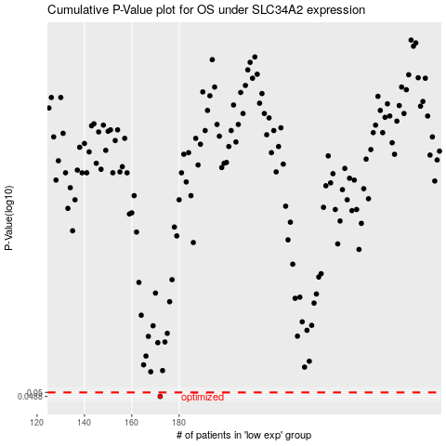

 |  |  |  |  |  | cases_OS | p_OS | rank | exp
 |  |  |  |  |  | 172 | 0.0488 | 335 | -0.21601912163
 |  |  |  |  |  |  | cases_RFS | p_RFS | rank | exp
 |  |  |  |  |  |  | 171 | 0.0488 | 344 | -0.21615888288

