SLC35A1 _multivariate
Reported by Tex Li-Hsing Chi. tex@gate.sinica.edu.tw 2019-08-16

Table 2. The clinicopathological features of HNSCC cohort and SLC35A1 expression. (Chi square test)
Cutoff at -0.205 (49.8%)
 |  | SLC35A1 expression |  | SLC35A1 expression |  | (Optimised)
 | Features | Low | (%) | High | (%) | Case no | P-value | Remark | Matthews
Gender | Female | 149 | 35.9 | 157 | 37.8 | 415 | 0.4848 | 0 | 0
2 | Male | 58 | 14 | 51 | 12.3
Age at diagnosis | <=65y | 130 | 31.3 | 144 | 34.7 | 415 | 0.2009 | 0 | 0
4 | >65y | 77 | 18.6 | 64 | 15.4
Clinical T Status | T1+T2 | 68 | 16.4 | 81 | 19.5 | 415 | 0.2336 | 0 | 0
6 | T3+T4 | 139 | 33.5 | 127 | 30.6
Clinical N Status | N0 | 103 | 24.8 | 113 | 27.2 | 415 | 0.4047 | 0 | 0
8 | N1-3 | 104 | 25.1 | 95 | 22.9
Clinical M Status | M0 | 206 | 49.6 | 206 | 49.6 | 415 | 1 | 0 | 0
10 | M1 | 1 | 0.2 | 2 | 0.5
Clinical Stage | Stage I+II | 48 | 11.6 | 54 | 13 | 415 | 0.5878 | 0 | 0
12 | Stage III+IV | 159 | 38.3 | 154 | 37.1
Surgical Margin status | Negative | 165 | 39.8 | 153 | 36.9 | 415 | 0.1639 | 0 | 0
14 | Positive | 42 | 10.1 | 55 | 13.3
Tobacco Exposure | Low | 72 | 17.3 | 89 | 21.4 | 415 | 0.1071 | 0 | 0
16 | High | 135 | 32.5 | 119 | 28.7

Table 3. Univariate/Multivariate Cox's proportional hazards regression analyses on OS time of SLC35A1 gene expression in HNSCC

 |  | Univariate |  |  |  | Multivariate
 | Features | HR | CI95%(L) | CI95%(H) | P-value | HR | CI95%(L) | CI95%(H) | P-value
1 | Female | 1 |  |  |  | 1
Gender | Male | 1.157 | 0.843 | 1.587 | 0.367 | 1.203 | 0.861 | 1.681 | 0.279
11 | <=65y | 1 |  |  |  | 1
Age at diagnosis | >65y | 1.329 | 0.99 | 1.784 | 0.058 | 1.377 | 1.01 | 1.878 | 0.043
12 | T1+T2 | 1 |  |  |  | 1
Clinical T Status | T3+T4 | 1.409 | 1.028 | 1.931 | 0.033 | 2.173 | 1.147 | 4.117 | 0.017
13 | N0 | 1 |  |  |  | 1
Clinical N Status | N1-3 | 1.185 | 0.89 | 1.577 | 0.246 | 1.231 | 0.861 | 1.759 | 0.254
14 | M0 | 1 |  |  |  | 1
Clinical M Status | M1 | 4.097 | 1.009 | 16.644 | 0.049 | 9.548 | 2.081 | 43.812 | 0.004
15 | Stage I+II | 1 |  |  |  | 1
Clinical Stage | Stage III+IV | 1.245 | 0.882 | 1.759 | 0.213 | 0.511 | 0.238 | 1.098 | 0.085
16 | Negative | 1 |  |  |  | 1
Surgical Margin status | Positive | 1.591 | 1.155 | 2.191 | 0.004 | 1.685 | 1.218 | 2.331 | 0.002
17 | Low | 1 |  |  |  | 1
Tobacco Exposure | High | 1.364 | 1.008 | 1.844 | 0.044 | 1.447 | 1.049 | 1.995 | 0.024
18 | Low | 1 |  |  |  | 1
RNAseq(z-score) | High | 0.873 | 0.654 | 1.166 | 0.357 | 0.927 | 0.689 | 1.248 | 0.618

Table 4. Univariate/Multivariate Cox's proportional hazards regression analyses on RFS time of SLC35A1 gene expression in HNSCC

 |  | Univariate |  |  |  | Multivariate
 | Features | HR | CI95%(L) | CI95%(H) | P-value | HR | CI95%(L) | CI95%(H) | P-value
1 | Female | 1 |  |  |  | 1
Gender | Male | 1.157 | 0.843 | 1.587 | 0.367 | 1.203 | 0.861 | 1.681 | 0.279
11 | <=65y | 1 |  |  |  | 1
Age at diagnosis | >65y | 1.329 | 0.99 | 1.784 | 0.058 | 1.377 | 1.01 | 1.878 | 0.043
12 | T1+T2 | 1 |  |  |  | 1
Clinical T Status | T3+T4 | 1.409 | 1.028 | 1.931 | 0.033 | 2.173 | 1.147 | 4.117 | 0.017
13 | N0 | 1 |  |  |  | 1
Clinical N Status | N1-3 | 1.185 | 0.89 | 1.577 | 0.246 | 1.231 | 0.861 | 1.759 | 0.254
14 | M0 | 1 |  |  |  | 1
Clinical M Status | M1 | 4.097 | 1.009 | 16.644 | 0.049 | 9.548 | 2.081 | 43.812 | 0.004
15 | Stage I+II | 1 |  |  |  | 1
Clinical Stage | Stage III+IV | 1.245 | 0.882 | 1.759 | 0.213 | 0.511 | 0.238 | 1.098 | 0.085
16 | Negative | 1 |  |  |  | 1
Surgical Margin status | Positive | 1.591 | 1.155 | 2.191 | 0.004 | 1.685 | 1.218 | 2.331 | 0.002
17 | Low | 1 |  |  |  | 1
Tobacco Exposure | High | 1.364 | 1.008 | 1.844 | 0.044 | 1.447 | 1.049 | 1.995 | 0.024
18 | Low | 1 |  |  |  | 1
RNAseq(z-score) | High | 0.873 | 0.654 | 1.166 | 0.357 | 0.927 | 0.689 | 1.248 | 0.618

Kaplan-Meier survival estimate: Cutoff at -0.205 (49.8%)



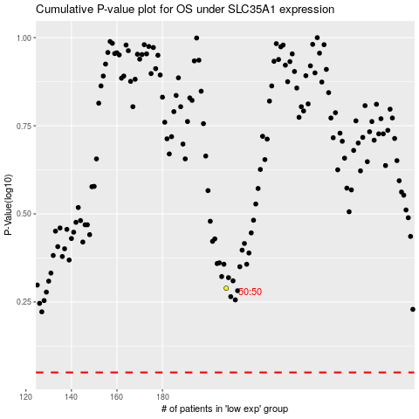

 |  |  |  |  |  | cases_OS | p_OS | rank | exp
 |  |  |  |  |  |  | cases_RFS | p_RFS | rank | exp

