SLC35A3 _multivariate
Reported by Tex Li-Hsing Chi. tex@gate.sinica.edu.tw 2019-08-16

Table 2. The clinicopathological features of HNSCC cohort and SLC35A3 expression. (Chi square test)
Cutoff at -0.264 (50.0%)
 |  | SLC35A3 expression |  | SLC35A3 expression |  | (Optimised)
 | Features | Low | (%) | High | (%) | Case no | P-value | Remark | Matthews
Gender | Female | 159 | 38.3 | 147 | 35.4 | 415 | 0.1905 | 0 | 0
2 | Male | 48 | 11.6 | 61 | 14.7
Age at diagnosis | <=65y | 137 | 33 | 137 | 33 | 415 | 1 | 0 | 0
4 | >65y | 70 | 16.9 | 71 | 17.1
Clinical T Status | T1+T2 | 75 | 18.1 | 74 | 17.8 | 415 | 0.9707 | 0 | 0
6 | T3+T4 | 132 | 31.8 | 134 | 32.3
Clinical N Status | N0 | 109 | 26.3 | 107 | 25.8 | 415 | 0.8812 | 0 | 0
8 | N1-3 | 98 | 23.6 | 101 | 24.3
Clinical M Status | M0 | 205 | 49.4 | 207 | 49.9 | 415 | 0.6232 | 0 | 0
10 | M1 | 2 | 0.5 | 1 | 0.2
Clinical Stage | Stage I+II | 52 | 12.5 | 50 | 12 | 415 | 0.8871 | 0 | 0
12 | Stage III+IV | 155 | 37.3 | 158 | 38.1
Surgical Margin status | Negative | 160 | 38.6 | 158 | 38.1 | 415 | 0.8167 | 0 | 0
14 | Positive | 47 | 11.3 | 50 | 12
Tobacco Exposure | Low | 81 | 19.5 | 80 | 19.3 | 415 | 0.9199 | 0 | 0
16 | High | 126 | 30.4 | 128 | 30.8

Table 3. Univariate/Multivariate Cox's proportional hazards regression analyses on OS time of SLC35A3 gene expression in HNSCC

 |  | Univariate |  |  |  | Multivariate
 | Features | HR | CI95%(L) | CI95%(H) | P-value | HR | CI95%(L) | CI95%(H) | P-value
1 | Female | 1 |  |  |  | 1
Gender | Male | 1.157 | 0.843 | 1.587 | 0.367 | 1.207 | 0.863 | 1.688 | 0.272
11 | <=65y | 1 |  |  |  | 1
Age at diagnosis | >65y | 1.329 | 0.99 | 1.784 | 0.058 | 1.396 | 1.027 | 1.898 | 0.033
12 | T1+T2 | 1 |  |  |  | 1
Clinical T Status | T3+T4 | 1.409 | 1.028 | 1.931 | 0.033 | 2.187 | 1.157 | 4.135 | 0.016
13 | N0 | 1 |  |  |  | 1
Clinical N Status | N1-3 | 1.185 | 0.89 | 1.577 | 0.246 | 1.246 | 0.873 | 1.778 | 0.226
14 | M0 | 1 |  |  |  | 1
Clinical M Status | M1 | 4.097 | 1.009 | 16.644 | 0.049 | 9.228 | 2.012 | 42.324 | 0.004
15 | Stage I+II | 1 |  |  |  | 1
Clinical Stage | Stage III+IV | 1.245 | 0.882 | 1.759 | 0.213 | 0.511 | 0.238 | 1.097 | 0.085
16 | Negative | 1 |  |  |  | 1
Surgical Margin status | Positive | 1.591 | 1.155 | 2.191 | 0.004 | 1.669 | 1.208 | 2.306 | 0.002
17 | Low | 1 |  |  |  | 1
Tobacco Exposure | High | 1.364 | 1.008 | 1.844 | 0.044 | 1.458 | 1.058 | 2.01 | 0.021
18 | Low | 1 |  |  |  | 1
RNAseq(z-score) | High | 0.913 | 0.685 | 1.215 | 0.531 | 0.893 | 0.67 | 1.191 | 0.441

Table 4. Univariate/Multivariate Cox's proportional hazards regression analyses on RFS time of SLC35A3 gene expression in HNSCC

 |  | Univariate |  |  |  | Multivariate
 | Features | HR | CI95%(L) | CI95%(H) | P-value | HR | CI95%(L) | CI95%(H) | P-value
1 | Female | 1 |  |  |  | 1
Gender | Male | 1.157 | 0.843 | 1.587 | 0.367 | 1.207 | 0.863 | 1.688 | 0.272
11 | <=65y | 1 |  |  |  | 1
Age at diagnosis | >65y | 1.329 | 0.99 | 1.784 | 0.058 | 1.396 | 1.027 | 1.898 | 0.033
12 | T1+T2 | 1 |  |  |  | 1
Clinical T Status | T3+T4 | 1.409 | 1.028 | 1.931 | 0.033 | 2.187 | 1.157 | 4.135 | 0.016
13 | N0 | 1 |  |  |  | 1
Clinical N Status | N1-3 | 1.185 | 0.89 | 1.577 | 0.246 | 1.246 | 0.873 | 1.778 | 0.226
14 | M0 | 1 |  |  |  | 1
Clinical M Status | M1 | 4.097 | 1.009 | 16.644 | 0.049 | 9.228 | 2.012 | 42.324 | 0.004
15 | Stage I+II | 1 |  |  |  | 1
Clinical Stage | Stage III+IV | 1.245 | 0.882 | 1.759 | 0.213 | 0.511 | 0.238 | 1.097 | 0.085
16 | Negative | 1 |  |  |  | 1
Surgical Margin status | Positive | 1.591 | 1.155 | 2.191 | 0.004 | 1.669 | 1.208 | 2.306 | 0.002
17 | Low | 1 |  |  |  | 1
Tobacco Exposure | High | 1.364 | 1.008 | 1.844 | 0.044 | 1.458 | 1.058 | 2.01 | 0.021
18 | Low | 1 |  |  |  | 1
RNAseq(z-score) | High | 0.913 | 0.685 | 1.215 | 0.531 | 0.893 | 0.67 | 1.191 | 0.441

Kaplan-Meier survival estimate: Cutoff at -0.264 (50.0%)



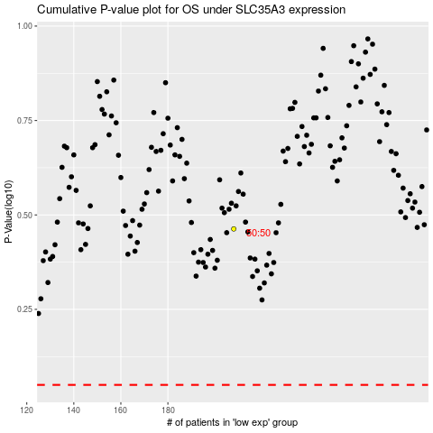

 |  |  |  |  |  | cases_OS | p_OS | rank | exp
 |  |  |  |  |  |  | cases_RFS | p_RFS | rank | exp

