SLC35A4 _multivariate
Reported by Tex Li-Hsing Chi. tex@gate.sinica.edu.tw 2019-08-16

Table 2. The clinicopathological features of HNSCC cohort and SLC35A4 expression. (Chi square test)
Cutoff at -0.105 (56.0%)
 |  | SLC35A4 expression |  | SLC35A4 expression |  | (Optimised)
 | Features | Low | (%) | High | (%) | Case no | P-value | Remark | Matthews
Gender | Female | 178 | 42.9 | 128 | 30.8 | 415 | 0.2003 | 0 | 0
2 | Male | 55 | 13.3 | 54 | 13
Age at diagnosis | <=65y | 156 | 37.6 | 118 | 28.4 | 415 | 0.7282 | 0 | 0
4 | >65y | 77 | 18.6 | 64 | 15.4
Clinical T Status | T1+T2 | 73 | 17.6 | 76 | 18.3 | 415 | 0.0362 | 1 | 0
6 | T3+T4 | 160 | 38.6 | 106 | 25.5
Clinical N Status | N0 | 112 | 27 | 104 | 25.1 | 415 | 0.0824 | 0 | 0
8 | N1-3 | 121 | 29.2 | 78 | 18.8
Clinical M Status | M0 | 231 | 55.7 | 181 | 43.6 | 415 | 1 | 0 | 0
10 | M1 | 2 | 0.5 | 1 | 0.2
Clinical Stage | Stage I+II | 50 | 12 | 52 | 12.5 | 415 | 0.12 | 0 | 0
12 | Stage III+IV | 183 | 44.1 | 130 | 31.3
Surgical Margin status | Negative | 176 | 42.4 | 142 | 34.2 | 415 | 0.5617 | 0 | 0
14 | Positive | 57 | 13.7 | 40 | 9.6
Tobacco Exposure | Low | 80 | 19.3 | 81 | 19.5 | 415 | 0.0422 | 1 | 0
16 | High | 153 | 36.9 | 101 | 24.3

Table 3. Univariate/Multivariate Cox's proportional hazards regression analyses on OS time of SLC35A4 gene expression in HNSCC

 |  | Univariate |  |  |  | Multivariate
 | Features | HR | CI95%(L) | CI95%(H) | P-value | HR | CI95%(L) | CI95%(H) | P-value
1 | Female | 1 |  |  |  | 1
Gender | Male | 1.157 | 0.843 | 1.587 | 0.367 | 1.226 | 0.877 | 1.714 | 0.233
11 | <=65y | 1 |  |  |  | 1
Age at diagnosis | >65y | 1.329 | 0.99 | 1.784 | 0.058 | 1.395 | 1.026 | 1.895 | 0.034
12 | T1+T2 | 1 |  |  |  | 1
Clinical T Status | T3+T4 | 1.409 | 1.028 | 1.931 | 0.033 | 2.093 | 1.104 | 3.968 | 0.024
13 | N0 | 1 |  |  |  | 1
Clinical N Status | N1-3 | 1.185 | 0.89 | 1.577 | 0.246 | 1.201 | 0.839 | 1.718 | 0.317
14 | M0 | 1 |  |  |  | 1
Clinical M Status | M1 | 4.097 | 1.009 | 16.644 | 0.049 | 9.027 | 1.969 | 41.388 | 0.005
15 | Stage I+II | 1 |  |  |  | 1
Clinical Stage | Stage III+IV | 1.245 | 0.882 | 1.759 | 0.213 | 0.52 | 0.242 | 1.117 | 0.094
16 | Negative | 1 |  |  |  | 1
Surgical Margin status | Positive | 1.591 | 1.155 | 2.191 | 0.004 | 1.699 | 1.228 | 2.351 | 0.001
17 | Low | 1 |  |  |  | 1
Tobacco Exposure | High | 1.364 | 1.008 | 1.844 | 0.044 | 1.389 | 1.006 | 1.917 | 0.046
18 | Low | 1 |  |  |  | 1
RNAseq(z-score) | High | 0.723 | 0.54 | 0.968 | 0.03 | 0.75 | 0.554 | 1.017 | 0.064

Table 4. Univariate/Multivariate Cox's proportional hazards regression analyses on RFS time of SLC35A4 gene expression in HNSCC

 |  | Univariate |  |  |  | Multivariate
 | Features | HR | CI95%(L) | CI95%(H) | P-value | HR | CI95%(L) | CI95%(H) | P-value
1 | Female | 1 |  |  |  | 1
Gender | Male | 1.157 | 0.843 | 1.587 | 0.367 | 1.226 | 0.877 | 1.714 | 0.233
11 | <=65y | 1 |  |  |  | 1
Age at diagnosis | >65y | 1.329 | 0.99 | 1.784 | 0.058 | 1.395 | 1.026 | 1.895 | 0.034
12 | T1+T2 | 1 |  |  |  | 1
Clinical T Status | T3+T4 | 1.409 | 1.028 | 1.931 | 0.033 | 2.093 | 1.104 | 3.968 | 0.024
13 | N0 | 1 |  |  |  | 1
Clinical N Status | N1-3 | 1.185 | 0.89 | 1.577 | 0.246 | 1.201 | 0.839 | 1.718 | 0.317
14 | M0 | 1 |  |  |  | 1
Clinical M Status | M1 | 4.097 | 1.009 | 16.644 | 0.049 | 9.027 | 1.969 | 41.388 | 0.005
15 | Stage I+II | 1 |  |  |  | 1
Clinical Stage | Stage III+IV | 1.245 | 0.882 | 1.759 | 0.213 | 0.52 | 0.242 | 1.117 | 0.094
16 | Negative | 1 |  |  |  | 1
Surgical Margin status | Positive | 1.591 | 1.155 | 2.191 | 0.004 | 1.699 | 1.228 | 2.351 | 0.001
17 | Low | 1 |  |  |  | 1
Tobacco Exposure | High | 1.364 | 1.008 | 1.844 | 0.044 | 1.389 | 1.006 | 1.917 | 0.046
18 | Low | 1 |  |  |  | 1
RNAseq(z-score) | High | 0.723 | 0.54 | 0.968 | 0.03 | 0.75 | 0.554 | 1.017 | 0.064

Kaplan-Meier survival estimate: Cutoff at -0.105 (56.0%)

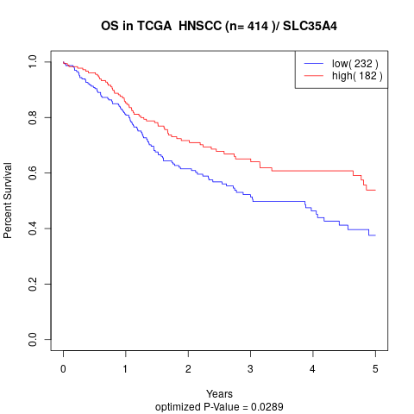

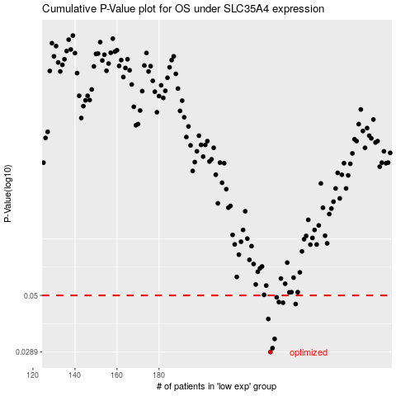

 |  |  |  |  |  | cases_OS | p_OS | rank | exp
 |  |  |  |  |  | 233 | 0.0289 | 20 | -0.10475580616
 |  |  |  |  |  | 234 | 0.03 | 415 | -0.097587292675
 |  |  |  |  |  | 235 | 0.0328 | 232 | -0.092766752852
 |  |  |  |  |  | 232 | 0.0398 | 61 | -0.11342284874
 |  |  |  |  |  | 245 | 0.046 | 29 | -0.026079814946
 |  |  |  |  |  | 239 | 0.0466 | 286 | -0.069250636853
 |  |  |  |  |  | 237 | 0.0469 | 363 | -0.075959347949
 |  |  |  |  |  | 236 | 0.0491 | 212 | -0.087918723355
 |  |  |  |  |  |  | cases_RFS | p_RFS | rank | exp
 |  |  |  |  |  |  | 232 | 0.0289 | 61 | -0.11342284874
 |  |  |  |  |  |  | 233 | 0.03 | 20 | -0.10475580616
 |  |  |  |  |  |  | 234 | 0.0328 | 415 | -0.097587292675
 |  |  |  |  |  |  | 231 | 0.0398 | 21 | -0.12736941295
 |  |  |  |  |  |  | 244 | 0.046 | 339 | -0.030258929067
 |  |  |  |  |  |  | 238 | 0.0466 | 92 | -0.070360207586
 |  |  |  |  |  |  | 236 | 0.0469 | 212 | -0.087918723355
 |  |  |  |  |  |  | 235 | 0.0491 | 232 | -0.092766752852

