SLC35A5 _multivariate
Reported by Tex Li-Hsing Chi. tex@gate.sinica.edu.tw 2019-08-16

Table 2. The clinicopathological features of HNSCC cohort and SLC35A5 expression. (Chi square test)
Cutoff at -0.187 (49.8%)
 |  | SLC35A5 expression |  | SLC35A5 expression |  | (Optimised)
 | Features | Low | (%) | High | (%) | Case no | P-value | Remark | Matthews
Gender | Female | 148 | 35.7 | 158 | 38.1 | 415 | 0.3567 | 0 | 0
2 | Male | 59 | 14.2 | 50 | 12
Age at diagnosis | <=65y | 137 | 33 | 137 | 33 | 415 | 1 | 0 | 0
4 | >65y | 70 | 16.9 | 71 | 17.1
Clinical T Status | T1+T2 | 60 | 14.5 | 89 | 21.4 | 415 | 0.0047 | 1 | 0
6 | T3+T4 | 147 | 35.4 | 119 | 28.7
Clinical N Status | N0 | 106 | 25.5 | 110 | 26.5 | 415 | 0.8075 | 0 | 0
8 | N1-3 | 101 | 24.3 | 98 | 23.6
Clinical M Status | M0 | 204 | 49.2 | 208 | 50.1 | 415 | 0.1232 | 0 | 0
10 | M1 | 3 | 0.7 | 0 | 0
Clinical Stage | Stage I+II | 39 | 9.4 | 63 | 15.2 | 415 | 0.0095 | 1 | 0
12 | Stage III+IV | 168 | 40.5 | 145 | 34.9
Surgical Margin status | Negative | 158 | 38.1 | 160 | 38.6 | 415 | 0.9081 | 0 | 0
14 | Positive | 49 | 11.8 | 48 | 11.6
Tobacco Exposure | Low | 78 | 18.8 | 83 | 20 | 415 | 0.6873 | 0 | 0
16 | High | 129 | 31.1 | 125 | 30.1

Table 3. Univariate/Multivariate Cox's proportional hazards regression analyses on OS time of SLC35A5 gene expression in HNSCC

 |  | Univariate |  |  |  | Multivariate
 | Features | HR | CI95%(L) | CI95%(H) | P-value | HR | CI95%(L) | CI95%(H) | P-value
1 | Female | 1 |  |  |  | 1
Gender | Male | 1.157 | 0.843 | 1.587 | 0.367 | 1.219 | 0.873 | 1.702 | 0.246
11 | <=65y | 1 |  |  |  | 1
Age at diagnosis | >65y | 1.329 | 0.99 | 1.784 | 0.058 | 1.363 | 1 | 1.858 | 0.05
12 | T1+T2 | 1 |  |  |  | 1
Clinical T Status | T3+T4 | 1.409 | 1.028 | 1.931 | 0.033 | 2.255 | 1.19 | 4.273 | 0.013
13 | N0 | 1 |  |  |  | 1
Clinical N Status | N1-3 | 1.185 | 0.89 | 1.577 | 0.246 | 1.229 | 0.861 | 1.754 | 0.257
14 | M0 | 1 |  |  |  | 1
Clinical M Status | M1 | 4.097 | 1.009 | 16.644 | 0.049 | 10.35 | 2.226 | 48.125 | 0.003
15 | Stage I+II | 1 |  |  |  | 1
Clinical Stage | Stage III+IV | 1.245 | 0.882 | 1.759 | 0.213 | 0.505 | 0.235 | 1.083 | 0.079
16 | Negative | 1 |  |  |  | 1
Surgical Margin status | Positive | 1.591 | 1.155 | 2.191 | 0.004 | 1.681 | 1.216 | 2.325 | 0.002
17 | Low | 1 |  |  |  | 1
Tobacco Exposure | High | 1.364 | 1.008 | 1.844 | 0.044 | 1.455 | 1.057 | 2.003 | 0.021
18 | Low | 1 |  |  |  | 1
RNAseq(z-score) | High | 1.07 | 0.802 | 1.429 | 0.646 | 1.151 | 0.854 | 1.551 | 0.355

Table 4. Univariate/Multivariate Cox's proportional hazards regression analyses on RFS time of SLC35A5 gene expression in HNSCC

 |  | Univariate |  |  |  | Multivariate
 | Features | HR | CI95%(L) | CI95%(H) | P-value | HR | CI95%(L) | CI95%(H) | P-value
1 | Female | 1 |  |  |  | 1
Gender | Male | 1.157 | 0.843 | 1.587 | 0.367 | 1.219 | 0.873 | 1.702 | 0.246
11 | <=65y | 1 |  |  |  | 1
Age at diagnosis | >65y | 1.329 | 0.99 | 1.784 | 0.058 | 1.363 | 1 | 1.858 | 0.05
12 | T1+T2 | 1 |  |  |  | 1
Clinical T Status | T3+T4 | 1.409 | 1.028 | 1.931 | 0.033 | 2.255 | 1.19 | 4.273 | 0.013
13 | N0 | 1 |  |  |  | 1
Clinical N Status | N1-3 | 1.185 | 0.89 | 1.577 | 0.246 | 1.229 | 0.861 | 1.754 | 0.257
14 | M0 | 1 |  |  |  | 1
Clinical M Status | M1 | 4.097 | 1.009 | 16.644 | 0.049 | 10.35 | 2.226 | 48.125 | 0.003
15 | Stage I+II | 1 |  |  |  | 1
Clinical Stage | Stage III+IV | 1.245 | 0.882 | 1.759 | 0.213 | 0.505 | 0.235 | 1.083 | 0.079
16 | Negative | 1 |  |  |  | 1
Surgical Margin status | Positive | 1.591 | 1.155 | 2.191 | 0.004 | 1.681 | 1.216 | 2.325 | 0.002
17 | Low | 1 |  |  |  | 1
Tobacco Exposure | High | 1.364 | 1.008 | 1.844 | 0.044 | 1.455 | 1.057 | 2.003 | 0.021
18 | Low | 1 |  |  |  | 1
RNAseq(z-score) | High | 1.07 | 0.802 | 1.429 | 0.646 | 1.151 | 0.854 | 1.551 | 0.355

Kaplan-Meier survival estimate: Cutoff at -0.187 (49.8%)



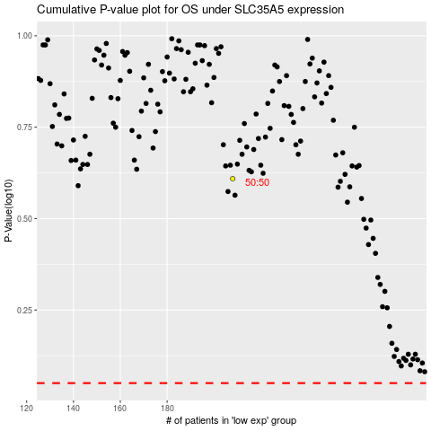

 |  |  |  |  |  | cases_OS | p_OS | rank | exp
 |  |  |  |  |  |  | cases_RFS | p_RFS | rank | exp

