SLC35B1 _multivariate
Reported by Tex Li-Hsing Chi. tex@gate.sinica.edu.tw 2019-08-16

Table 2. The clinicopathological features of HNSCC cohort and SLC35B1 expression. (Chi square test)
Cutoff at -0.575 (30.0%)
 |  | SLC35B1 expression |  | SLC35B1 expression |  | (Optimised)
 | Features | Low | (%) | High | (%) | Case no | P-value | Remark | Matthews
Gender | Female | 82 | 19.8 | 224 | 54 | 415 | 0.0187 | 1 | 0
2 | Male | 43 | 10.4 | 66 | 15.9
Age at diagnosis | <=65y | 79 | 19 | 195 | 47 | 415 | 0.4936 | 0 | 0
4 | >65y | 46 | 11.1 | 95 | 22.9
Clinical T Status | T1+T2 | 44 | 10.6 | 105 | 25.3 | 415 | 0.9325 | 0 | 0
6 | T3+T4 | 81 | 19.5 | 185 | 44.6
Clinical N Status | N0 | 65 | 15.7 | 151 | 36.4 | 415 | 1 | 0 | 0
8 | N1-3 | 60 | 14.5 | 139 | 33.5
Clinical M Status | M0 | 125 | 30.1 | 287 | 69.2 | 415 | 0.5571 | 0 | 0
10 | M1 | 0 | 0 | 3 | 0.7
Clinical Stage | Stage I+II | 30 | 7.2 | 72 | 17.3 | 415 | 0.9558 | 0 | 0
12 | Stage III+IV | 95 | 22.9 | 218 | 52.5
Surgical Margin status | Negative | 89 | 21.4 | 229 | 55.2 | 415 | 0.1003 | 0 | 0
14 | Positive | 36 | 8.7 | 61 | 14.7
Tobacco Exposure | Low | 71 | 17.1 | 90 | 21.7 | 415 | 0 | 1 | 0
16 | High | 54 | 13 | 200 | 48.2

Table 3. Univariate/Multivariate Cox's proportional hazards regression analyses on OS time of SLC35B1 gene expression in HNSCC

 |  | Univariate |  |  |  | Multivariate
 | Features | HR | CI95%(L) | CI95%(H) | P-value | HR | CI95%(L) | CI95%(H) | P-value
1 | Female | 1 |  |  |  | 1
Gender | Male | 1.157 | 0.843 | 1.587 | 0.367 | 1.231 | 0.88 | 1.722 | 0.224
11 | <=65y | 1 |  |  |  | 1
Age at diagnosis | >65y | 1.329 | 0.99 | 1.784 | 0.058 | 1.41 | 1.037 | 1.917 | 0.028
12 | T1+T2 | 1 |  |  |  | 1
Clinical T Status | T3+T4 | 1.409 | 1.028 | 1.931 | 0.033 | 2.221 | 1.175 | 4.197 | 0.014
13 | N0 | 1 |  |  |  | 1
Clinical N Status | N1-3 | 1.185 | 0.89 | 1.577 | 0.246 | 1.267 | 0.887 | 1.809 | 0.193
14 | M0 | 1 |  |  |  | 1
Clinical M Status | M1 | 4.097 | 1.009 | 16.644 | 0.049 | 8.427 | 1.835 | 38.705 | 0.006
15 | Stage I+II | 1 |  |  |  | 1
Clinical Stage | Stage III+IV | 1.245 | 0.882 | 1.759 | 0.213 | 0.509 | 0.237 | 1.092 | 0.083
16 | Negative | 1 |  |  |  | 1
Surgical Margin status | Positive | 1.591 | 1.155 | 2.191 | 0.004 | 1.746 | 1.262 | 2.418 | 0.001
17 | Low | 1 |  |  |  | 1
Tobacco Exposure | High | 1.364 | 1.008 | 1.844 | 0.044 | 1.302 | 0.932 | 1.817 | 0.121
18 | Low | 1 |  |  |  | 1
RNAseq(z-score) | High | 1.445 | 1.042 | 2.004 | 0.027 | 1.484 | 1.048 | 2.101 | 0.026

Table 4. Univariate/Multivariate Cox's proportional hazards regression analyses on RFS time of SLC35B1 gene expression in HNSCC

 |  | Univariate |  |  |  | Multivariate
 | Features | HR | CI95%(L) | CI95%(H) | P-value | HR | CI95%(L) | CI95%(H) | P-value
1 | Female | 1 |  |  |  | 1
Gender | Male | 1.157 | 0.843 | 1.587 | 0.367 | 1.231 | 0.88 | 1.722 | 0.224
11 | <=65y | 1 |  |  |  | 1
Age at diagnosis | >65y | 1.329 | 0.99 | 1.784 | 0.058 | 1.41 | 1.037 | 1.917 | 0.028
12 | T1+T2 | 1 |  |  |  | 1
Clinical T Status | T3+T4 | 1.409 | 1.028 | 1.931 | 0.033 | 2.221 | 1.175 | 4.197 | 0.014
13 | N0 | 1 |  |  |  | 1
Clinical N Status | N1-3 | 1.185 | 0.89 | 1.577 | 0.246 | 1.267 | 0.887 | 1.809 | 0.193
14 | M0 | 1 |  |  |  | 1
Clinical M Status | M1 | 4.097 | 1.009 | 16.644 | 0.049 | 8.427 | 1.835 | 38.705 | 0.006
15 | Stage I+II | 1 |  |  |  | 1
Clinical Stage | Stage III+IV | 1.245 | 0.882 | 1.759 | 0.213 | 0.509 | 0.237 | 1.092 | 0.083
16 | Negative | 1 |  |  |  | 1
Surgical Margin status | Positive | 1.591 | 1.155 | 2.191 | 0.004 | 1.746 | 1.262 | 2.418 | 0.001
17 | Low | 1 |  |  |  | 1
Tobacco Exposure | High | 1.364 | 1.008 | 1.844 | 0.044 | 1.302 | 0.932 | 1.817 | 0.121
18 | Low | 1 |  |  |  | 1
RNAseq(z-score) | High | 1.445 | 1.042 | 2.004 | 0.027 | 1.484 | 1.048 | 2.101 | 0.026

Kaplan-Meier survival estimate: Cutoff at -0.575 (30.0%)

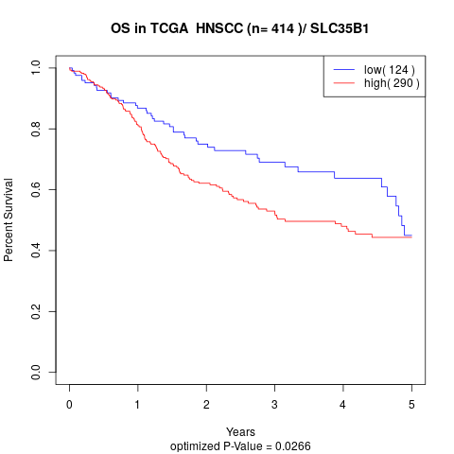

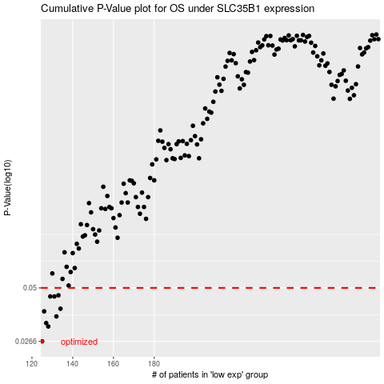

 |  |  |  |  |  | cases_OS | p_OS | rank | exp
 |  |  |  |  |  | 125 | 0.0266 | 78 | -0.57509251795
 |  |  |  |  |  | 128 | 0.0317 | 239 | -0.5677371177
 |  |  |  |  |  | 127 | 0.033 | 145 | -0.57138593332
 |  |  |  |  |  | 132 | 0.0357 | 220 | -0.54246864019
 |  |  |  |  |  | 126 | 0.0379 | 103 | -0.57341136167
 |  |  |  |  |  | 134 | 0.0391 | 108 | -0.53418190982
 |  |  |  |  |  | 131 | 0.0452 | 105 | -0.54704605362
 |  |  |  |  |  | 129 | 0.0452 | 385 | -0.55332023657
 |  |  |  |  |  | 133 | 0.0458 | 381 | -0.54106461903
 |  |  |  |  |  |  | cases_RFS | p_RFS | rank | exp
 |  |  |  |  |  |  |  | 0.0266 | 162 | -0.57588332886
 |  |  |  |  |  |  | 127 | 0.0317 | 145 | -0.57138593332
 |  |  |  |  |  |  | 126 | 0.033 | 103 | -0.57341136167
 |  |  |  |  |  |  | 131 | 0.0357 | 105 | -0.54704605362
 |  |  |  |  |  |  | 125 | 0.0379 | 78 | -0.57509251795
 |  |  |  |  |  |  | 133 | 0.0391 | 381 | -0.54106461903
 |  |  |  |  |  |  | 130 | 0.0452 | 140 | -0.55125187179
 |  |  |  |  |  |  | 128 | 0.0452 | 239 | -0.5677371177
 |  |  |  |  |  |  | 132 | 0.0458 | 220 | -0.54246864019

