SLC35B3 _multivariate
Reported by Tex Li-Hsing Chi. tex@gate.sinica.edu.tw 2019-08-16

Table 2. The clinicopathological features of HNSCC cohort and SLC35B3 expression. (Chi square test)
Cutoff at -0.125 (50.0%)
 |  | SLC35B3 expression |  | SLC35B3 expression |  | (Optimised)
 | Features | Low | (%) | High | (%) | Case no | P-value | Remark | Matthews
Gender | Female | 151 | 36.4 | 155 | 37.3 | 415 | 0.8007 | 0 | 0
2 | Male | 56 | 13.5 | 53 | 12.8
Age at diagnosis | <=65y | 129 | 31.1 | 145 | 34.9 | 415 | 0.1372 | 0 | 0
4 | >65y | 78 | 18.8 | 63 | 15.2
Clinical T Status | T1+T2 | 66 | 15.9 | 83 | 20 | 415 | 0.1095 | 0 | 0
6 | T3+T4 | 141 | 34 | 125 | 30.1
Clinical N Status | N0 | 111 | 26.7 | 105 | 25.3 | 415 | 0.5875 | 0 | 0
8 | N1-3 | 96 | 23.1 | 103 | 24.8
Clinical M Status | M0 | 205 | 49.4 | 207 | 49.9 | 415 | 0.6232 | 0 | 0
10 | M1 | 2 | 0.5 | 1 | 0.2
Clinical Stage | Stage I+II | 46 | 11.1 | 56 | 13.5 | 415 | 0.3182 | 0 | 0
12 | Stage III+IV | 161 | 38.8 | 152 | 36.6
Surgical Margin status | Negative | 163 | 39.3 | 155 | 37.3 | 415 | 0.3537 | 0 | 0
14 | Positive | 44 | 10.6 | 53 | 12.8
Tobacco Exposure | Low | 85 | 20.5 | 76 | 18.3 | 415 | 0.3655 | 0 | 0
16 | High | 122 | 29.4 | 132 | 31.8

Table 3. Univariate/Multivariate Cox's proportional hazards regression analyses on OS time of SLC35B3 gene expression in HNSCC

 |  | Univariate |  |  |  | Multivariate
 | Features | HR | CI95%(L) | CI95%(H) | P-value | HR | CI95%(L) | CI95%(H) | P-value
1 | Female | 1 |  |  |  | 1
Gender | Male | 1.157 | 0.843 | 1.587 | 0.367 | 1.203 | 0.86 | 1.682 | 0.28
11 | <=65y | 1 |  |  |  | 1
Age at diagnosis | >65y | 1.329 | 0.99 | 1.784 | 0.058 | 1.375 | 1.011 | 1.871 | 0.042
12 | T1+T2 | 1 |  |  |  | 1
Clinical T Status | T3+T4 | 1.409 | 1.028 | 1.931 | 0.033 | 2.18 | 1.153 | 4.119 | 0.016
13 | N0 | 1 |  |  |  | 1
Clinical N Status | N1-3 | 1.185 | 0.89 | 1.577 | 0.246 | 1.252 | 0.877 | 1.786 | 0.216
14 | M0 | 1 |  |  |  | 1
Clinical M Status | M1 | 4.097 | 1.009 | 16.644 | 0.049 | 9.202 | 2.006 | 42.21 | 0.004
15 | Stage I+II | 1 |  |  |  | 1
Clinical Stage | Stage III+IV | 1.245 | 0.882 | 1.759 | 0.213 | 0.496 | 0.231 | 1.065 | 0.072
16 | Negative | 1 |  |  |  | 1
Surgical Margin status | Positive | 1.591 | 1.155 | 2.191 | 0.004 | 1.675 | 1.213 | 2.314 | 0.002
17 | Low | 1 |  |  |  | 1
Tobacco Exposure | High | 1.364 | 1.008 | 1.844 | 0.044 | 1.475 | 1.068 | 2.037 | 0.018
18 | Low | 1 |  |  |  | 1
RNAseq(z-score) | High | 0.82 | 0.615 | 1.093 | 0.176 | 0.842 | 0.63 | 1.126 | 0.247

Table 4. Univariate/Multivariate Cox's proportional hazards regression analyses on RFS time of SLC35B3 gene expression in HNSCC

 |  | Univariate |  |  |  | Multivariate
 | Features | HR | CI95%(L) | CI95%(H) | P-value | HR | CI95%(L) | CI95%(H) | P-value
1 | Female | 1 |  |  |  | 1
Gender | Male | 1.157 | 0.843 | 1.587 | 0.367 | 1.203 | 0.86 | 1.682 | 0.28
11 | <=65y | 1 |  |  |  | 1
Age at diagnosis | >65y | 1.329 | 0.99 | 1.784 | 0.058 | 1.375 | 1.011 | 1.871 | 0.042
12 | T1+T2 | 1 |  |  |  | 1
Clinical T Status | T3+T4 | 1.409 | 1.028 | 1.931 | 0.033 | 2.18 | 1.153 | 4.119 | 0.016
13 | N0 | 1 |  |  |  | 1
Clinical N Status | N1-3 | 1.185 | 0.89 | 1.577 | 0.246 | 1.252 | 0.877 | 1.786 | 0.216
14 | M0 | 1 |  |  |  | 1
Clinical M Status | M1 | 4.097 | 1.009 | 16.644 | 0.049 | 9.202 | 2.006 | 42.21 | 0.004
15 | Stage I+II | 1 |  |  |  | 1
Clinical Stage | Stage III+IV | 1.245 | 0.882 | 1.759 | 0.213 | 0.496 | 0.231 | 1.065 | 0.072
16 | Negative | 1 |  |  |  | 1
Surgical Margin status | Positive | 1.591 | 1.155 | 2.191 | 0.004 | 1.675 | 1.213 | 2.314 | 0.002
17 | Low | 1 |  |  |  | 1
Tobacco Exposure | High | 1.364 | 1.008 | 1.844 | 0.044 | 1.475 | 1.068 | 2.037 | 0.018
18 | Low | 1 |  |  |  | 1
RNAseq(z-score) | High | 0.82 | 0.615 | 1.093 | 0.176 | 0.842 | 0.63 | 1.126 | 0.247

Kaplan-Meier survival estimate: Cutoff at -0.125 (50.0%)



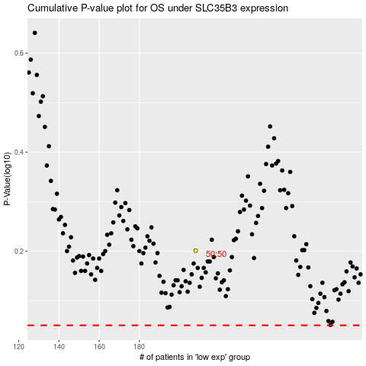

 |  |  |  |  |  | cases_OS | p_OS | rank | exp
 |  |  |  |  |  |  | cases_RFS | p_RFS | rank | exp

